Unemployment Rate
Name/Time | U3 | U6
2014-01-01 | 6.6 | 12.6 | https://fred.stlouisfed.org/series/UNRATE#
2014-02-01 | 6.7 | 12.6
2014-03-01 | 6.7 | 12.7
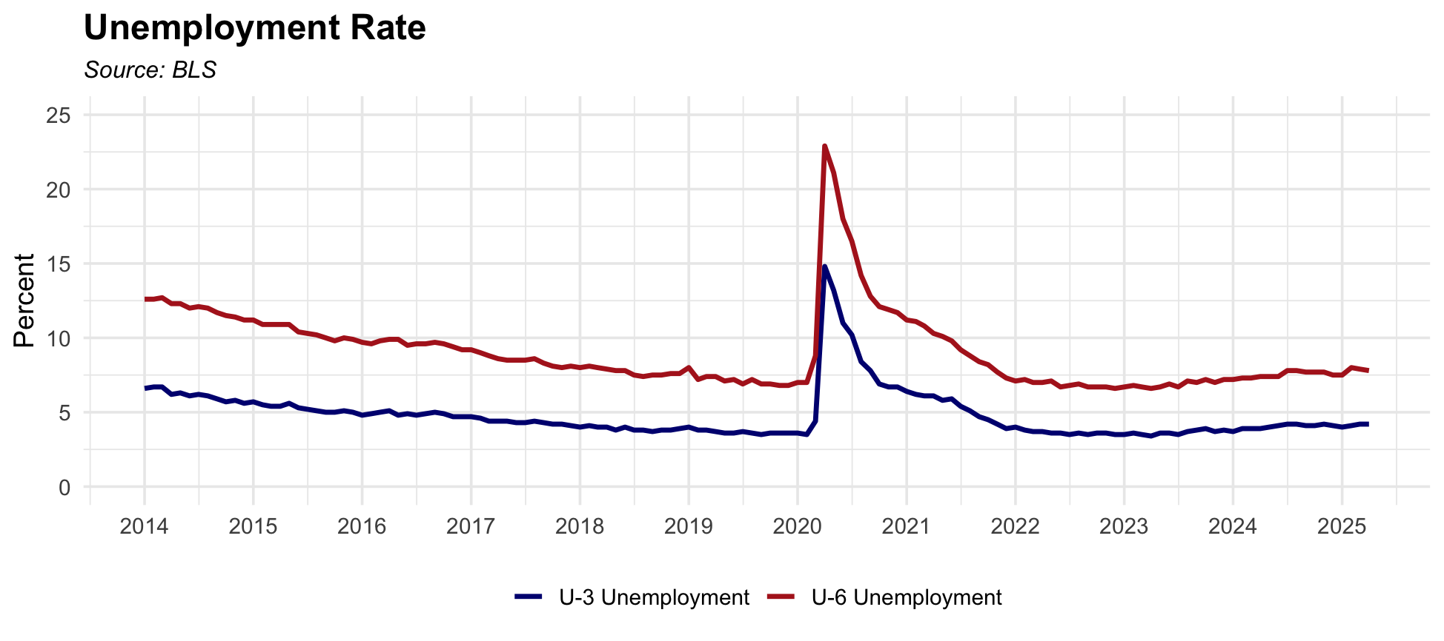
2014-04-01 | 6.2 | 12.3
2014-05-01 | 6.3 | 12.3
2014-06-01 | 6.1 | 12
2014-07-01 | 6.2 | 12.1
2014-08-01 | 6.1 | 12
2014-09-01 | 5.9 | 11.7
2014-10-01 | 5.7 | 11.5
2014-11-01 | 5.8 | 11.4
2014-12-01 | 5.6 | 11.2
2015-01-01 | 5.7 | 11.2
2015-02-01 | 5.5 | 10.9
2015-03-01 | 5.4 | 10.9
2015-04-01 | 5.4 | 10.9
2015-05-01 | 5.6 | 10.9
2015-06-01 | 5.3 | 10.4
2015-07-01 | 5.2 | 10.3
2015-08-01 | 5.1 | 10.2
2015-09-01 | 5 | 10
2015-10-01 | 5 | 9.8
2015-11-01 | 5.1 | 10
2015-12-01 | 5 | 9.9
2016-01-01 | 4.8 | 9.7
2016-02-01 | 4.9 | 9.6
2016-03-01 | 5 | 9.8
2016-04-01 | 5.1 | 9.9
2016-05-01 | 4.8 | 9.9
2016-06-01 | 4.9 | 9.5
2016-07-01 | 4.8 | 9.6
2016-08-01 | 4.9 | 9.6
2016-09-01 | 5 | 9.7
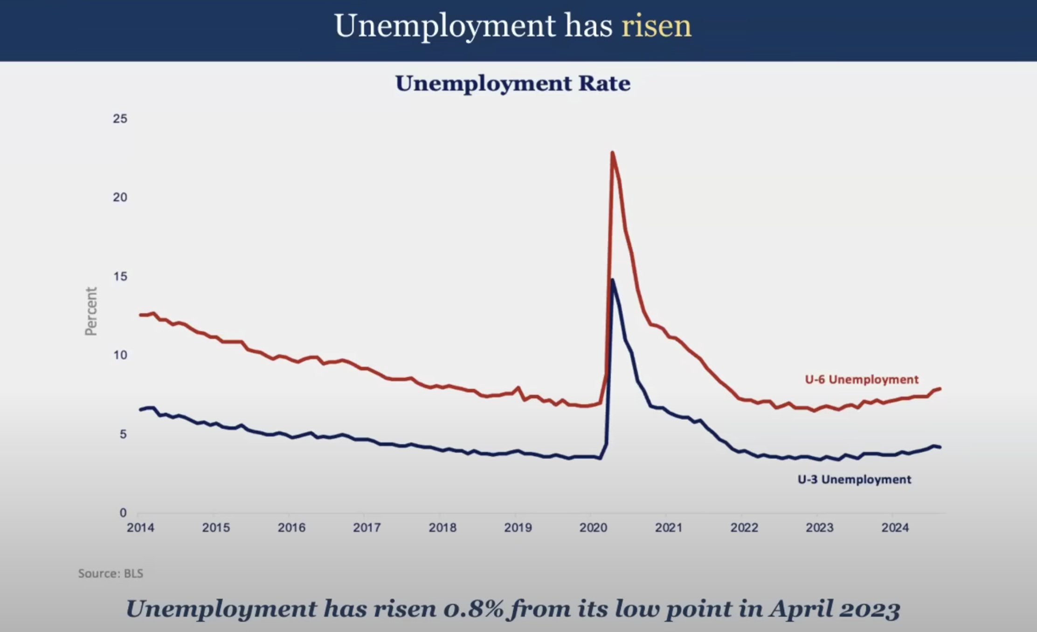
2016-10-01 | 4.9 | 9.6
2016-11-01 | 4.7 | 9.4
2016-12-01 | 4.7 | 9.2
2017-01-01 | 4.7 | 9.2
2017-02-01 | 4.6 | 9
2017-03-01 | 4.4 | 8.8
2017-04-01 | 4.4 | 8.6
2017-05-01 | 4.4 | 8.5
2017-06-01 | 4.3 | 8.5
2017-07-01 | 4.3 | 8.5
2017-08-01 | 4.4 | 8.6
2017-09-01 | 4.3 | 8.3
2017-10-01 | 4.2 | 8.1
2017-11-01 | 4.2 | 8
2017-12-01 | 4.1 | 8.1
2018-01-01 | 4 | 8
2018-02-01 | 4.1 | 8.1
2018-03-01 | 4 | 8
2018-04-01 | 4 | 7.9
2018-05-01 | 3.8 | 7.8
2018-06-01 | 4 | 7.8
2018-07-01 | 3.8 | 7.5
2018-08-01 | 3.8 | 7.4
2018-09-01 | 3.7 | 7.5
2018-10-01 | 3.8 | 7.5
2018-11-01 | 3.8 | 7.6
2018-12-01 | 3.9 | 7.6
2019-01-01 | 4 | 8
2019-02-01 | 3.8 | 7.2
2019-03-01 | 3.8 | 7.4
2019-04-01 | 3.7 | 7.4
2019-05-01 | 3.6 | 7.1
2019-06-01 | 3.6 | 7.2
2019-07-01 | 3.7 | 6.9
2019-08-01 | 3.6 | 7.2
2019-09-01 | 3.5 | 6.9
2019-10-01 | 3.6 | 6.9
2019-11-01 | 3.6 | 6.8
2019-12-01 | 3.6 | 6.8
2020-01-01 | 3.6 | 7
2020-02-01 | 3.5 | 7
2020-03-01 | 4.4 | 8.8
2020-04-01 | 14.8 | 22.9
2020-05-01 | 13.2 | 21.1
2020-06-01 | 11 | 18
2020-07-01 | 10.2 | 16.5
2020-08-01 | 8.4 | 14.2
2020-09-01 | 7.8 | 12.8
2020-10-01 | 6.9 | 12.1
2020-11-01 | 6.7 | 11.9
2020-12-01 | 6.7 | 11.7
2021-01-01 | 6.4 | 11.2
2021-02-01 | 6.2 | 11.1
2021-03-01 | 6.1 | 10.8
2021-04-01 | 6.1 | 10.3
2021-05-01 | 5.8 | 10.1
2021-06-01 | 5.9 | 9.8
2021-07-01 | 5.4 | 9.2
2021-08-01 | 5.1 | 8.8
2021-09-01 | 4.7 | 8.4
2021-10-01 | 4.5 | 8.2
2021-11-01 | 4.2 | 7.7
2021-12-01 | 3.9 | 7.3
2022-01-01 | 4 | 7.1
2022-02-01 | 3.8 | 7.2
2022-03-01 | 3.7 | 7
2022-04-01 | 3.7 | 7
2022-05-01 | 3.6 | 7.1
2022-06-01 | 3.6 | 6.7
2022-07-01 | 3.5 | 6.8
2022-08-01 | 3.6 | 6.9
2022-09-01 | 3.5 | 6.7
2022-10-01 | 3.6 | 6.7
2022-11-01 | 3.6 | 6.7
2022-12-01 | 3.5 | 6.6
2023-01-01 | 3.5 | 6.7
2023-02-01 | 3.6 | 6.8
2023-03-01 | 3.5 | 6.7
2023-04-01 | 3.4 | 6.6
2023-05-01 | 3.6 | 6.7
2023-06-01 | 3.6 | 6.9
2023-07-01 | 3.5 | 6.7
2023-08-01 | 3.7 | 7.1
2023-09-01 | 3.8 | 7
2023-10-01 | 3.9 | 7.2
2023-11-01 | 3.7 | 7
2023-12-01 | 3.8 | 7.2
2024-01-01 | 3.7 | 7.2
2024-02-01 | 3.9 | 7.3
2024-03-01 | 3.9 | 7.3
2024-04-01 | 3.9 | 7.4
2024-05-01 | 4 | 7.4
2024-06-01 | 4.1 | 7.4
2024-07-01 | 4.2 | 7.8
2024-08-01 | 4.2 | 7.8
2024-09-01 | 4.1 | 7.7
2024-10-01 | 4.1 | 7.7
2024-11-01 | 4.2 | 7.7
2024-12-01 | 4.1 | 7.5
2025-01-01 | 4 | 7.5
2025-02-01 | 4.1 | 8
2025-03-01 | 4.2 | 7.9
2025-04-01 | 4.2 | 7.8
2025-05-01 | 4.2 | 7.8

Unemployment Rate by Race - raw
White Unemployment Rate

Year | Jan | Feb | Mar | Apr | May | Jun | Jul | Aug | Sep | Oct | Nov | Dec
2016 | 3.6 | 4.3 | 4.2 | 3.7 | 3.7 | 4.2 | 4.3 | 4.2 | 3.8 | 3.8 | 3.5 | 3.7
2017 | 4.3 | 4.0 | 3.7 | 3.4 | 3.3 | 3.8 | 3.7 | 3.7 | 3.2 | 3.0 | 3.1 | 3.2
2018 | 3.5 | 3.7 | 3.3 | 3.0 | 3.0 | 3.6 | 3.4 | 3.2 | 2.9 | 2.8 | 2.8 | 3.1
2019 | 3.5 | 3.3 | 3.1 | 2.7 | 2.8 | 3.3 | 3.3 | 3.3 | 2.9 | 2.8 | 2.7 | 2.7
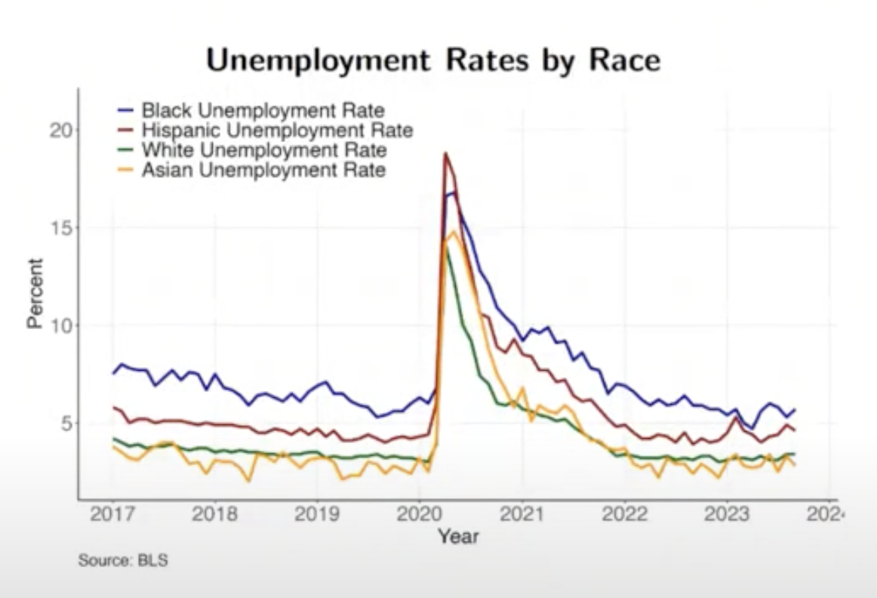
2020 | 3.1 | 3.0 | 3.5 | 12.8 | 10.7 | 9.1 | 8.5 | 6.7 | 6.1 | 5.1 | 5.1 | 5.1
2021 | 5.4 | 5.2 | 4.9 | 4.4 | 4.3 | 4.9 | 4.6 | 4.2 | 3.5 | 3.2 | 3.0 | 2.7
2022 | 3.5 | 3.4 | 3.1 | 2.7 | 2.8 | 3.2 | 3.2 | 3.0 | 2.7 | 2.7 | 2.8 | 2.6
2023 | 3.1 | 2.9 | 3.0 | 2.5 | 2.8 | 3.0 | 3.1 | 3.2 | 3.0 | 2.9 | 2.7 | 2.9
2024 | 3.3 | 3.3 | 3.2 | 2.9 | 2.9 | 3.3 | 3.7 | 3.5 | 3.1 | 3.1 | 3.2 | 3.0
2025 | 3.6 | 3.8 | 3.5 | 3.2

Black Unemployment Rate

Year | Jan | Feb | Mar | Apr | May | Jun | Jul | Aug | Sep | Oct | Nov | Dec
2016 | 9.2 | 8.8 | 9.2 | 8.4 | 8.0 | 8.8 | 8.9 | 8.4 | 8.2 | 8.5 | 7.8 | 7.5
2017 | 7.8 | 8.3 | 8.2 | 7.3 | 7.4 | 7.2 | 7.9 | 8.0 | 7.1 | 7.7 | 7.2 | 6.4
2018 | 8.1 | 7.1 | 6.8 | 6.1 | 5.6 | 6.6 | 7.1 | 6.6 | 5.9 | 6.4 | 5.8 | 6.2
2019 | 7.4 | 7.3 | 6.7 | 6.2 | 5.9 | 6.1 | 6.3 | 5.7 | 5.2 | 5.5 | 5.4 | 5.7
2020 | 6.6 | 6.2 | 7.1 | 16.2 | 16.6 | 15.2 | 15.1 | 13.2 | 11.5 | 10.4 | 9.8 | 9.3
2021 | 9.8 | 10.3 | 9.6 | 9.2 | 8.9 | 9.4 | 9.0 | 9.2 | 7.4 | 7.7 | 6.2 | 6.6
2022 | 7.2 | 7.0 | 6.3 | 5.7 | 5.9 | 6.1 | 6.3 | 6.6 | 5.5 | 5.9 | 5.5 | 5.3
2023 | 5.6 | 5.9 | 5.2 | 4.4 | 5.7 | 6.4 | 6.3 | 5.6 | 5.5 | 5.8 | 5.5 | 4.7
2024 | 5.4 | 5.9 | 6.6 | 5.2 | 6.3 | 6.9 | 7.0 | 6.7 | 5.6 | 5.9 | 5.9 | 5.5
2025 | 6.4 | 6.0 | 6.0 | 5.8

Asian Unemployment Rate

Year | Jan | Feb | Mar | Apr | May | Jun | Jul | Aug | Sep | Oct | Nov | Dec
2016 | 3.7 | 3.9 | 3.9 | 3.6 | 3.8 | 3.6 | 4.1 | 4.2 | 3.8 | 3.3 | 3.1 | 2.6
2017 | 3.8 | 3.5 | 3.1 | 3.1 | 3.3 | 3.8 | 4.0 | 3.8 | 3.5 | 2.8 | 3.1 | 2.3
2018 | 3.2 | 3.1 | 2.9 | 2.7 | 2.0 | 3.3 | 3.3 | 3.0 | 3.3 | 3.0 | 2.7 | 3.2
2019 | 3.1 | 3.3 | 3.0 | 2.1 | 2.4 | 2.3 | 2.9 | 3.0 | 2.5 | 2.7 | 2.5 | 2.4
2020 | 3.2 | 2.5 | 4.1 | 14.2 | 14.9 | 14.0 | 12.4 | 10.6 | 8.8 | 7.1 | 6.2 | 5.7
2021 | 6.9 | 5.2 | 5.7 | 5.5 | 5.4 | 5.9 | 5.4 | 4.5 | 4.2 | 4.3 | 3.8 | 3.5
2022 | 3.8 | 2.9 | 2.6 | 2.9 | 2.2 | 3.2 | 2.9 | 2.9 | 2.4 | 2.9 | 2.6 | 2.1
2023 | 2.8 | 3.2 | 2.4 | 2.7 | 2.9 | 3.3 | 2.4 | 3.2 | 2.7 | 3.0 | 3.5 | 2.8
2024 | 3.0 | 3.5 | 2.6 | 2.5 | 2.7 | 4.4 | 3.8 | 4.0 | 3.9 | 4.0 | 3.8 | 3.2
2025 | 3.6 | 3.2 | 3.4 | 2.8

Hispanic Unemployment Rate

Year | Jan | Feb | Mar | Apr | May | Jun | Jul | Aug | Sep | Oct | Nov | Dec
2015 | 6.7 | 6.8 | 6.8 | 6.8 | 6.8 | 6.7 | 6.9 | 6.6 | 6.2 | 6.3 | 6.4 | 6.2
2016 | 5.9 | 5.5 | 5.6 | 6.2 | 5.7 | 6.0 | 5.4 | 5.6 | 6.2 | 5.7 | 5.6 | 5.8
2017 | 5.8 | 5.6 | 5.0 | 5.2 | 5.2 | 5.0 | 5.1 | 5.1 | 5.1 | 5.0 | 4.9 | 5.0
2018 | 4.9 | 4.9 | 4.9 | 4.8 | 4.8 | 4.5 | 4.5 | 4.7 | 4.6 | 4.4 | 4.7 | 4.4
2019 | 4.8 | 4.2 | 4.7 | 4.2 | 4.2 | 4.3 | 4.5 | 4.1 | 3.9 | 4.1 | 4.3 | 4.2
2020 | 4.3 | 4.4 | 6.1 | 18.9 | 17.6 | 14.5 | 12.8 | 10.4 | 10.2 | 8.8 | 8.5 | 9.3
2021 | 8.5 | 8.5 | 8.0 | 7.9 | 7.2 | 7.3 | 6.4 | 6.0 | 6.2 | 5.7 | 5.0 | 4.6
2022 | 4.7 | 4.4 | 4.2 | 4.2 | 4.4 | 4.3 | 4.0 | 4.5 | 3.9 | 4.2 | 4.0 | 4.2
2023 | 4.6 | 5.5 | 4.7 | 4.4 | 4.0 | 4.3 | 4.4 | 4.8 | 4.6 | 4.8 | 4.5 | 5.0
2024 | 5.0 | 5.1 | 4.5 | 4.8 | 5.0 | 4.9 | 5.3 | 5.4 | 5.1 | 5.1 | 5.3 | 5.1
2025 | 4.8 | 5.2 | 5.1 | 5.2

Nonfarm Payroll Gains
 | Nonfarm Payroll Gains - 12 month Net Change
1/1/17 | 1.66543
4/1/17 | 1.67538
7/1/17 | 1.50847
10/1/17 | 1.46652
1/1/18 | 1.4971
4/1/18 | 1.59039
7/1/18 | 1.57909
10/1/18 | 1.56228
1/1/19 | 1.44709
4/1/19 | 1.32968
7/1/19 | 1.29899
10/1/19 | 1.32999
1/1/20 | 1.06545
4/1/20 | -11.26372
7/1/20 | -6.97463
10/1/20 | -5.9753
1/1/21 | -5.41213
4/1/21 | 8.55971
7/1/21 | 4.71098
10/1/21 | 4.63272
1/1/22 | 5.02716
4/1/22 | 4.69032
7/1/22 | 4.10466
10/1/22 | 3.32986
1/1/23 | 2.83265
4/1/23 | 2.40757
7/1/23 | 1.8878
10/1/23 | 1.65463
1/1/24 | 1.46225
4/1/24 | 1.39353
7/1/24 | 1.25115
10/1/24 | 1.23545
1/1/25 | 1.1966
observation_date | Nonfarm Payroll Gains - 12 month Net Change
2017-01-01 | 1.66543 | Nonfarm Payroll Gains - Quarterly - Percent Change - 12 month Net Change | https://fred.stlouisfed.org/series/PAYEMS#
2017-04-01 | 1.67538
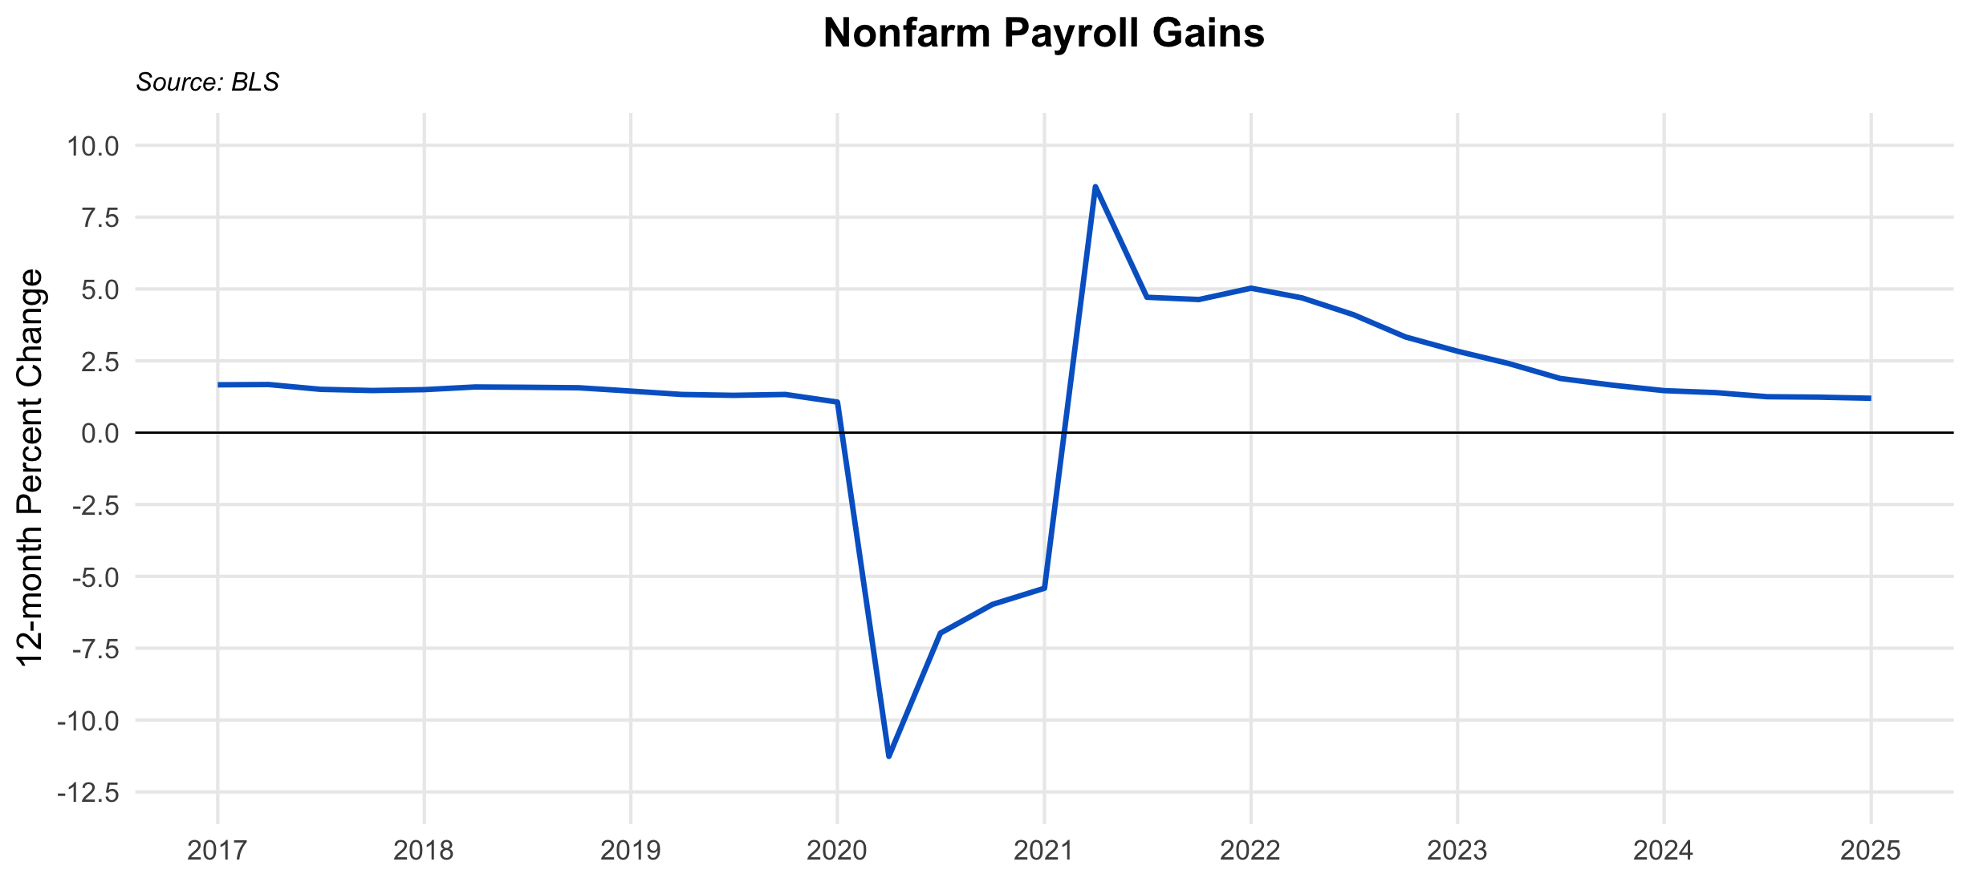
2017-07-01 | 1.50847
2017-10-01 | 1.46652
2018-01-01 | 1.4971
2018-04-01 | 1.59039
2018-07-01 | 1.57909
2018-10-01 | 1.56228
2019-01-01 | 1.44709
2019-04-01 | 1.32968
2019-07-01 | 1.29899
2019-10-01 | 1.32999
2020-01-01 | 1.06545
2020-04-01 | -11.26372
2020-07-01 | -6.97463
2020-10-01 | -5.9753
2021-01-01 | -5.41213
2021-04-01 | 8.55971
2021-07-01 | 4.71098
2021-10-01 | 4.63272
2022-01-01 | 5.02716
2022-04-01 | 4.69032
2022-07-01 | 4.10466
2022-10-01 | 3.32986
2023-01-01 | 2.83265
2023-04-01 | 2.40757
2023-07-01 | 1.8878
2023-10-01 | 1.65463
2024-01-01 | 1.46225
2024-04-01 | 1.39353
2024-07-01 | 1.25115
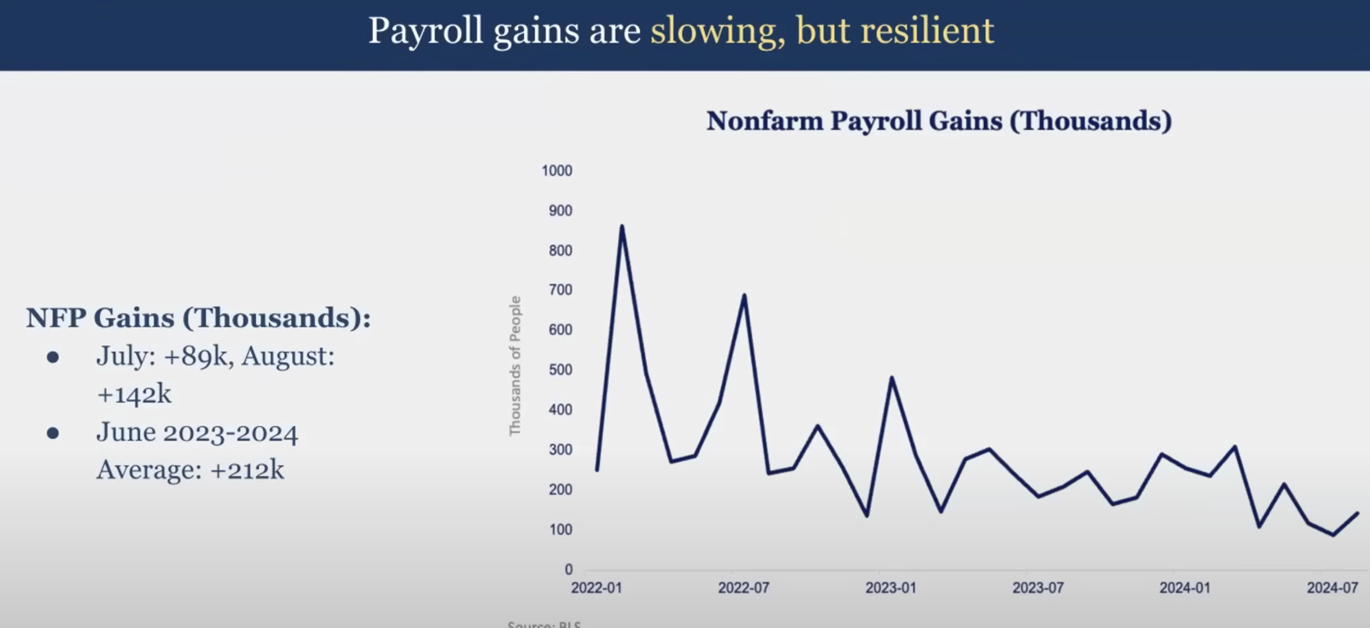
2024-10-01 | 1.23545
2025-01-01 | 1.1966

NPG - Change YoY
observation_date | NPG YoY
2014-01-01 | 2304
2014-02-01 | 2167
2014-03-01 | 2296
2014-04-01 | 2424
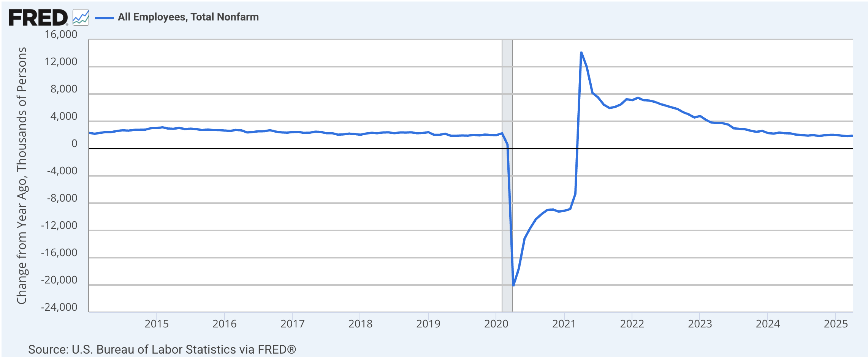
2014-05-01 | 2417
2014-06-01 | 2570
2014-07-01 | 2682
2014-08-01 | 2623
2014-09-01 | 2742
2014-10-01 | 2756
2014-11-01 | 2774
2014-12-01 | 2991
2015-01-01 | 3007
2015-02-01 | 3115
2015-03-01 | 2938
2015-04-01 | 2899
2015-05-01 | 3026
2015-06-01 | 2860
2015-07-01 | 2918
2015-08-01 | 2856
2015-09-01 | 2712
2015-10-01 | 2782
2015-11-01 | 2718
2015-12-01 | 2713
2016-01-01 | 2642
2016-02-01 | 2580
2016-03-01 | 2739
2016-04-01 | 2659
2016-05-01 | 2362
2016-06-01 | 2437
2016-07-01 | 2529
2016-08-01 | 2537
2016-09-01 | 2692
2016-10-01 | 2487
2016-11-01 | 2375
2016-12-01 | 2331
2017-01-01 | 2418
2017-02-01 | 2441
2017-03-01 | 2307
2017-04-01 | 2319
2017-05-01 | 2480
2017-06-01 | 2437
2017-07-01 | 2252
2017-08-01 | 2257
2017-09-01 | 2040
2017-10-01 | 2084
2017-11-01 | 2190
2017-12-01 | 2115
2018-01-01 | 2032
2018-02-01 | 2206
2018-03-01 | 2311
2018-04-01 | 2248
2018-05-01 | 2360
2018-06-01 | 2376
2018-07-01 | 2248
2018-08-01 | 2360
2018-09-01 | 2351
2018-10-01 | 2376
2018-11-01 | 2244
2018-12-01 | 2286
2019-01-01 | 2399
2019-02-01 | 2011
2019-03-01 | 2015
2019-04-01 | 2171
2019-05-01 | 1881
2019-06-01 | 1880
2019-07-01 | 1916
2019-08-01 | 1892
2019-09-01 | 2007
2019-10-01 | 1934
2019-11-01 | 2051
2019-12-01 | 1986
2020-01-01 | 1972
2020-02-01 | 2227
2020-03-01 | 600
2020-04-01 | -20169
2020-05-01 | -17581
2020-06-01 | -13168
2020-07-01 | -11681
2020-08-01 | -10352
2020-09-01 | -9595
2020-10-01 | -8999
2020-11-01 | -8937
2020-12-01 | -9247
2021-01-01 | -9118
2021-02-01 | -8870
2021-03-01 | -6649
2021-04-01 | 14187
2021-05-01 | 11992
2021-06-01 | 8157
2021-07-01 | 7504
2021-08-01 | 6427
2021-09-01 | 5942
2021-10-01 | 6108
2021-11-01 | 6475
2021-12-01 | 7233
2022-01-01 | 7093
2022-02-01 | 7453
2022-03-01 | 7100
2022-04-01 | 7040
2022-05-01 | 6860
2022-06-01 | 6525
2022-07-01 | 6290
2022-08-01 | 6040
2022-09-01 | 5801
2022-10-01 | 5344
2022-11-01 | 5004
2022-12-01 | 4555
2023-01-01 | 4774
2023-02-01 | 4211
2023-03-01 | 3825
2023-04-01 | 3736
2023-05-01 | 3722
2023-06-01 | 3518
2023-07-01 | 2970
2023-08-01 | 2890
2023-09-01 | 2821
2023-10-01 | 2607
2023-11-01 | 2451
2023-12-01 | 2594
2024-01-01 | 2269
2024-02-01 | 2185
2024-03-01 | 2346
2024-04-01 | 2248
2024-05-01 | 2214
2024-06-01 | 2044
2024-07-01 | 1984
2024-08-01 | 1898
2024-09-01 | 1980
2024-10-01 | 1838
2024-11-01 | 1958
2024-12-01 | 2012
2025-01-01 | 2004
2025-02-01 | 1884
2025-03-01 | 1823
2025-04-01 | 1882

Jobless Claims
observation_date | Jobless Claims
2024-01-06 | 199000 | https://fred.stlouisfed.org/series/ICSA
2024-01-13 | 193000
2024-01-20 | 223000
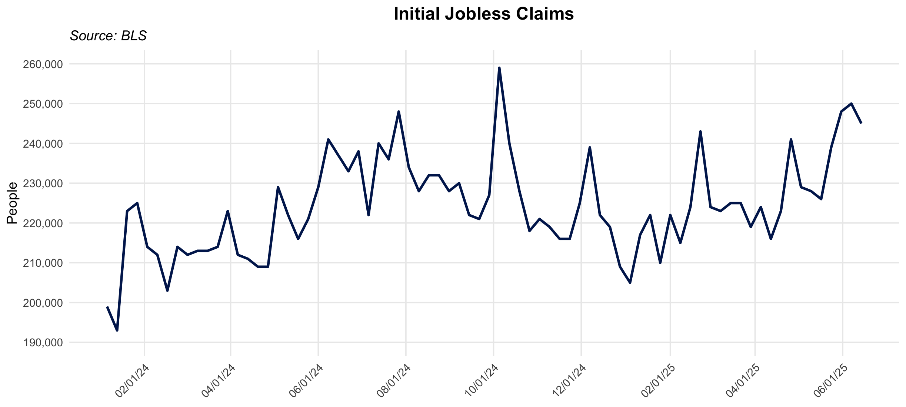
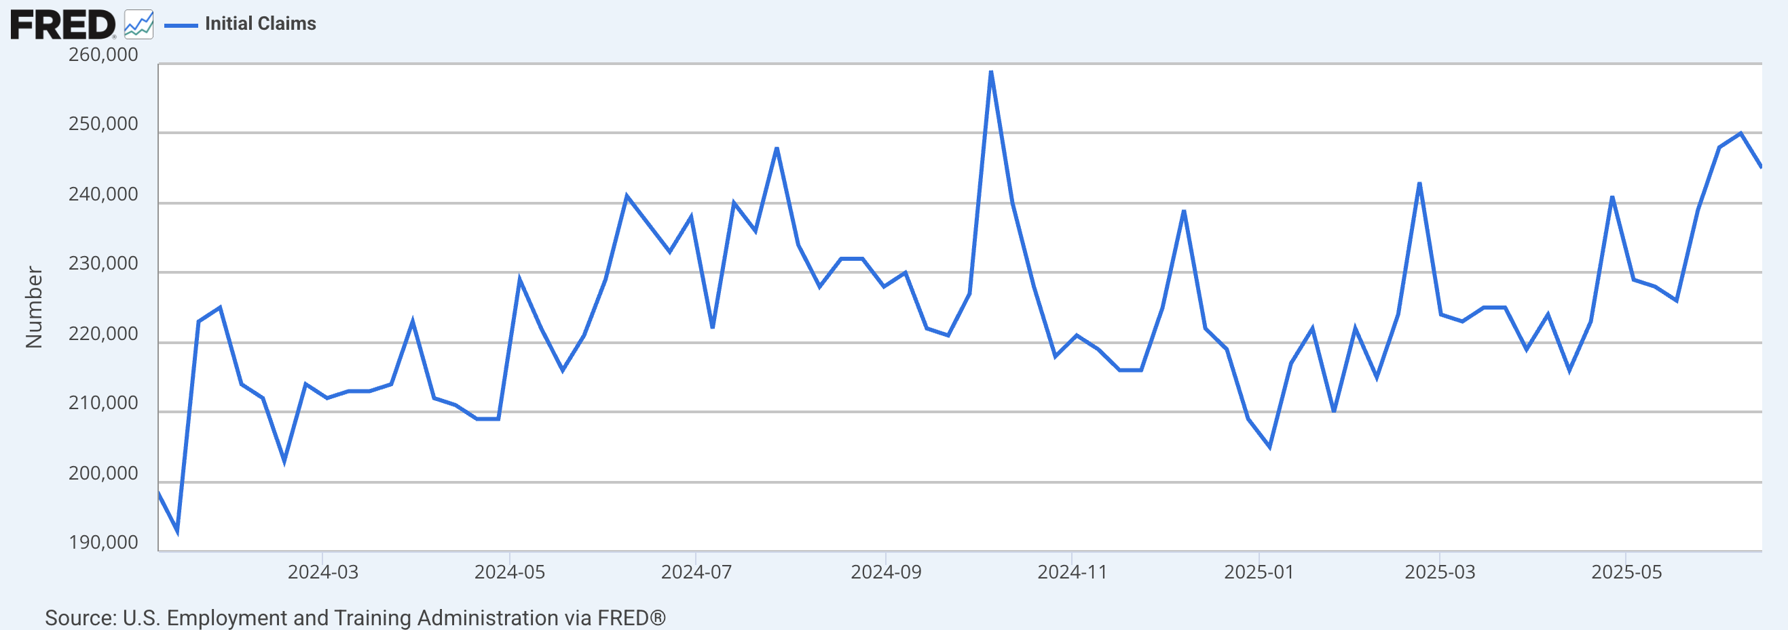
2024-01-27 | 225000
2024-02-03 | 214000
2024-02-10 | 212000
2024-02-17 | 203000
2024-02-24 | 214000
2024-03-02 | 212000
2024-03-09 | 213000
2024-03-16 | 213000
2024-03-23 | 214000
2024-03-30 | 223000
2024-04-06 | 212000
2024-04-13 | 211000
2024-04-20 | 209000
2024-04-27 | 209000
2024-05-04 | 229000
2024-05-11 | 222000
2024-05-18 | 216000
2024-05-25 | 221000
2024-06-01 | 229000
2024-06-08 | 241000
2024-06-15 | 237000
2024-06-22 | 233000
2024-06-29 | 238000
2024-07-06 | 222000
2024-07-13 | 240000
2024-07-20 | 236000
2024-07-27 | 248000
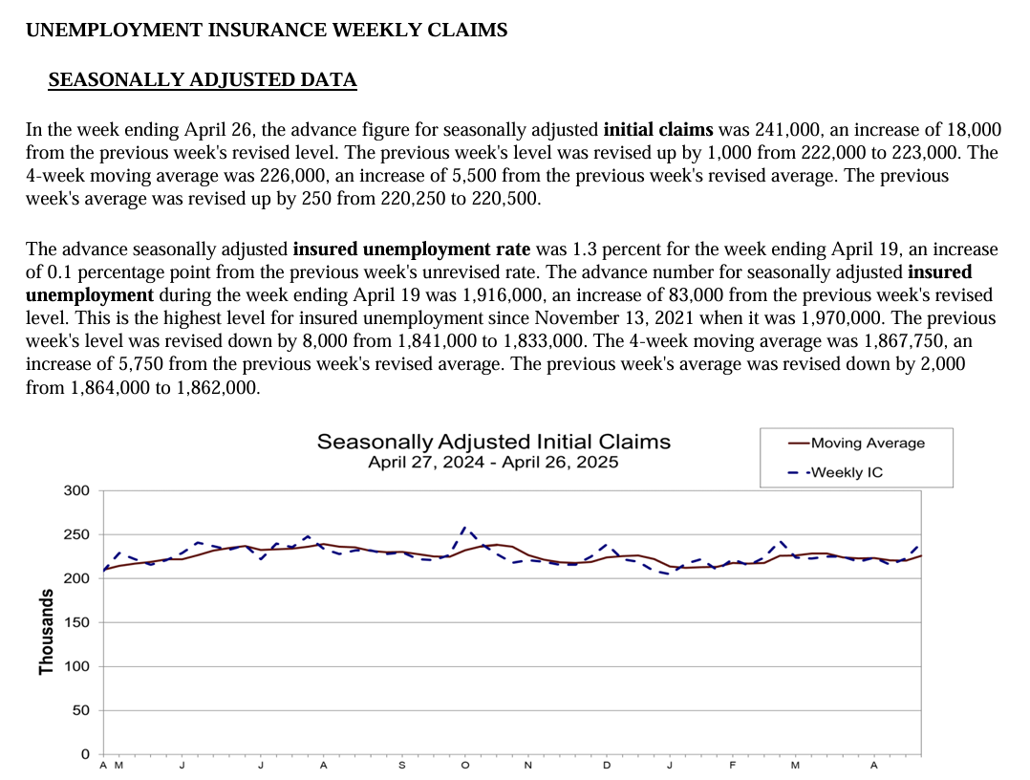
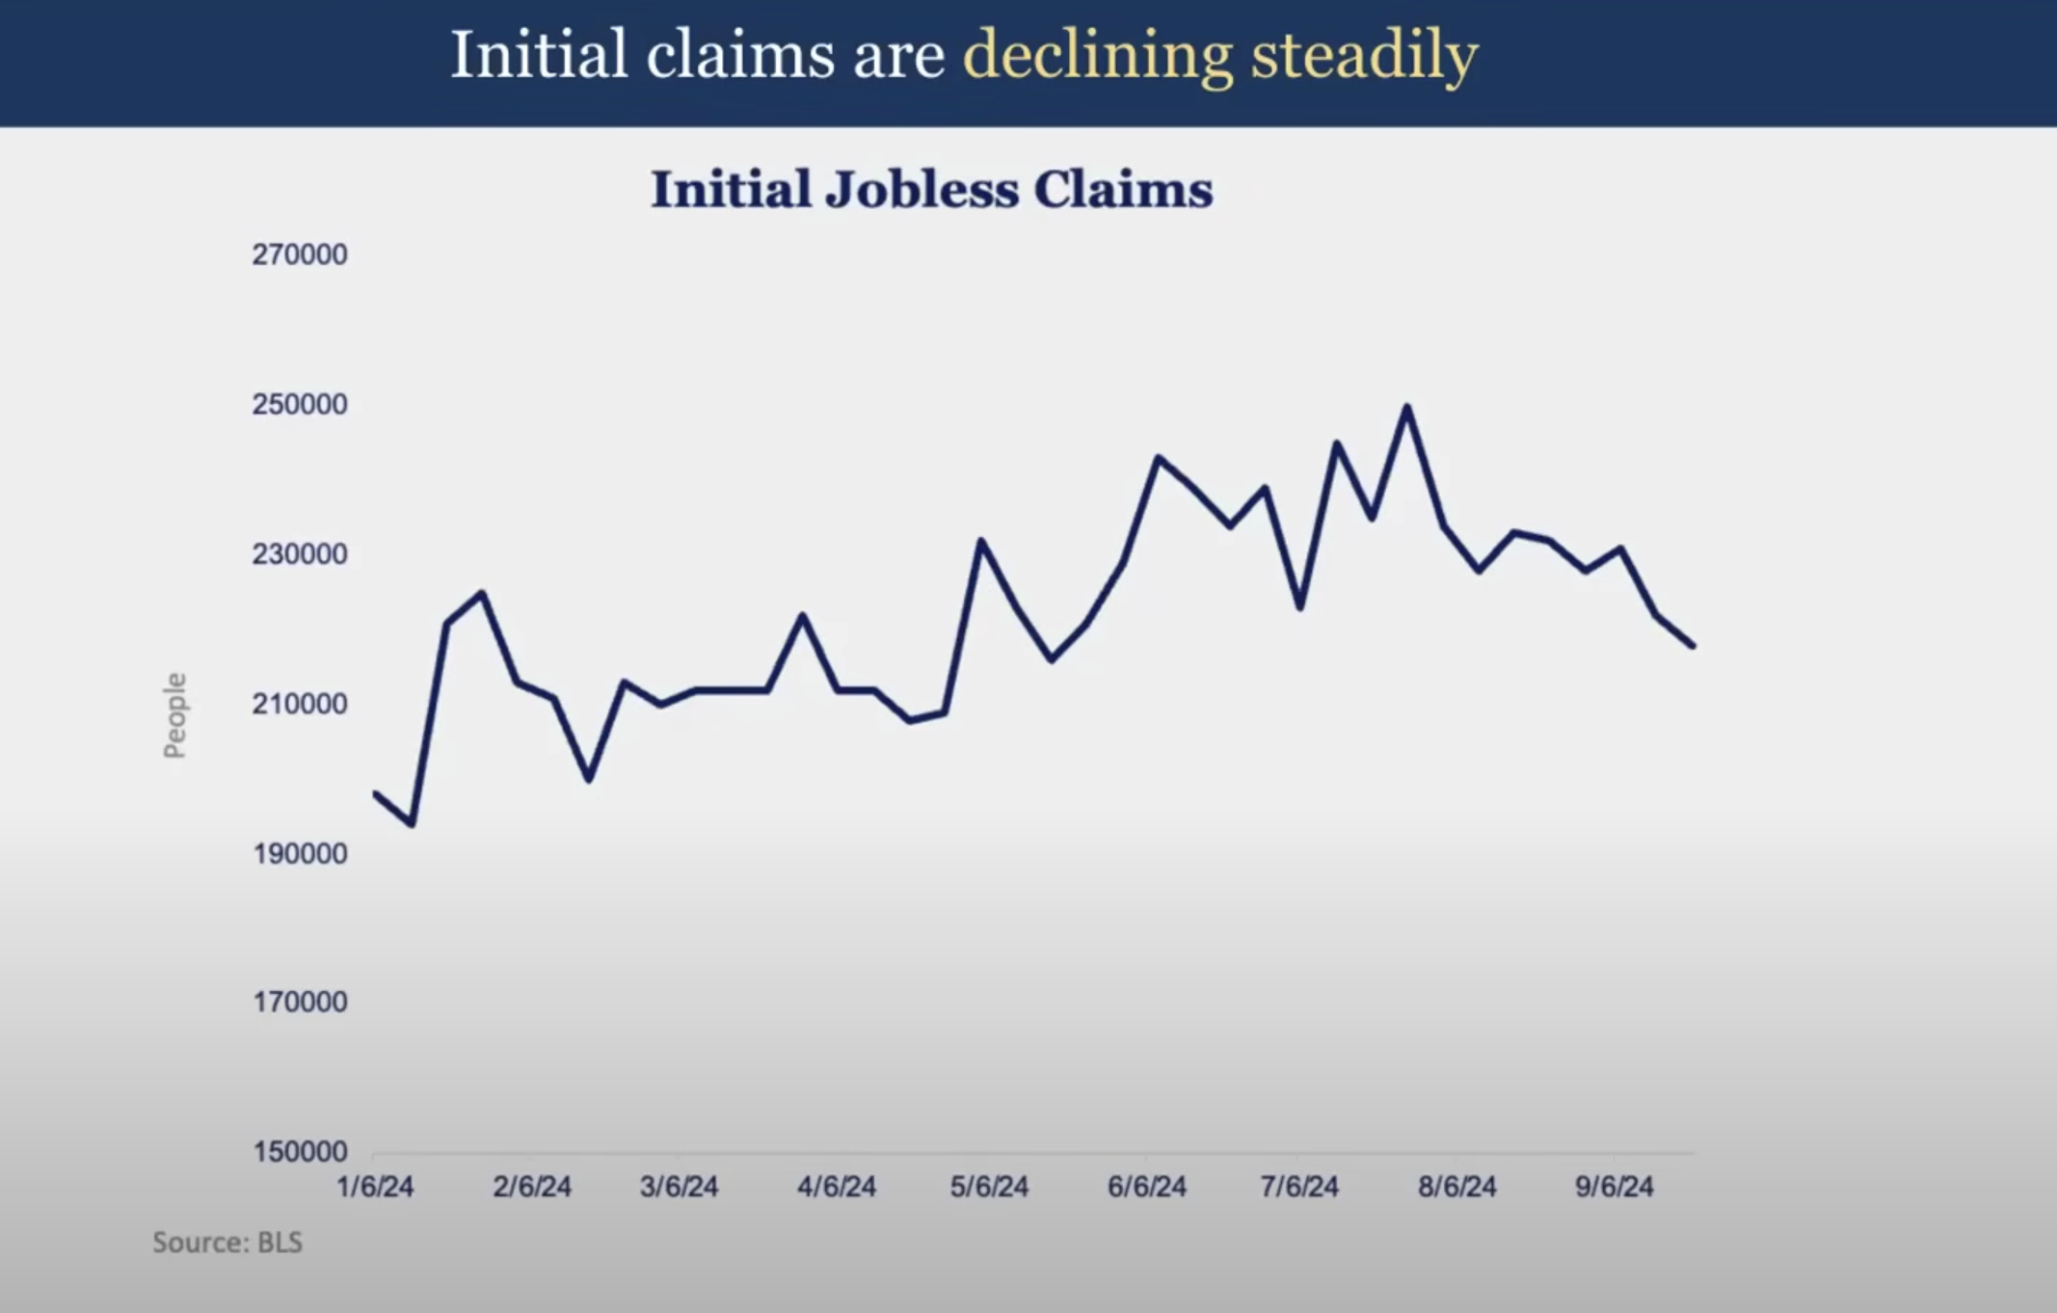
2024-08-03 | 234000
2024-08-10 | 228000
2024-08-17 | 232000
2024-08-24 | 232000
2024-08-31 | 228000
2024-09-07 | 230000
2024-09-14 | 222000
2024-09-21 | 221000
2024-09-28 | 227000
2024-10-05 | 259000
2024-10-12 | 240000
2024-10-19 | 228000
2024-10-26 | 218000
2024-11-02 | 221000
2024-11-09 | 219000
2024-11-16 | 216000
2024-11-23 | 216000
2024-11-30 | 225000
2024-12-07 | 239000
2024-12-14 | 222000
2024-12-21 | 219000
2024-12-28 | 209000
2025-01-04 | 205000
2025-01-11 | 217000
2025-01-18 | 222000
2025-01-25 | 210000
2025-02-01 | 222000
2025-02-08 | 215000
2025-02-15 | 224000
2025-02-22 | 243000
2025-03-01 | 224000
2025-03-08 | 223000
2025-03-15 | 225000
2025-03-22 | 225000
2025-03-29 | 219000
2025-04-05 | 224000
2025-04-12 | 216000
2025-04-19 | 223000
2025-04-26 | 241000
2025-05-03 | 229000
2025-05-10 | 228000
2025-05-17 | 226000
2025-05-24 | 239000
2025-05-31 | 248000
2025-06-07 | 250000
2025-06-14 | 245000

Quits & Layoffs
observation_date | Quits Rate | Layoffs & Discharges Rate
2020-12-01 | -3.384 | -1.29467 | https://fred.stlouisfed.org/series/JTSQUL#
2021-01-01 | -7.80241 | -8.35177 | Quits: Total Nonfarm
2021-02-01 | -1.94452 | -16.83726 | Layoffs and Discharges: Total Nonfarm
2021-03-01 | 24.821 | -88.54062 | Percent Change YoY
2021-04-01 | 96.3335 | -84.40567
2021-05-01 | 69.80965 | -36.79289
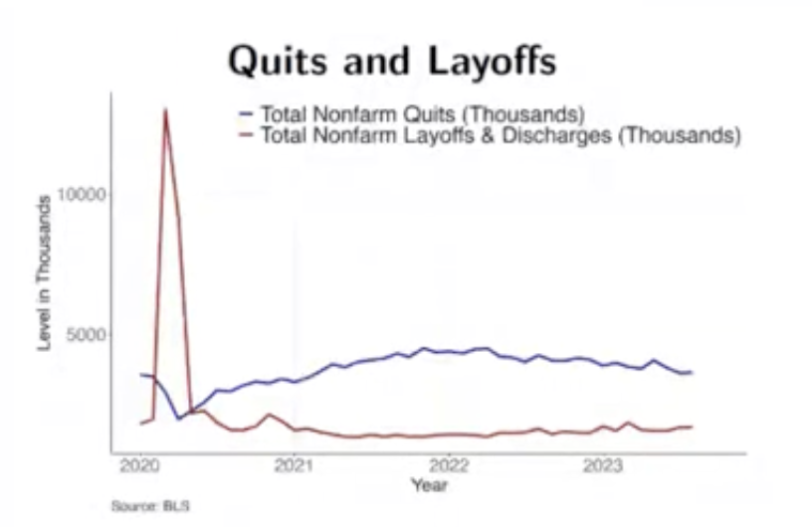
2021-06-01 | 53.62375 | -42.13808
2021-07-01 | 33.47682 | -23.91899
2021-08-01 | 40.6346 | -14.23077
2021-09-01 | 35.63579 | -8.87045
2021-10-01 | 24.76593 | -24.27814
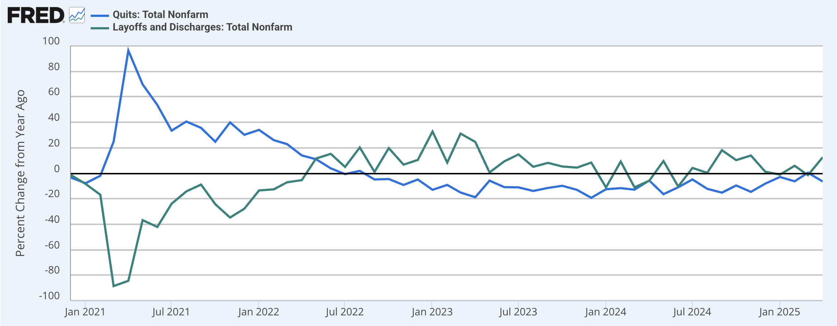
2021-11-01 | 39.95014 | -34.76395
2021-12-01 | 30.21668 | -27.80693
2022-01-01 | 34.06393 | -13.45806
2022-02-01 | 26.01341 | -12.61538
2022-03-01 | 22.88992 | -7.05645
2022-04-01 | 14.01893 | -5.38462
2022-05-01 | 11.02711 | 11.61243
2022-06-01 | 3.86449 | 15.24249
2022-07-01 | -0.645 | 4.96403
2022-08-01 | 1.89229 | 20.25411
2022-09-01 | -4.83796 | 1.05042
2022-10-01 | -4.50254 | 19.76654
2022-11-01 | -9.15164 | 6.79825
2022-12-01 | -4.87805 | 10.46512
2023-01-01 | -12.96549 | 32.77545
2023-02-01 | -9.1414 | 8.38028
2023-03-01 | -15.09224 | 31.16414
2023-04-01 | -18.80188 | 24.61197
2023-05-01 | -5.776 | 0.66269
2023-06-01 | -10.87219 | 9.35204
2023-07-01 | -11.06117 | 14.80466
2023-08-01 | -13.85714 | 5.09633
2023-09-01 | -11.50572 | 8.17741
2023-10-01 | -9.80989 | 5.32814
2023-11-01 | -13.01471 | 4.44901
2023-12-01 | -19.24275 | 8.42105
2024-01-01 | -12.52283 | -11.13445
2024-02-01 | -11.66582 | 9.22677
2024-03-01 | -12.8534 | -11.02536
2024-04-01 | -5.66455 | -5.87189
2024-05-01 | -16.39671 | 9.61159
2024-06-01 | -10.97858 | -10.38485
2024-07-01 | -4.82875 | 4.1791
2024-08-01 | -12.18905 | 0.35482
2024-09-01 | -15.20066 | 18.1294
2024-10-01 | -9.58404 | 10.30228
2024-11-01 | -14.56748 | 13.95806
2024-12-01 | -8.16024 | 1.27427
2025-01-01 | -2.89293 | -1.06383
2025-02-01 | -6.28604 | 5.88935
2025-03-01 | 0.45059 | -1.48699
2025-04-01 | -6.44405 | 12.53938

Layoffs
observation_date | Total Nonfarm Layoffs & Discharges (Thousands) | In March, the number of layoffs and discharges edged down to 1.6 million and the rate was little
2020-12-01 | 1906 | changed at 1.0 percent. Layoffs and discharges decreased in retail trade (-66,000) and in federal
2021-01-01 | 1657 | government (-11,000). Layoffs and discharges increased in state and local government, excluding
2021-02-01 | 1625 | education (+17,000).
2021-03-01 | 1488
2021-04-01 | 1430
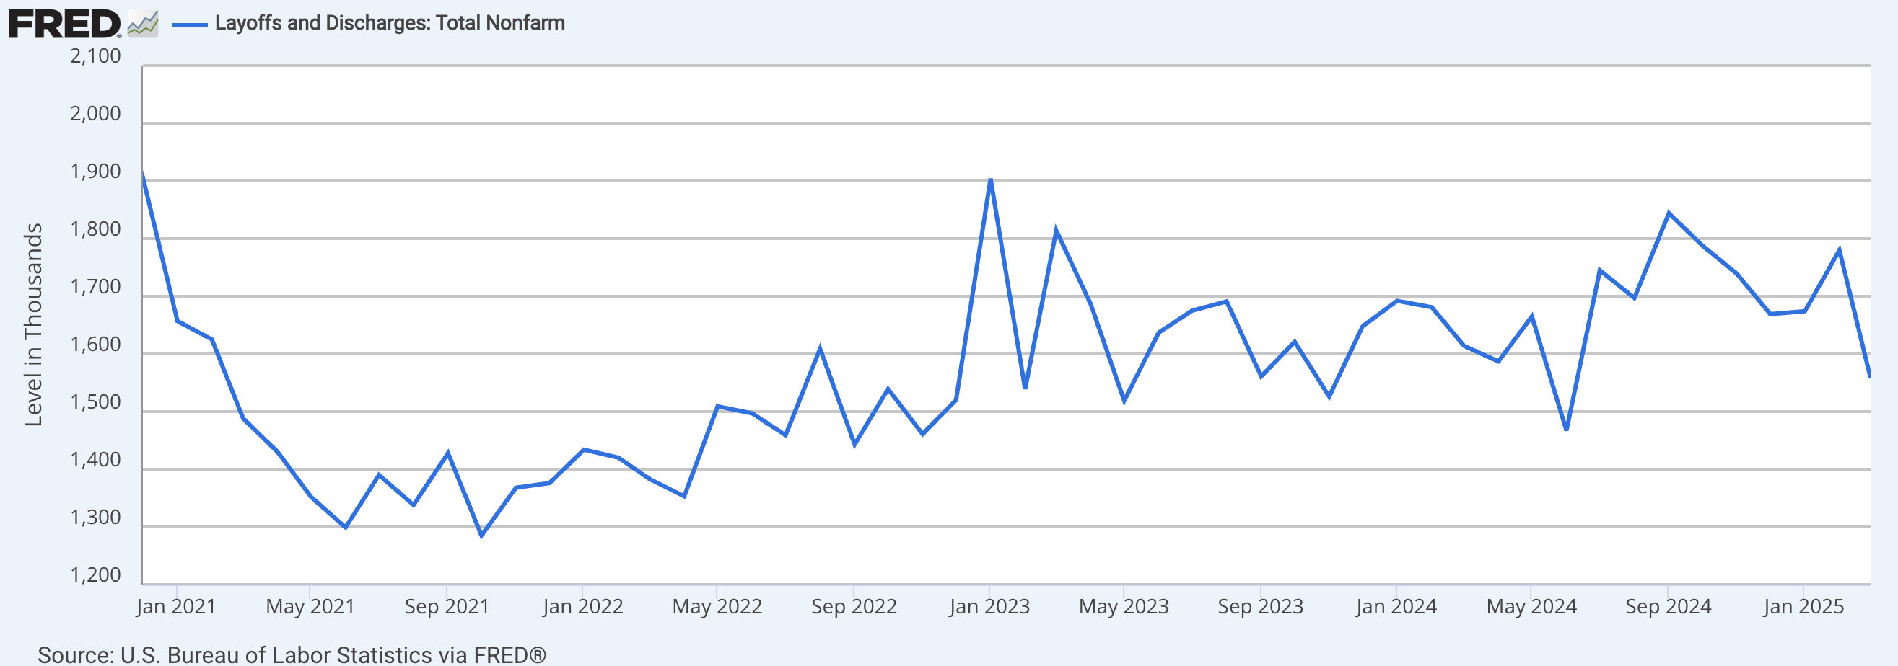
2021-05-01 | 1352
2021-06-01 | 1299
2021-07-01 | 1390
2021-08-01 | 1338
2021-09-01 | 1428
2021-10-01 | 1285
2021-11-01 | 1368
2021-12-01 | 1376
2022-01-01 | 1434
2022-02-01 | 1420
2022-03-01 | 1383
2022-04-01 | 1353
2022-05-01 | 1509
2022-06-01 | 1497
2022-07-01 | 1459
2022-08-01 | 1609
2022-09-01 | 1443
2022-10-01 | 1539
2022-11-01 | 1461
2022-12-01 | 1520
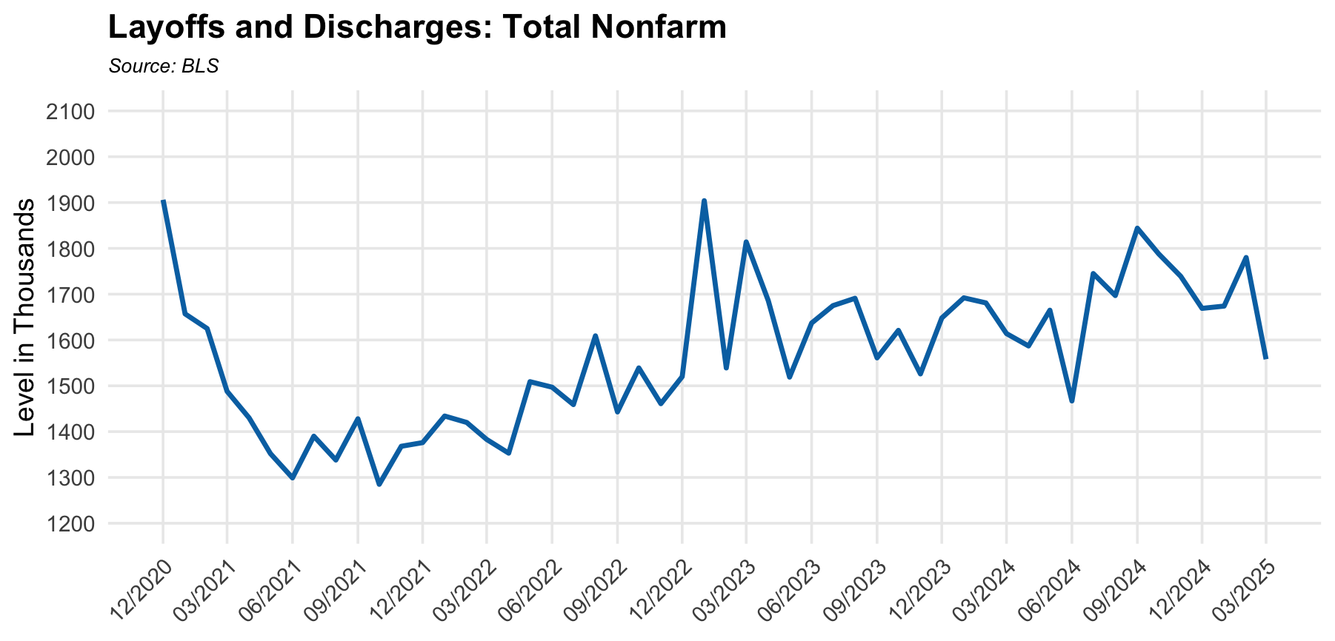
2023-01-01 | 1904
2023-02-01 | 1539
2023-03-01 | 1814
2023-04-01 | 1686
2023-05-01 | 1519
2023-06-01 | 1637
2023-07-01 | 1675
2023-08-01 | 1691
2023-09-01 | 1561
2023-10-01 | 1621
2023-11-01 | 1526
2023-12-01 | 1648
2024-01-01 | 1692
2024-02-01 | 1681
2024-03-01 | 1614
2024-04-01 | 1587
2024-05-01 | 1665
2024-06-01 | 1467
2024-07-01 | 1745
2024-08-01 | 1697
2024-09-01 | 1844
2024-10-01 | 1788
2024-11-01 | 1739
2024-12-01 | 1669
2025-01-01 | 1674
2025-02-01 | 1780
2025-03-01 | 1558

LFPR
observation_date | Prime Age LFPR (Percent Change YoY) | LFPR (Percent Change YoY)
2017-01-01 | 0.49322 | 0.15949 | LFPR | https://fred.stlouisfed.org/series/CIVPART
2017-02-01 | 0.61652 | 0.15924 | Prime Age LFPR | https://fred.stlouisfed.org/series/LNS11300060
2017-03-01 | 0.369 | -0.15873 | Both data (Percent Change YoY) | https://fred.stlouisfed.org/series/LNS11300060#
2017-04-01 | 0.61576 | 0.15898
2017-05-01 | 0.61576 | 0.15949
2017-06-01 | 0.369 | 0.15949
2017-07-01 | 0.61501 | 0.15924
2017-08-01 | 0.2457 | 0
2017-09-01 | 0.4908 | 0.31797
2017-10-01 | 0.1227 | -0.15924
2017-11-01 | 0.36855 | 0
2017-12-01 | 0.61501 | 0
2018-01-01 | 0.2454 | -0.15924
2018-02-01 | 0.61275 | 0.15898
2018-03-01 | 0.4902 | 0
2018-04-01 | 0.3672 | -0.15873
2018-05-01 | 0.2448 | 0.15924
2018-06-01 | 0.61275 | 0.31847
2018-07-01 | 0.36675 | 0.15898
2018-08-01 | 0.36765 | -0.47695
2018-09-01 | 0 | -0.47544
2018-10-01 | 0.85784 | 0.31898
2018-11-01 | 0.612 | 0.31898
2018-12-01 | 0.61125 | 0.47847
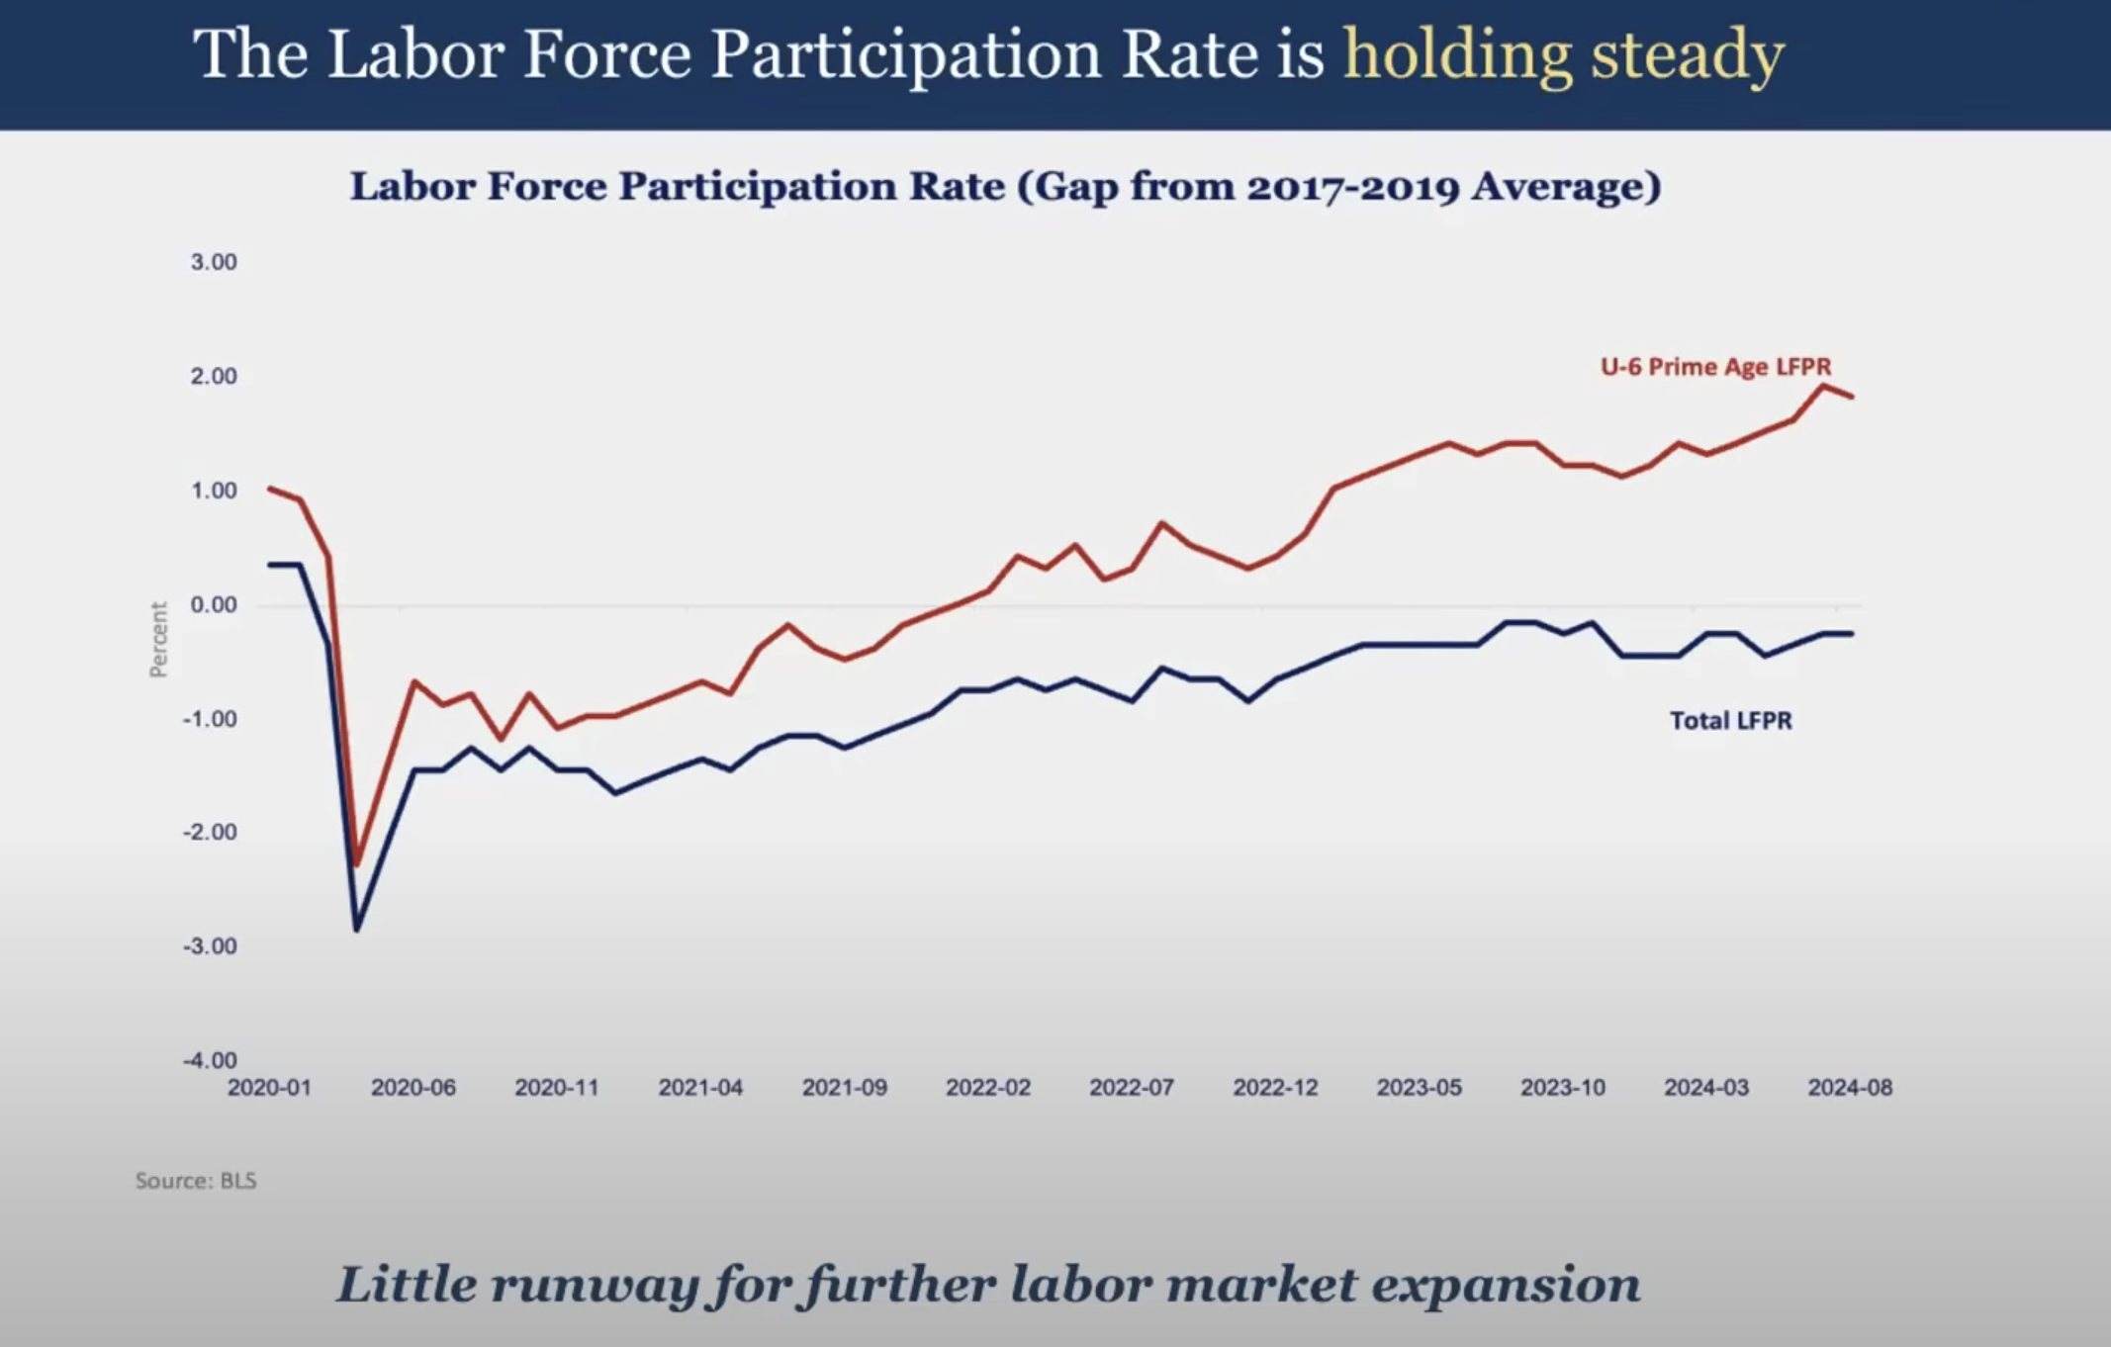
2019-01-01 | 0.97919 | 0.63796
2019-02-01 | 0.48721 | 0.15873
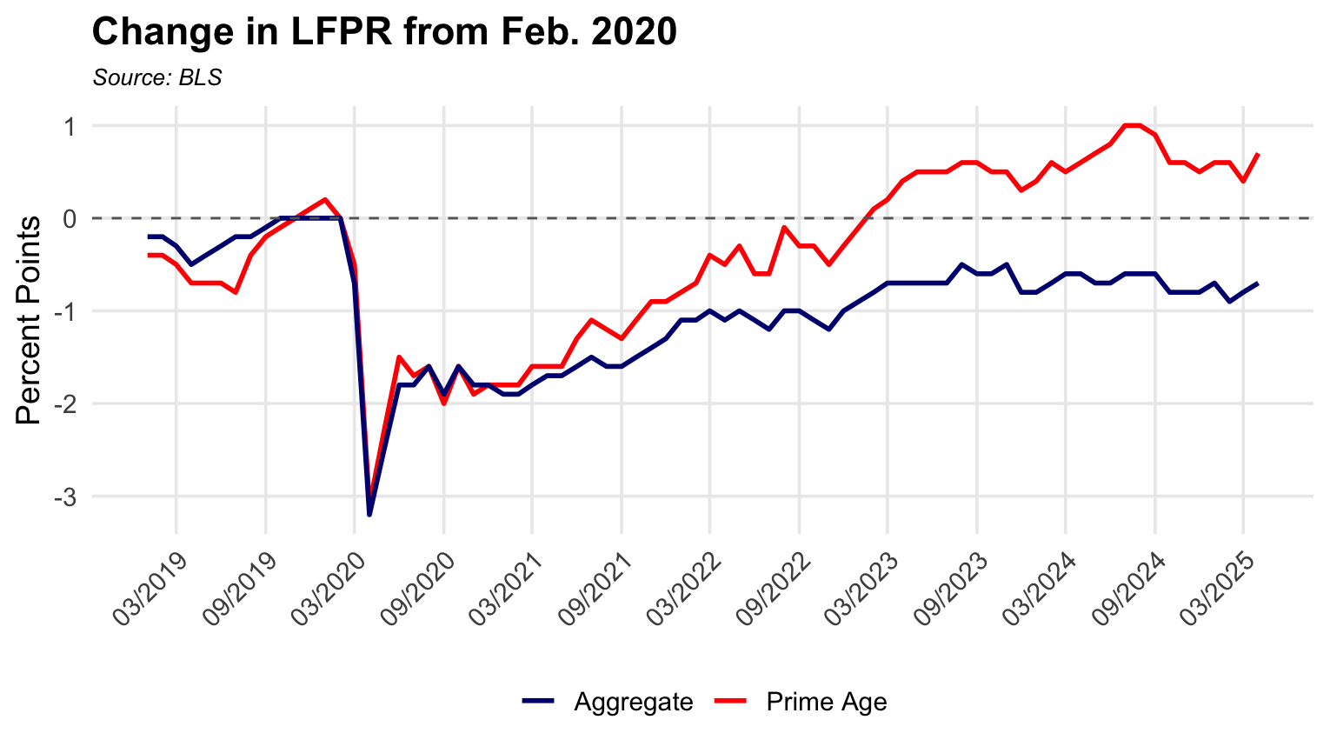
2019-03-01 | 0.4878 | 0.15898
2019-04-01 | 0.2439 | -0.15898
2019-05-01 | 0.3663 | 0
2019-06-01 | 0.1218 | 0
2019-07-01 | 0 | 0.15873
2019-08-01 | 0.7326 | 0.79872
2019-09-01 | 0.9768 | 0.63694
2019-10-01 | 0.60753 | 0.63593
2019-11-01 | 0.85158 | 0.63593
2019-12-01 | 0.85055 | 0.47619
2020-01-01 | 0.72727 | 0.31696
2020-02-01 | 0.48485 | 0.31696
2020-03-01 | 0 | -0.63492
2020-04-01 | -2.91971 | -4.29936
2020-05-01 | -1.94647 | -3.33863
2020-06-01 | -0.97324 | -2.38095
2020-07-01 | -1.09622 | -2.53566
2020-08-01 | -1.45455 | -2.2187
2020-09-01 | -2.17654 | -2.8481
2020-10-01 | -1.81159 | -2.52765
2020-11-01 | -2.29192 | -2.8436
2020-12-01 | -2.28916 | -2.8436
2021-01-01 | -2.40674 | -3.00158
2021-02-01 | -2.17129 | -3.00158
2021-03-01 | -1.33495 | -1.75719
2021-04-01 | 1.8797 | 2.49584
2021-05-01 | 0.86849 | 1.31579
2021-06-01 | 0.2457 | 0.3252
2021-07-01 | 0.73892 | 0.4878
2021-08-01 | 0.492 | 0
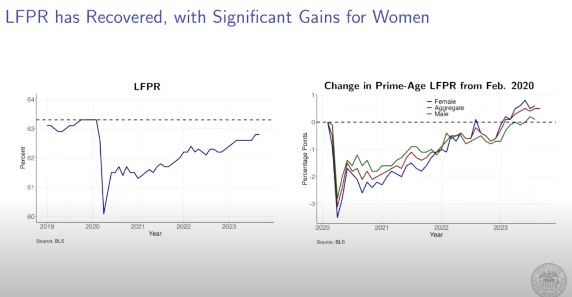
2021-09-01 | 0.86527 | 0.4886
2021-10-01 | 0.61501 | 0.16207
2021-11-01 | 1.23457 | 0.65041
2021-12-01 | 1.10974 | 0.81301
2022-01-01 | 1.23305 | 1.30293
2022-02-01 | 1.35635 | 1.30293
2022-03-01 | 1.47601 | 1.30081
2022-04-01 | 1.35301 | 0.97403
2022-05-01 | 1.59902 | 1.13636
2022-06-01 | 0.85784 | 0.81037
2022-07-01 | 0.61125 | 0.48544
2022-08-01 | 1.34639 | 0.97245
2022-09-01 | 1.22549 | 0.97245
2022-10-01 | 0.978 | 0.64725
2022-11-01 | 0.4878 | 0.3231
2022-12-01 | 0.73171 | 0.48387
2023-01-01 | 0.85262 | 0.32154
2023-02-01 | 0.97324 | 0.48232
2023-03-01 | 0.72727 | 0.48154
2023-04-01 | 1.09223 | 0.64309
2023-05-01 | 0.96852 | 0.48154
2023-06-01 | 1.33657 | 0.64309
2023-07-01 | 1.33657 | 0.80515
2023-08-01 | 0.84541 | 0.80257
2023-09-01 | 1.08959 | 0.64205
2023-10-01 | 0.96852 | 0.80386
2023-11-01 | 1.21359 | 1.12721
2023-12-01 | 0.72639 | 0.32103
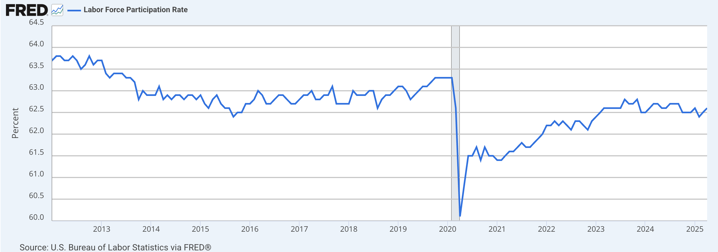
2024-01-01 | 0.60386 | 0.16026
2024-02-01 | 0.60241 | 0.16
2024-03-01 | 0.36101 | 0.15974
2024-04-01 | 0.2401 | 0.15974
2024-05-01 | 0.23981 | 0
2024-06-01 | 0.35971 | 0
2024-07-01 | 0.59952 | 0.15974
2024-08-01 | 0.47904 | -0.15924
2024-09-01 | 0.35928 | 0
2024-10-01 | 0.1199 | -0.31898
2024-11-01 | 0.1199 | -0.47771
2024-12-01 | 0.24038 | 0
2025-01-01 | 0.2401 | 0.16
2025-02-01 | 0 | -0.31949
2025-03-01 | -0.1199 | -0.31898
2025-04-01 | 0.11976 | -0.15949
2025-05-01 | -0.23923 | -0.31949

Vacancy - Indeed
observation_date | Vacancy (based 02/2020) | Indeed Job Postings (based 02/2020)
2020-12-01 | 97.23 | 94.96
2021-01-01 | 103.42 | 97.75
2021-02-01 | 111.28 | 103.23
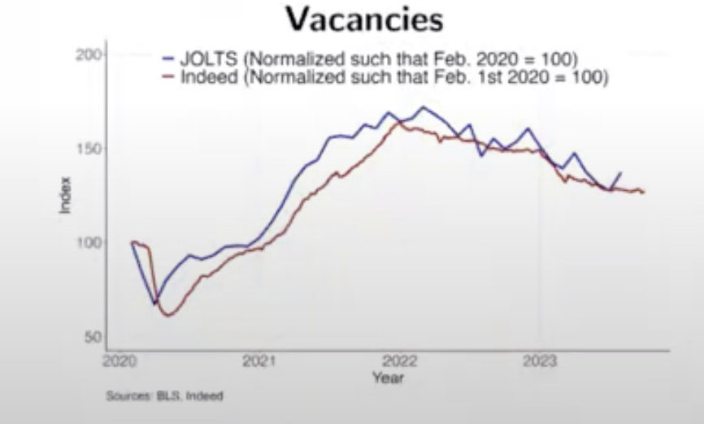
2021-03-01 | 121.59 | 110.61
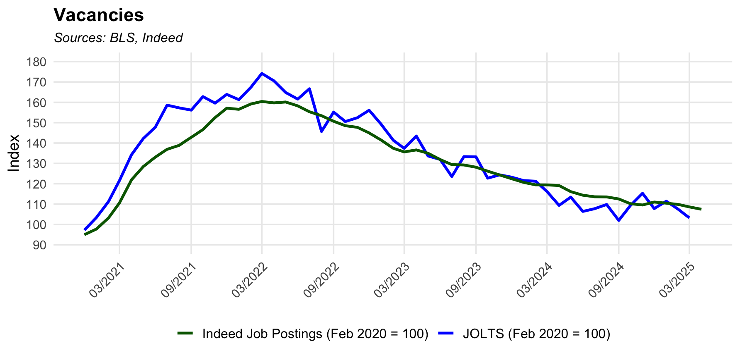
2021-04-01 | 134.31 | 121.96
2021-05-01 | 142.19 | 128.42
2021-06-01 | 147.83 | 133.09
2021-07-01 | 158.61 | 136.91
2021-08-01 | 157.28 | 138.86
2021-09-01 | 156.17 | 142.82
2021-10-01 | 162.81 | 146.59
2021-11-01 | 159.62 | 152.48
2021-12-01 | 163.90 | 157.12
2022-01-01 | 161.33 | 156.57
2022-02-01 | 167.40 | 159.20
2022-03-01 | 174.19 | 160.42
2022-04-01 | 170.56 | 159.73
2022-05-01 | 164.84 | 160.16
2022-06-01 | 161.58 | 158.27
2022-07-01 | 166.67 | 155.36
2022-08-01 | 145.68 | 153.42
2022-09-01 | 155.21 | 150.70
2022-10-01 | 150.56 | 148.51
2022-11-01 | 152.44 | 147.72
2022-12-01 | 156.13 | 144.97
2023-01-01 | 149.20 | 141.43
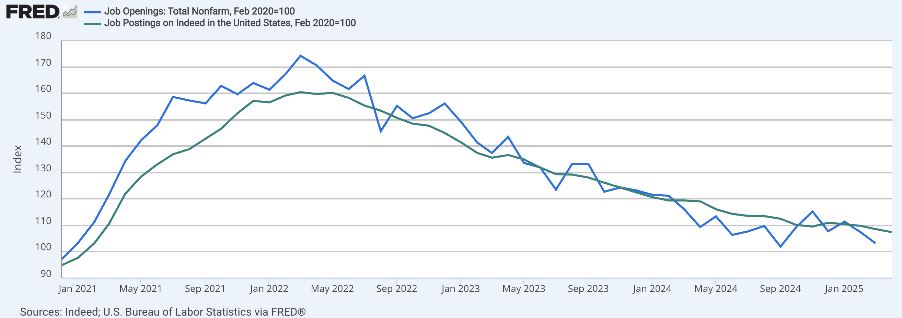
2023-02-01 | 141.34 | 137.42
2023-03-01 | 137.41 | 135.63
2023-04-01 | 143.44 | 136.62
2023-05-01 | 133.65 | 134.99
2023-06-01 | 131.94 | 131.89
2023-07-01 | 123.54 | 129.40
2023-08-01 | 133.32 | 129.22
2023-09-01 | 133.20 | 128.11
2023-10-01 | 122.74 | 126.17
2023-11-01 | 124.36 | 124.28
2023-12-01 | 123.24 | 122.50
2024-01-01 | 121.56 | 120.66
2024-02-01 | 121.23 | 119.45
2024-03-01 | 116.18 | 119.43
2024-04-01 | 109.37 | 119.11
2024-05-01 | 113.42 | 116.11
2024-06-01 | 106.40 | 114.36
2024-07-01 | 107.72 | 113.59
2024-08-01 | 109.80 | 113.52
2024-09-01 | 101.97 | 112.52
2024-10-01 | 109.32 | 110.18
2024-11-01 | 115.29 | 109.56
2024-12-01 | 107.78 | 111.00
2025-01-01 | 111.43 | 110.45
2025-02-01 | 107.38 | 109.82
2025-03-01 | 103.24 | 108.61
2025-04-01 |  | 107.46

Vacancy to Unemployment
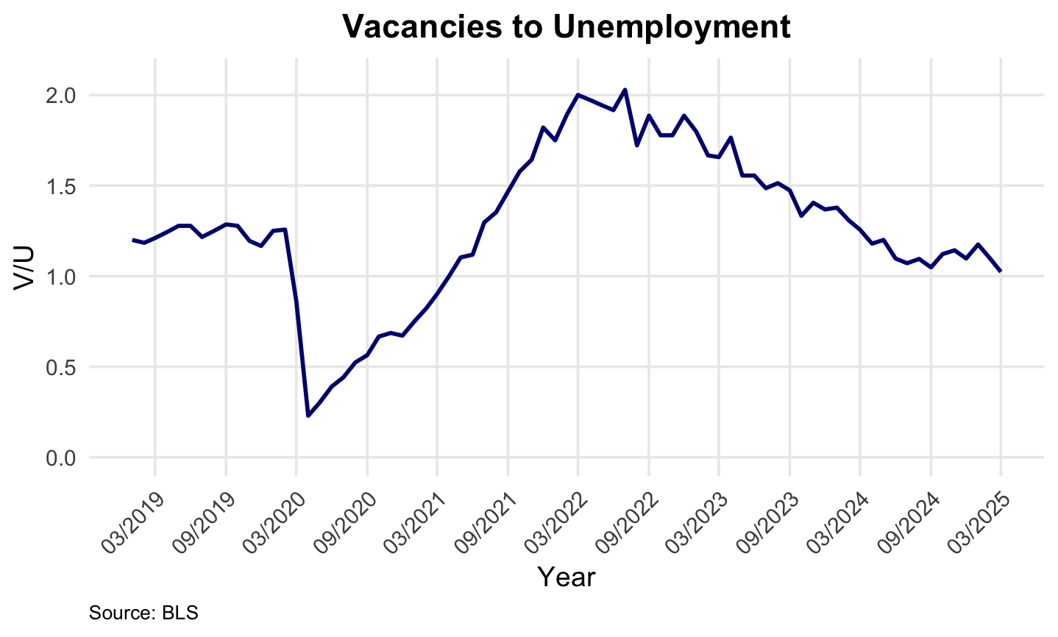
observation_date | Job openings/Vacancy | Unemployment Rate (U3) | V/U | Ln(V/U)
2019-01-01 | 4.8 | 4 | 1.20 | 0.18
2019-02-01 | 4.5 | 3.8 | 1.18 | 0.17
2019-03-01 | 4.6 | 3.8 | 1.21 | 0.19
2019-04-01 | 4.6 | 3.7 | 1.24 | 0.22
2019-05-01 | 4.6 | 3.6 | 1.28 | 0.25
2019-06-01 | 4.6 | 3.6 | 1.28 | 0.25
2019-07-01 | 4.5 | 3.7 | 1.22 | 0.20
2019-08-01 | 4.5 | 3.6 | 1.25 | 0.22
2019-09-01 | 4.5 | 3.5 | 1.29 | 0.25
2019-10-01 | 4.6 | 3.6 | 1.28 | 0.25
2019-11-01 | 4.3 | 3.6 | 1.19 | 0.18
2019-12-01 | 4.2 | 3.6 | 1.17 | 0.15
2020-01-01 | 4.5 | 3.6 | 1.25 | 0.22
2020-02-01 | 4.4 | 3.5 | 1.26 | 0.23
2020-03-01 | 3.8 | 4.4 | 0.86 | -0.15
2020-04-01 | 3.4 | 14.8 | 0.23 | -1.47
2020-05-01 | 4.0 | 13.2 | 0.30 | -1.19
2020-06-01 | 4.3 | 11 | 0.39 | -0.94
2020-07-01 | 4.5 | 10.2 | 0.44 | -0.82
2020-08-01 | 4.4 | 8.4 | 0.52 | -0.65
2020-09-01 | 4.4 | 7.8 | 0.56 | -0.57
2020-10-01 | 4.6 | 6.9 | 0.67 | -0.41
2020-11-01 | 4.6 | 6.7 | 0.69 | -0.38
2020-12-01 | 4.5 | 6.7 | 0.67 | -0.40
2021-01-01 | 4.8 | 6.4 | 0.75 | -0.29
2021-02-01 | 5.1 | 6.2 | 0.82 | -0.20
2021-03-01 | 5.5 | 6.1 | 0.90 | -0.10
2021-04-01 | 6.1 | 6.1 | 1.00 | 0.00
2021-05-01 | 6.4 | 5.8 | 1.10 | 0.10
2021-06-01 | 6.6 | 5.9 | 1.12 | 0.11
2021-07-01 | 7.0 | 5.4 | 1.30 | 0.26
2021-08-01 | 6.9 | 5.1 | 1.35 | 0.30
2021-09-01 | 6.9 | 4.7 | 1.47 | 0.38
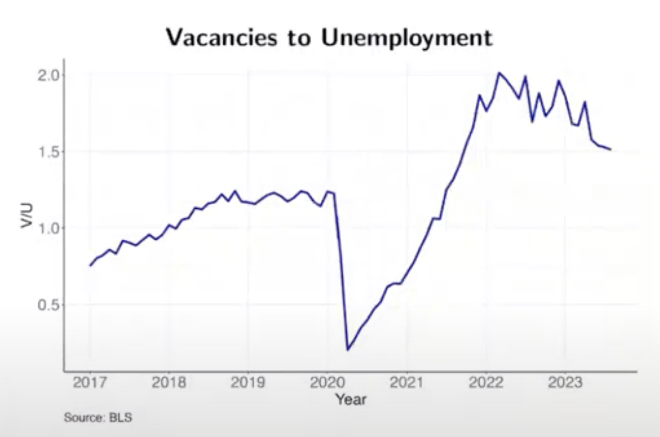
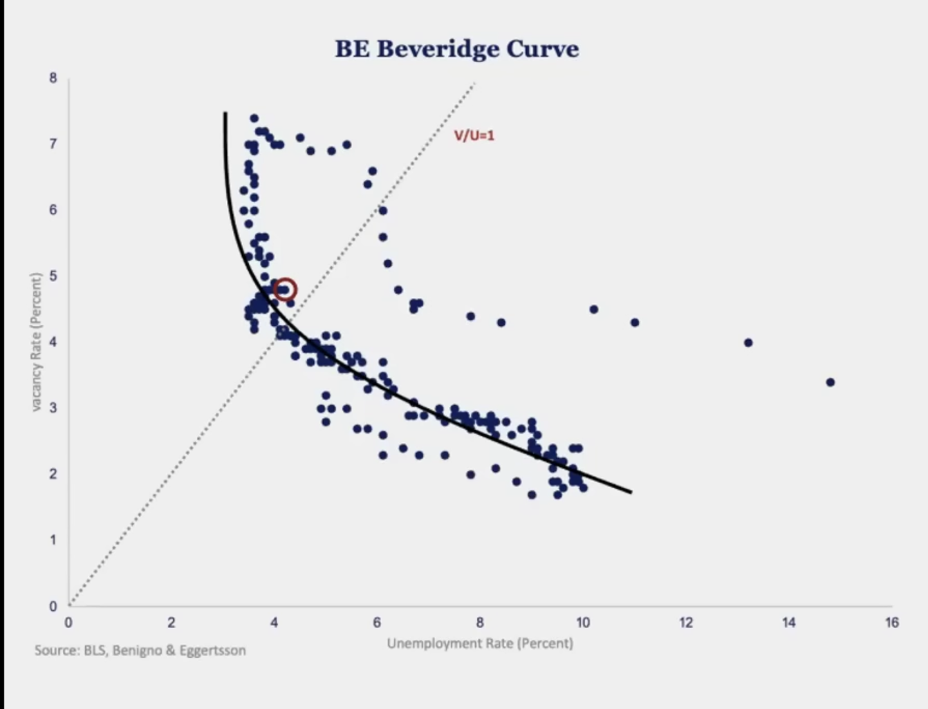
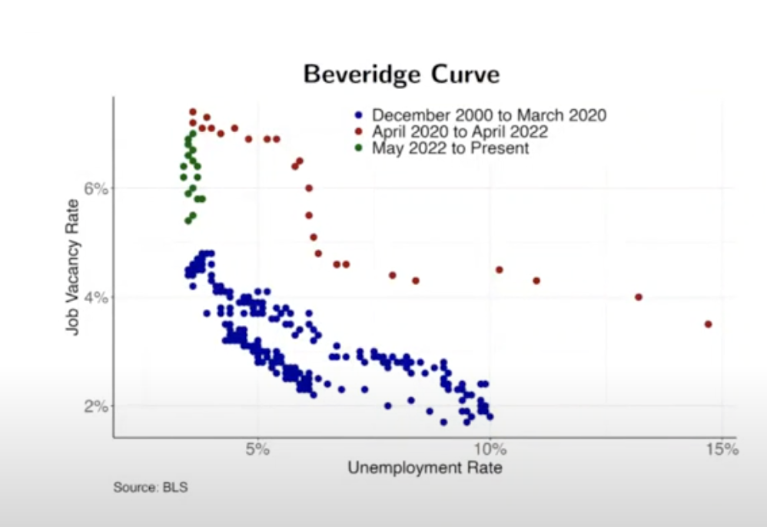
2021-10-01 | 7.1 | 4.5 | 1.58 | 0.46
2021-11-01 | 6.9 | 4.2 | 1.64 | 0.50
2021-12-01 | 7.1 | 3.9 | 1.82 | 0.60
2022-01-01 | 7.0 | 4 | 1.75 | 0.56
2022-02-01 | 7.2 | 3.8 | 1.89 | 0.64
2022-03-01 | 7.4 | 3.7 | 2.00 | 0.69
2022-04-01 | 7.3 | 3.7 | 1.97 | 0.68
2022-05-01 | 7.0 | 3.6 | 1.94 | 0.66
2022-06-01 | 6.9 | 3.6 | 1.92 | 0.65
2022-07-01 | 7.1 | 3.5 | 2.03 | 0.71
2022-08-01 | 6.2 | 3.6 | 1.72 | 0.54
2022-09-01 | 6.6 | 3.5 | 1.89 | 0.63
2022-10-01 | 6.4 | 3.6 | 1.78 | 0.58
2022-11-01 | 6.4 | 3.6 | 1.78 | 0.58
2022-12-01 | 6.6 | 3.5 | 1.89 | 0.63
2023-01-01 | 6.3 | 3.5 | 1.80 | 0.59
2023-02-01 | 6.0 | 3.6 | 1.67 | 0.51
2023-03-01 | 5.8 | 3.5 | 1.66 | 0.51
2023-04-01 | 6.0 | 3.4 | 1.76 | 0.57
2023-05-01 | 5.6 | 3.6 | 1.56 | 0.44
2023-06-01 | 5.6 | 3.6 | 1.56 | 0.44
2023-07-01 | 5.2 | 3.5 | 1.49 | 0.40
2023-08-01 | 5.6 | 3.7 | 1.51 | 0.41
2023-09-01 | 5.6 | 3.8 | 1.47 | 0.39
2023-10-01 | 5.2 | 3.9 | 1.33 | 0.29
2023-11-01 | 5.2 | 3.7 | 1.41 | 0.34
2023-12-01 | 5.2 | 3.8 | 1.37 | 0.31
2024-01-01 | 5.1 | 3.7 | 1.38 | 0.32
2024-02-01 | 5.1 | 3.9 | 1.31 | 0.27
2024-03-01 | 4.9 | 3.9 | 1.26 | 0.23
2024-04-01 | 4.6 | 3.9 | 1.18 | 0.17
2024-05-01 | 4.8 | 4 | 1.20 | 0.18
2024-06-01 | 4.5 | 4.1 | 1.10 | 0.09
2024-07-01 | 4.5 | 4.2 | 1.07 | 0.07
2024-08-01 | 4.6 | 4.2 | 1.10 | 0.09
2024-09-01 | 4.3 | 4.1 | 1.05 | 0.05
2024-10-01 | 4.6 | 4.1 | 1.12 | 0.12
2024-11-01 | 4.8 | 4.2 | 1.14 | 0.13
2024-12-01 | 4.5 | 4.1 | 1.10 | 0.09
2025-01-01 | 4.7 | 4 | 1.18 | 0.16
2025-02-01 | 4.5 | 4.1 | 1.10 | 0.09
2025-03-01 | 4.3 | 4.2 | 1.02 | 0.02

Beveridge Curve
observation_date | Vacancy | URATE
2000-12-01 | 3.7 | 3.9
2001-01-01 | 3.8 | 4.2
2001-02-01 | 3.7 | 4.2
2001-03-01 | 3.5 | 4.3
2001-04-01 | 3.4 | 4.4
2001-05-01 | 3.2 | 4.3
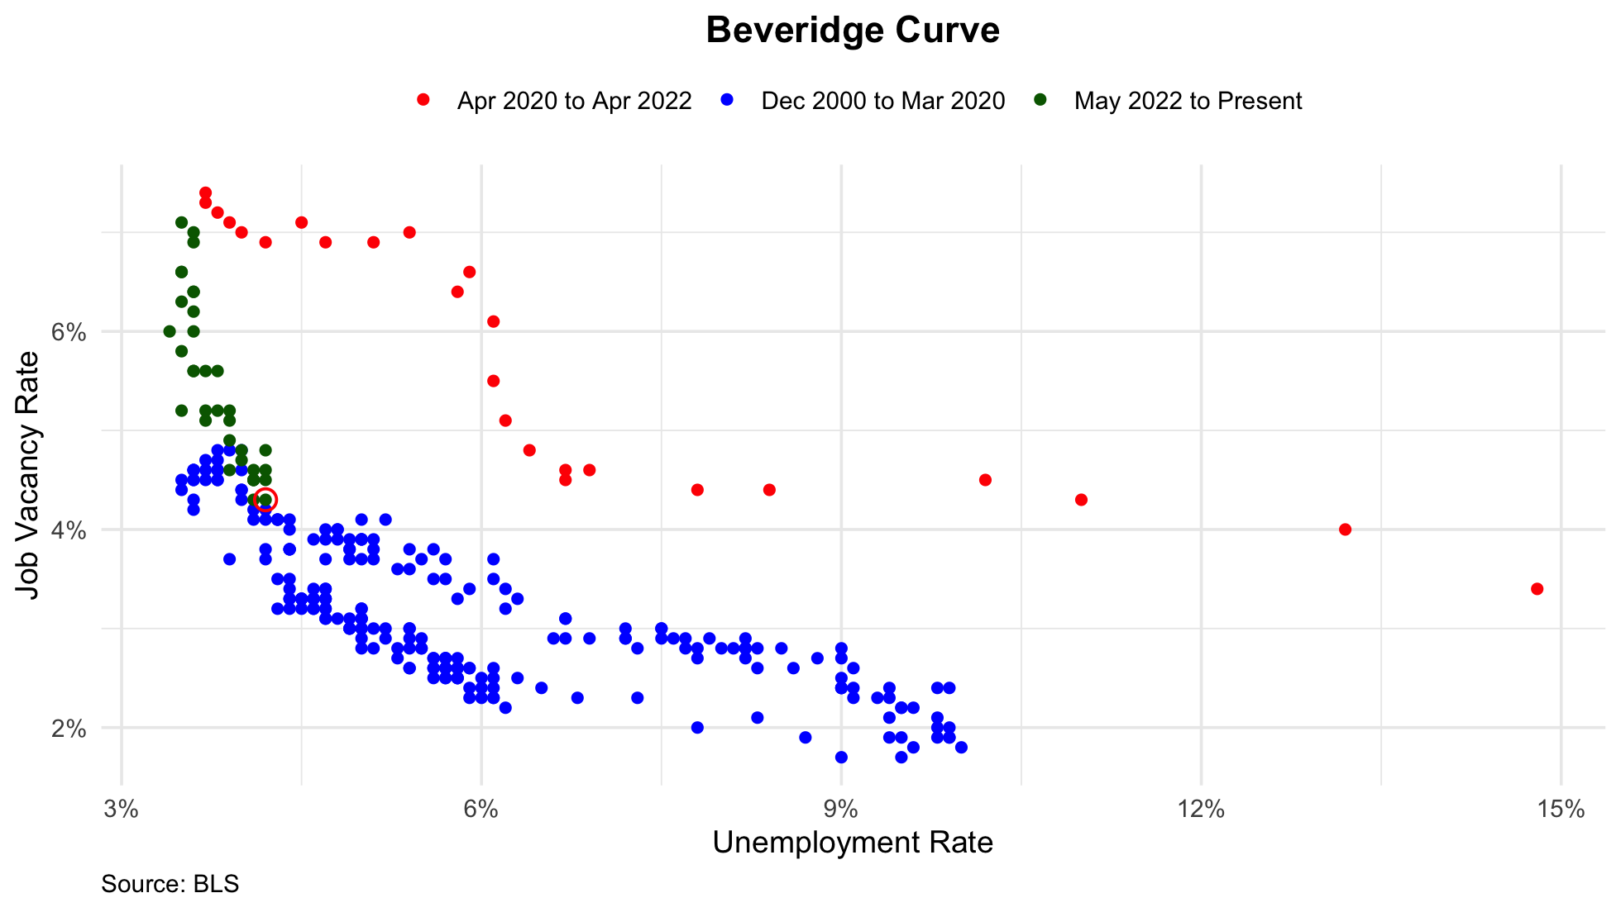
2001-06-01 | 3.2 | 4.5
2001-07-01 | 3.3 | 4.6
2001-08-01 | 3.0 | 4.9
2001-09-01 | 3.0 | 5.0
2001-10-01 | 2.7 | 5.3
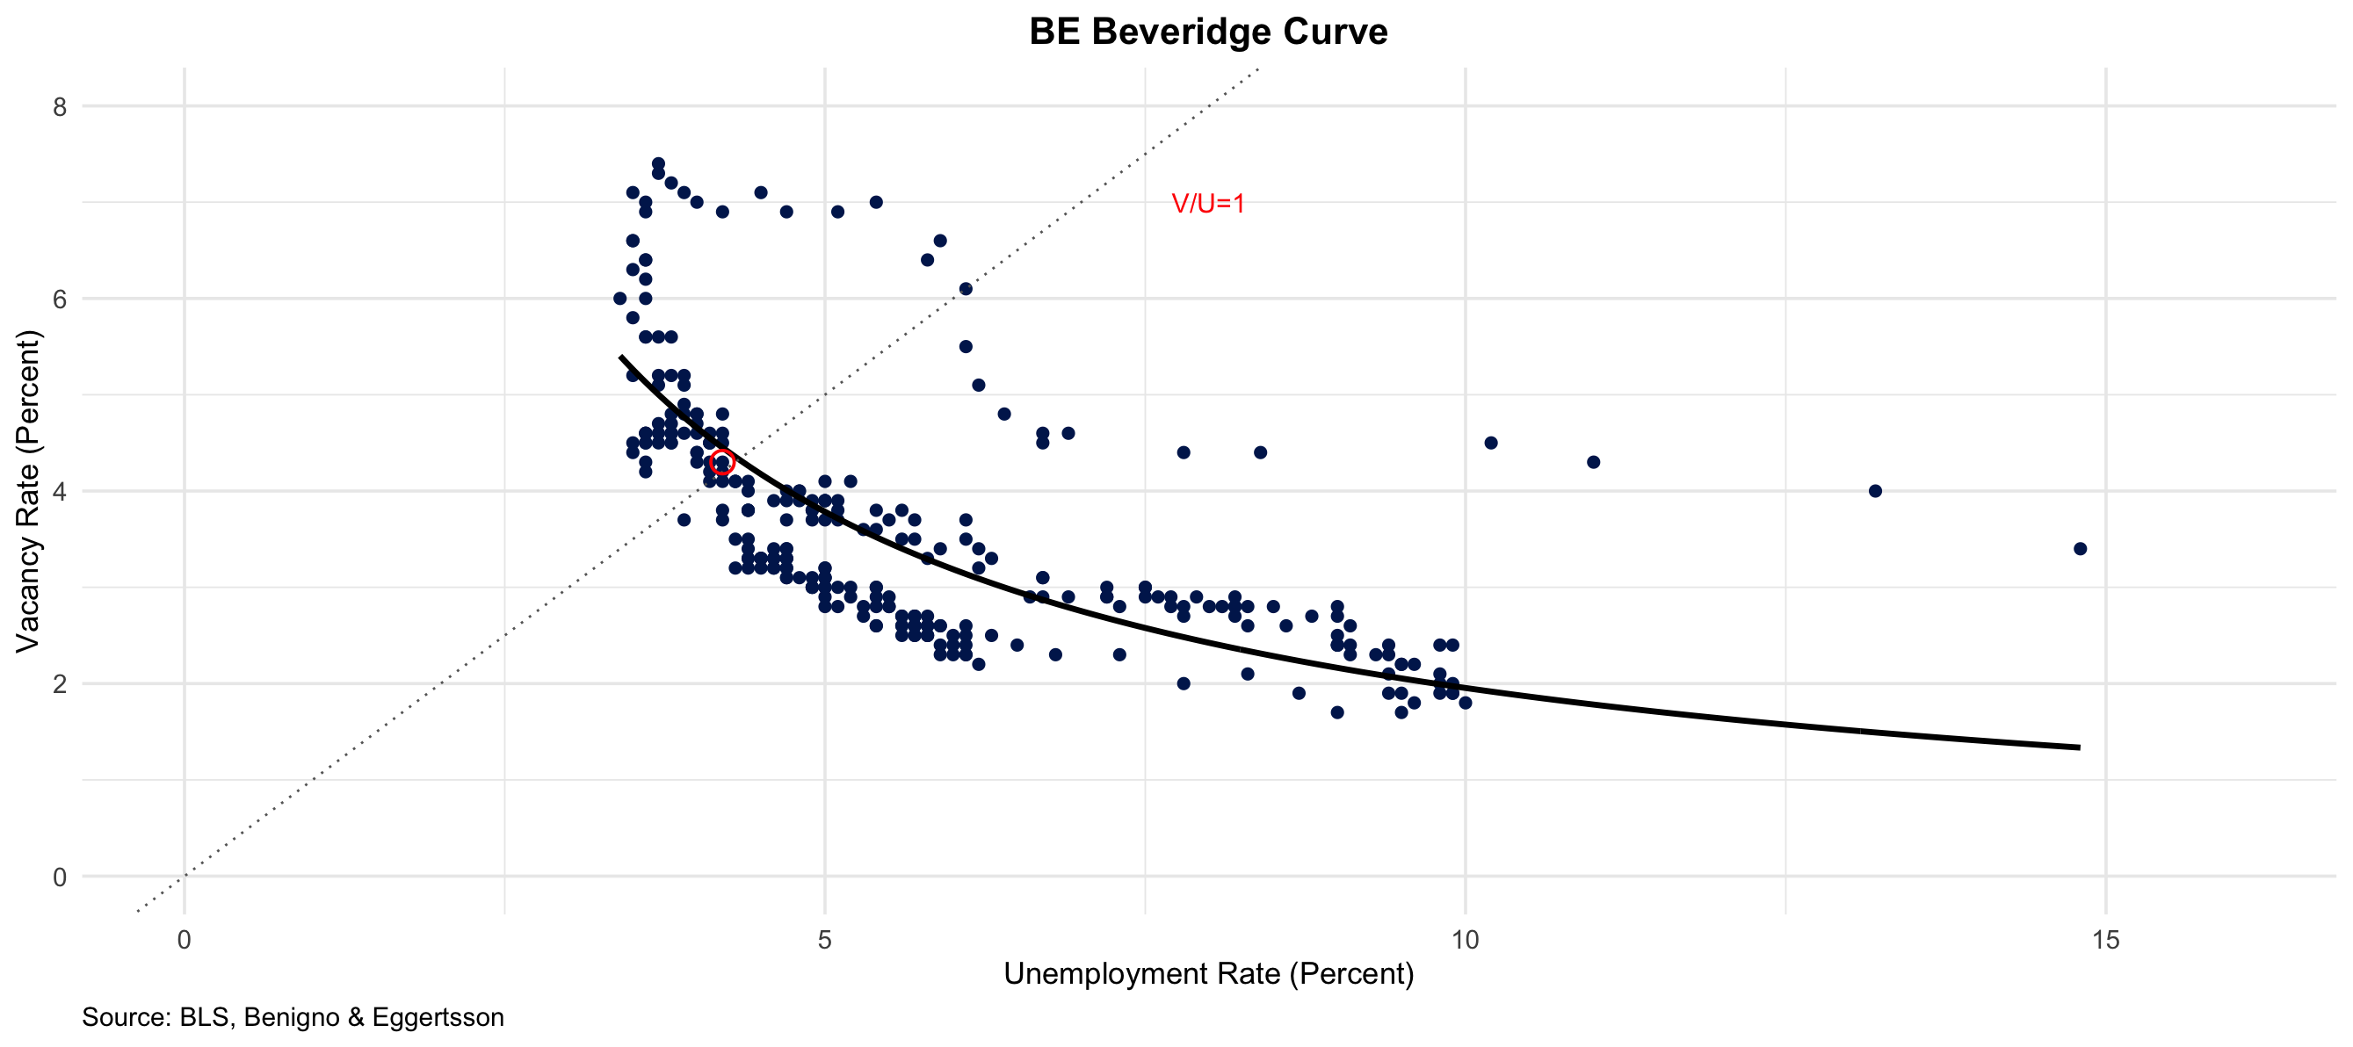
2001-11-01 | 2.8 | 5.5
2001-12-01 | 2.7 | 5.7
2002-01-01 | 2.7 | 5.7
2002-02-01 | 2.6 | 5.7
2002-03-01 | 2.7 | 5.7
2002-04-01 | 2.6 | 5.9
2002-05-01 | 2.6 | 5.8
2002-06-01 | 2.5 | 5.8
2002-07-01 | 2.5 | 5.8
2002-08-01 | 2.6 | 5.7
2002-09-01 | 2.5 | 5.7
2002-10-01 | 2.6 | 5.7
2002-11-01 | 2.6 | 5.9
2002-12-01 | 2.4 | 6.0
2003-01-01 | 2.6 | 5.8
2003-02-01 | 2.4 | 5.9
2003-03-01 | 2.3 | 5.9
2003-04-01 | 2.3 | 6.0
2003-05-01 | 2.5 | 6.1
2003-06-01 | 2.5 | 6.3
2003-07-01 | 2.2 | 6.2
2003-08-01 | 2.4 | 6.1
2003-09-01 | 2.3 | 6.1
2003-10-01 | 2.5 | 6.0
2003-11-01 | 2.5 | 5.8
2003-12-01 | 2.5 | 5.7
2004-01-01 | 2.6 | 5.7
2004-02-01 | 2.6 | 5.6
2004-03-01 | 2.6 | 5.8
2004-04-01 | 2.6 | 5.6
2004-05-01 | 2.7 | 5.6
2004-06-01 | 2.5 | 5.6
2004-07-01 | 2.8 | 5.5
2004-08-01 | 2.6 | 5.4
2004-09-01 | 2.8 | 5.4
2004-10-01 | 2.9 | 5.5
2004-11-01 | 2.6 | 5.4
2004-12-01 | 3.0 | 5.4
2005-01-01 | 2.8 | 5.3
2005-02-01 | 2.9 | 5.4
2005-03-01 | 2.9 | 5.2
2005-04-01 | 3.0 | 5.2
2005-05-01 | 2.8 | 5.1
2005-06-01 | 2.9 | 5.0
2005-07-01 | 3.1 | 5.0
2005-08-01 | 3.0 | 4.9
2005-09-01 | 3.1 | 5.0
2005-10-01 | 3.0 | 5.0
2005-11-01 | 3.1 | 5.0
2005-12-01 | 3.1 | 4.9
2006-01-01 | 3.1 | 4.7
2006-02-01 | 3.1 | 4.8
2006-03-01 | 3.4 | 4.7
2006-04-01 | 3.4 | 4.7
2006-05-01 | 3.2 | 4.6
2006-06-01 | 3.3 | 4.6
2006-07-01 | 3.1 | 4.7
2006-08-01 | 3.3 | 4.7
2006-09-01 | 3.3 | 4.5
2006-10-01 | 3.2 | 4.4
2006-11-01 | 3.3 | 4.5
2006-12-01 | 3.3 | 4.4
2007-01-01 | 3.3 | 4.6
2007-02-01 | 3.3 | 4.5
2007-03-01 | 3.5 | 4.4
2007-04-01 | 3.3 | 4.5
2007-05-01 | 3.3 | 4.4
2007-06-01 | 3.4 | 4.6
2007-07-01 | 3.2 | 4.7
2007-08-01 | 3.2 | 4.6
2007-09-01 | 3.3 | 4.7
2007-10-01 | 3.2 | 4.7
2007-11-01 | 3.3 | 4.7
2007-12-01 | 3.2 | 5.0
2008-01-01 | 3.2 | 5.0
2008-02-01 | 3.0 | 4.9
2008-03-01 | 3.0 | 5.1
2008-04-01 | 2.8 | 5.0
2008-05-01 | 3.0 | 5.4
2008-06-01 | 2.7 | 5.6
2008-07-01 | 2.7 | 5.8
2008-08-01 | 2.6 | 6.1
2008-09-01 | 2.3 | 6.1
2008-10-01 | 2.4 | 6.5
2008-11-01 | 2.3 | 6.8
2008-12-01 | 2.3 | 7.3
2009-01-01 | 2.0 | 7.8
2009-02-01 | 2.1 | 8.3
2009-03-01 | 1.9 | 8.7
2009-04-01 | 1.7 | 9.0
2009-05-01 | 1.9 | 9.4
2009-06-01 | 1.9 | 9.5
2009-07-01 | 1.7 | 9.5
2009-08-01 | 1.8 | 9.6
2009-09-01 | 1.9 | 9.8
2009-10-01 | 1.8 | 10.0
2009-11-01 | 1.9 | 9.9
2009-12-01 | 1.9 | 9.9
2010-01-01 | 2.1 | 9.8
2010-02-01 | 2.0 | 9.8
2010-03-01 | 2.0 | 9.9
2010-04-01 | 2.4 | 9.9
2010-05-01 | 2.2 | 9.6
2010-06-01 | 2.1 | 9.4
2010-07-01 | 2.3 | 9.4
2010-08-01 | 2.2 | 9.5
2010-09-01 | 2.2 | 9.5
2010-10-01 | 2.4 | 9.4
2010-11-01 | 2.4 | 9.8
2010-12-01 | 2.3 | 9.3
2011-01-01 | 2.3 | 9.1
2011-02-01 | 2.4 | 9.0
2011-03-01 | 2.4 | 9.0
2011-04-01 | 2.4 | 9.1
2011-05-01 | 2.4 | 9.0
2011-06-01 | 2.6 | 9.1
2011-07-01 | 2.7 | 9.0
2011-08-01 | 2.5 | 9.0
2011-09-01 | 2.8 | 9.0
2011-10-01 | 2.7 | 8.8
2011-11-01 | 2.6 | 8.6
2011-12-01 | 2.8 | 8.5
2012-01-01 | 2.8 | 8.3
2012-02-01 | 2.6 | 8.3
2012-03-01 | 2.9 | 8.2
2012-04-01 | 2.8 | 8.2
2012-05-01 | 2.8 | 8.2
2012-06-01 | 2.8 | 8.2
2012-07-01 | 2.7 | 8.2
2012-08-01 | 2.8 | 8.1
2012-09-01 | 2.8 | 7.8
2012-10-01 | 2.7 | 7.8
2012-11-01 | 2.8 | 7.7
2012-12-01 | 2.9 | 7.9
2013-01-01 | 2.8 | 8.0
2013-02-01 | 2.9 | 7.7
2013-03-01 | 2.9 | 7.5
2013-04-01 | 2.9 | 7.6
2013-05-01 | 3.0 | 7.5
2013-06-01 | 3.0 | 7.5
2013-07-01 | 2.8 | 7.3
2013-08-01 | 2.9 | 7.2
2013-09-01 | 2.9 | 7.2
2013-10-01 | 3.0 | 7.2
2013-11-01 | 2.9 | 6.9
2013-12-01 | 2.9 | 6.7
2014-01-01 | 2.9 | 6.6
2014-02-01 | 3.1 | 6.7
2014-03-01 | 3.1 | 6.7
2014-04-01 | 3.2 | 6.2
2014-05-01 | 3.3 | 6.3
2014-06-01 | 3.5 | 6.1
2014-07-01 | 3.4 | 6.2
2014-08-01 | 3.7 | 6.1
2014-09-01 | 3.4 | 5.9
2014-10-01 | 3.5 | 5.7
2014-11-01 | 3.3 | 5.8
2014-12-01 | 3.5 | 5.6
2015-01-01 | 3.7 | 5.7
2015-02-01 | 3.7 | 5.5
2015-03-01 | 3.6 | 5.4
2015-04-01 | 3.8 | 5.4
2015-05-01 | 3.8 | 5.6
2015-06-01 | 3.6 | 5.3
2015-07-01 | 4.1 | 5.2
2015-08-01 | 3.7 | 5.1
2015-09-01 | 3.7 | 5.0
2015-10-01 | 3.9 | 5.0
2015-11-01 | 3.8 | 5.1
2015-12-01 | 3.9 | 5.0
2016-01-01 | 4.0 | 4.8
2016-02-01 | 3.9 | 4.9
2016-03-01 | 4.1 | 5.0
2016-04-01 | 3.9 | 5.1
2016-05-01 | 3.9 | 4.8
2016-06-01 | 3.8 | 4.9
2016-07-01 | 4.0 | 4.8
2016-08-01 | 3.8 | 4.9
2016-09-01 | 3.9 | 5.0
2016-10-01 | 3.7 | 4.9
2016-11-01 | 4.0 | 4.7
2016-12-01 | 3.9 | 4.7
2017-01-01 | 3.7 | 4.7
2017-02-01 | 3.9 | 4.6
2017-03-01 | 3.8 | 4.4
2017-04-01 | 4.0 | 4.4
2017-05-01 | 3.8 | 4.4
2017-06-01 | 4.1 | 4.3
2017-07-01 | 4.1 | 4.3
2017-08-01 | 4.1 | 4.4
2017-09-01 | 4.1 | 4.3
2017-10-01 | 4.2 | 4.2
2017-11-01 | 4.1 | 4.2
2017-12-01 | 4.1 | 4.1
2018-01-01 | 4.3 | 4.0
2018-02-01 | 4.2 | 4.1
2018-03-01 | 4.4 | 4.0
2018-04-01 | 4.4 | 4.0
2018-05-01 | 4.5 | 3.8
2018-06-01 | 4.6 | 4.0
2018-07-01 | 4.6 | 3.8
2018-08-01 | 4.6 | 3.8
2018-09-01 | 4.7 | 3.7
2018-10-01 | 4.7 | 3.8
2018-11-01 | 4.8 | 3.8
2018-12-01 | 4.8 | 3.9
2019-01-01 | 4.8 | 4.0
2019-02-01 | 4.5 | 3.8
2019-03-01 | 4.6 | 3.8
2019-04-01 | 4.6 | 3.7
2019-05-01 | 4.6 | 3.6
2019-06-01 | 4.6 | 3.6
2019-07-01 | 4.5 | 3.7
2019-08-01 | 4.5 | 3.6
2019-09-01 | 4.5 | 3.5
2019-10-01 | 4.6 | 3.6
2019-11-01 | 4.3 | 3.6
2019-12-01 | 4.2 | 3.6
2020-01-01 | 4.5 | 3.6
2020-02-01 | 4.4 | 3.5
2020-03-01 | 3.8 | 4.4
2020-04-01 | 3.4 | 14.8
2020-05-01 | 4.0 | 13.2
2020-06-01 | 4.3 | 11.0
2020-07-01 | 4.5 | 10.2
2020-08-01 | 4.4 | 8.4
2020-09-01 | 4.4 | 7.8
2020-10-01 | 4.6 | 6.9
2020-11-01 | 4.6 | 6.7
2020-12-01 | 4.5 | 6.7
2021-01-01 | 4.8 | 6.4
2021-02-01 | 5.1 | 6.2
2021-03-01 | 5.5 | 6.1
2021-04-01 | 6.1 | 6.1
2021-05-01 | 6.4 | 5.8
2021-06-01 | 6.6 | 5.9
2021-07-01 | 7.0 | 5.4
2021-08-01 | 6.9 | 5.1
2021-09-01 | 6.9 | 4.7
2021-10-01 | 7.1 | 4.5
2021-11-01 | 6.9 | 4.2
2021-12-01 | 7.1 | 3.9
2022-01-01 | 7.0 | 4.0
2022-02-01 | 7.2 | 3.8
2022-03-01 | 7.4 | 3.7
2022-04-01 | 7.3 | 3.7
2022-05-01 | 7.0 | 3.6
2022-06-01 | 6.9 | 3.6
2022-07-01 | 7.1 | 3.5
2022-08-01 | 6.2 | 3.6
2022-09-01 | 6.6 | 3.5
2022-10-01 | 6.4 | 3.6
2022-11-01 | 6.4 | 3.6
2022-12-01 | 6.6 | 3.5
2023-01-01 | 6.3 | 3.5
2023-02-01 | 6.0 | 3.6
2023-03-01 | 5.8 | 3.5
2023-04-01 | 6.0 | 3.4
2023-05-01 | 5.6 | 3.6
2023-06-01 | 5.6 | 3.6
2023-07-01 | 5.2 | 3.5
2023-08-01 | 5.6 | 3.7
2023-09-01 | 5.6 | 3.8
2023-10-01 | 5.2 | 3.9
2023-11-01 | 5.2 | 3.7
2023-12-01 | 5.2 | 3.8
2024-01-01 | 5.1 | 3.7
2024-02-01 | 5.1 | 3.9
2024-03-01 | 4.9 | 3.9
2024-04-01 | 4.6 | 3.9
2024-05-01 | 4.8 | 4.0
2024-06-01 | 4.5 | 4.1
2024-07-01 | 4.5 | 4.2
2024-08-01 | 4.6 | 4.2
2024-09-01 | 4.3 | 4.1
2024-10-01 | 4.6 | 4.1
2024-11-01 | 4.8 | 4.2
2024-12-01 | 4.5 | 4.1
2025-01-01 | 4.7 | 4.0
2025-02-01 | 4.5 | 4.1
2025-03-01 | 4.3 | 4.2
2025-04-01 | 4.4 | 4.2

Sahm Rule Indicator
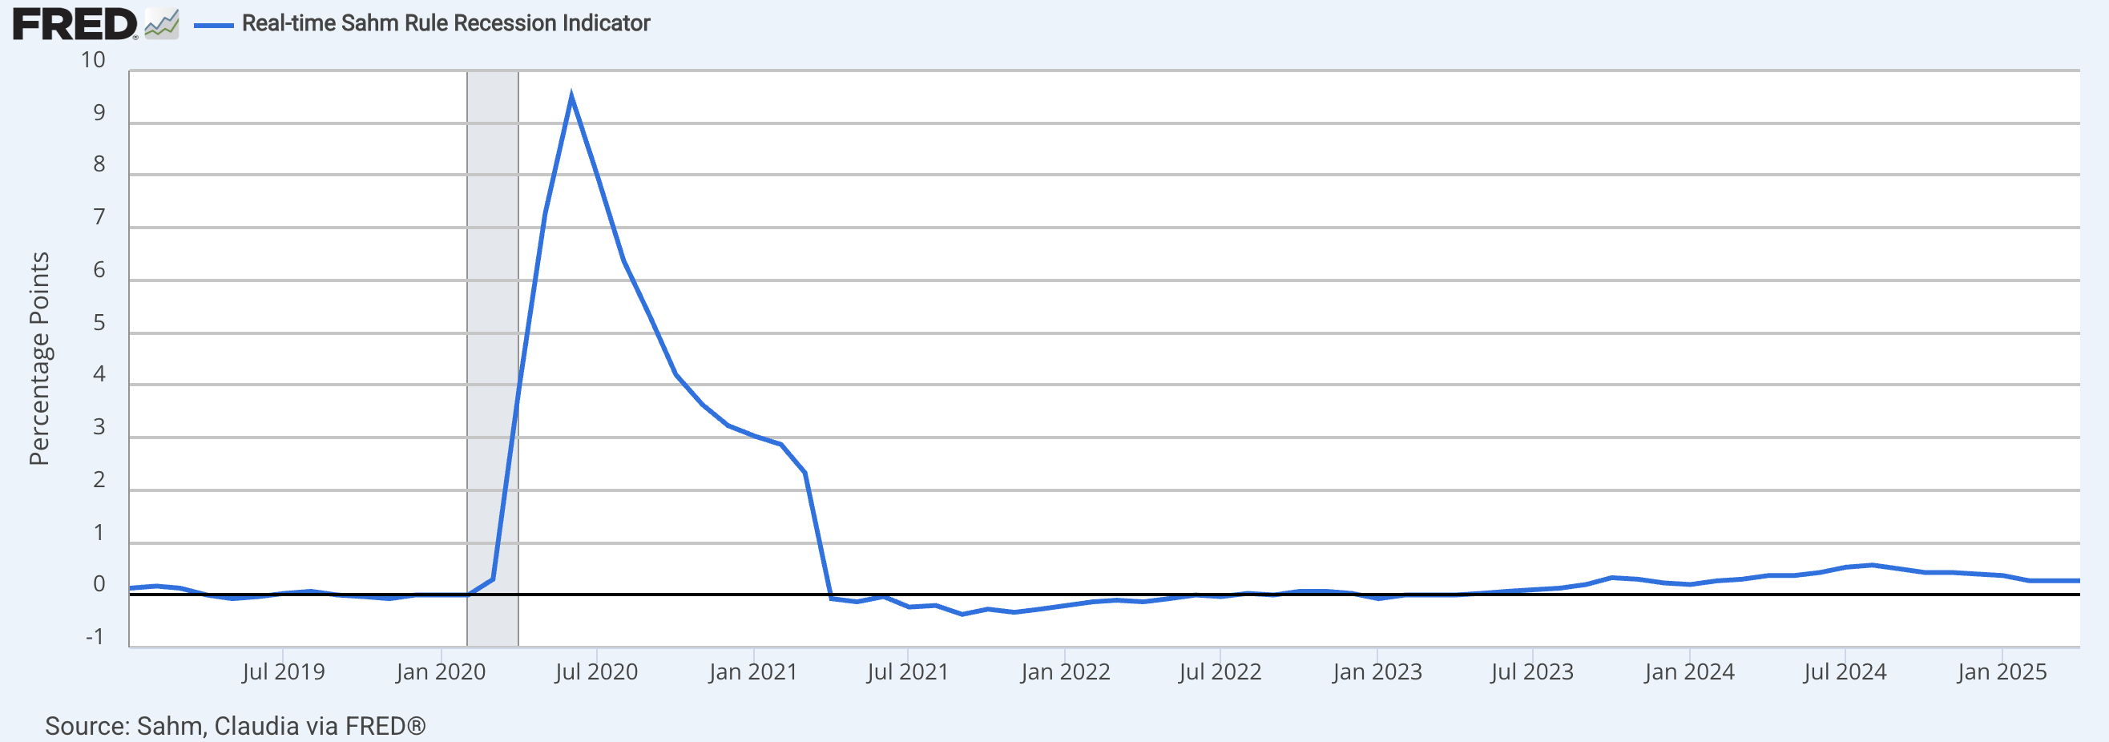
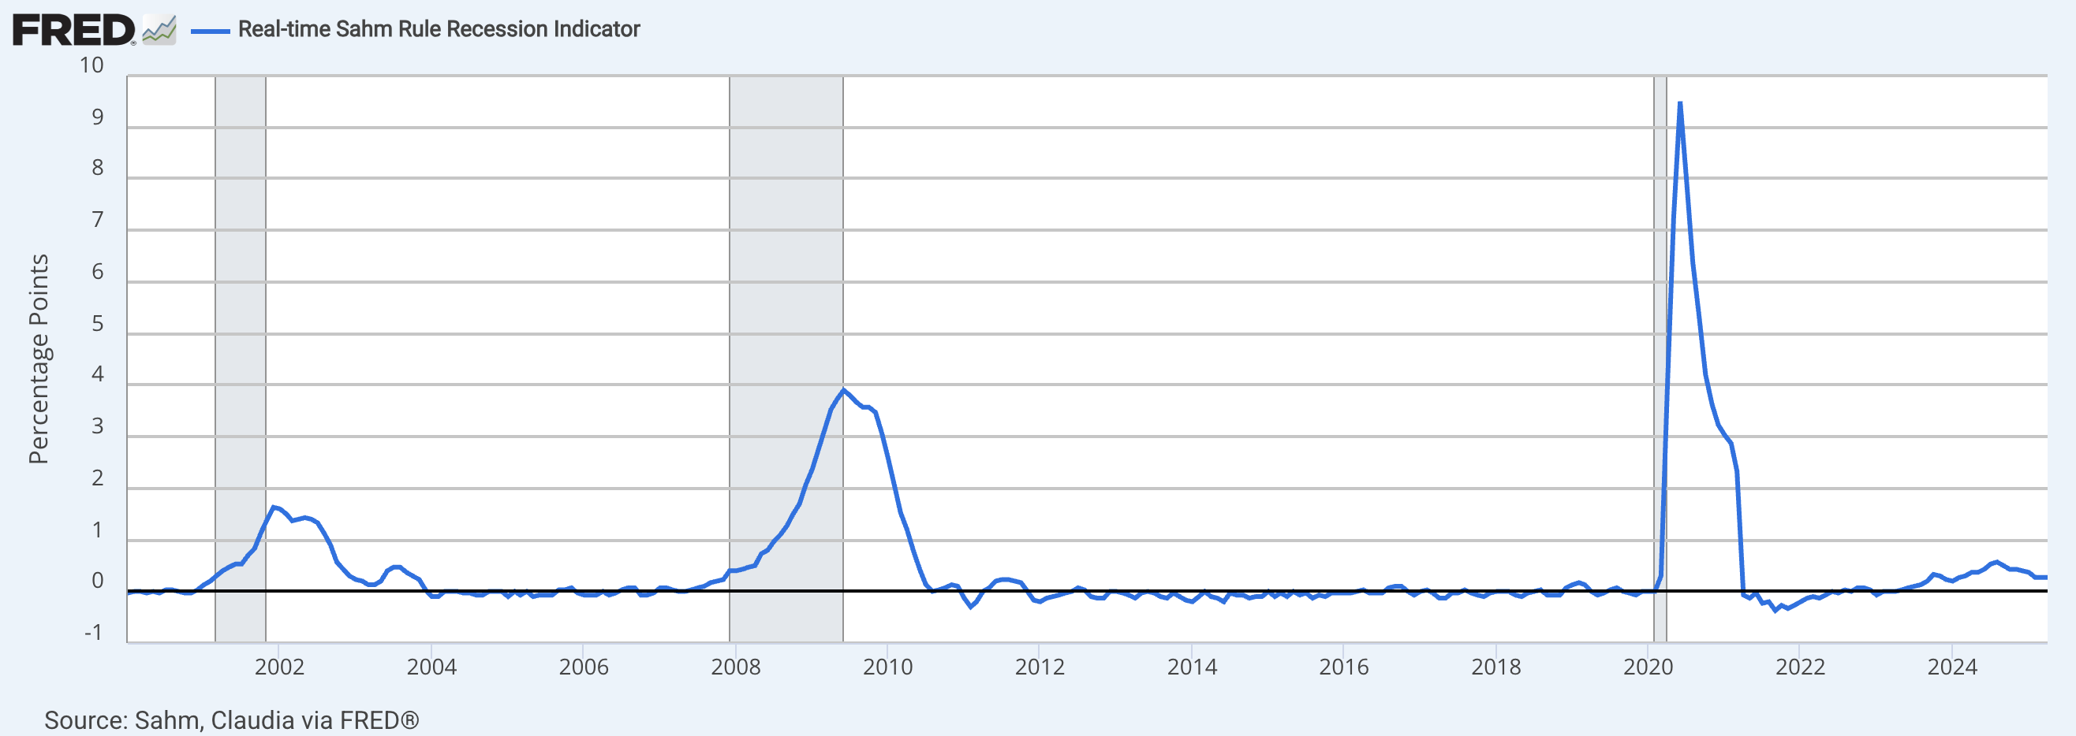
observation_date | SAHMREALTIME
2019-01-01 | 0.13
2019-02-01 | 0.17
2019-03-01 | 0.13
2019-04-01 | 0.00
2019-05-01 | -0.07
2019-06-01 | -0.03
2019-07-01 | 0.03
2019-08-01 | 0.07
2019-09-01 | 0.00
2019-10-01 | -0.03
2019-11-01 | -0.07
2019-12-01 | 0.00
2020-01-01 | 0.00
2020-02-01 | 0.00
2020-03-01 | 0.30
2020-04-01 | 4.00
2020-05-01 | 7.27
2020-06-01 | 9.50
2020-07-01 | 8.00
2020-08-01 | 6.37
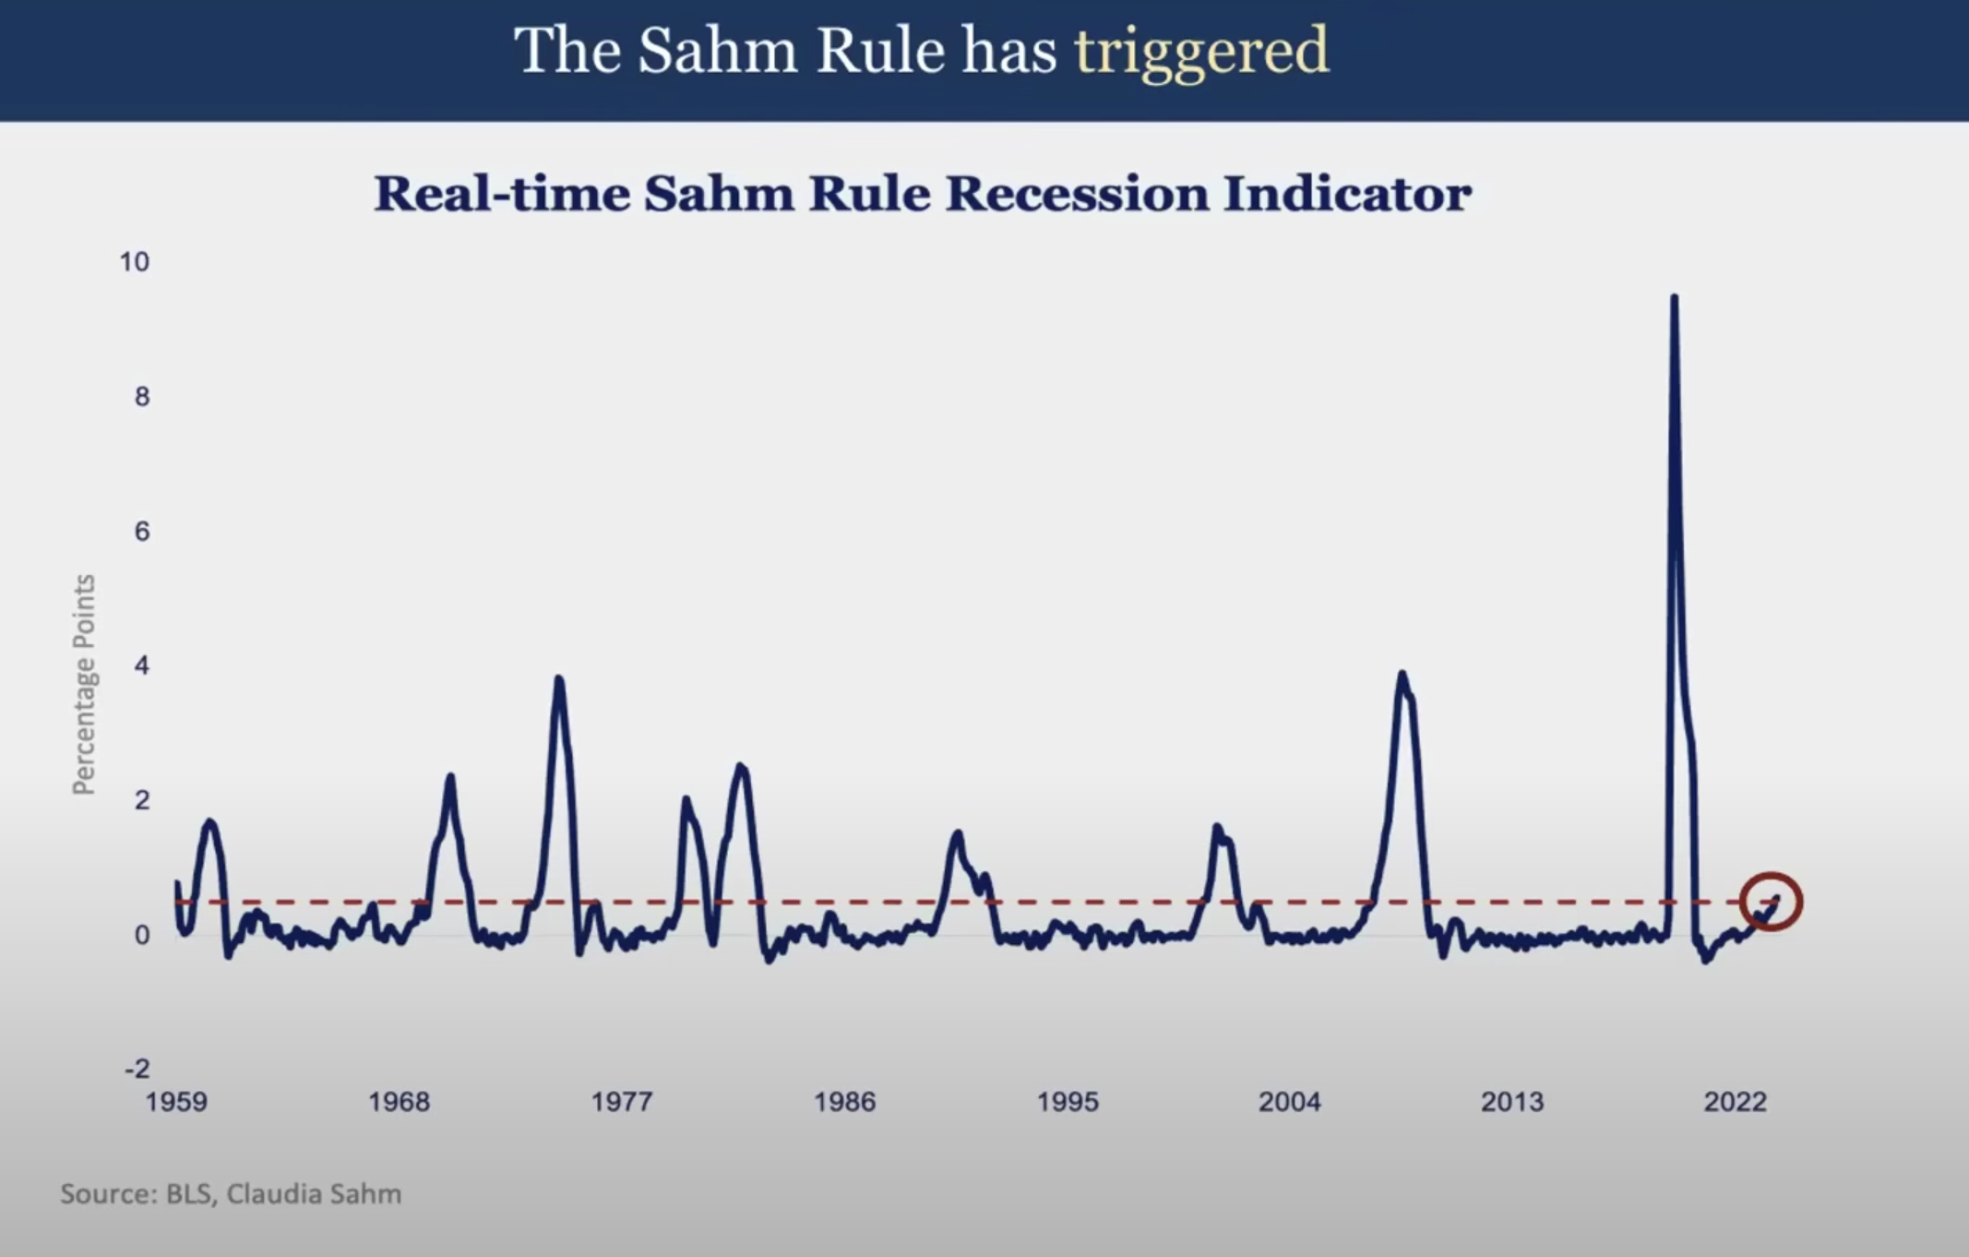
2020-09-01 | 5.30
2020-10-01 | 4.20
2020-11-01 | 3.63
2020-12-01 | 3.23
2021-01-01 | 3.03
2021-02-01 | 2.87
2021-03-01 | 2.33
2021-04-01 | -0.07
2021-05-01 | -0.13
2021-06-01 | -0.03
2021-07-01 | -0.23
2021-08-01 | -0.20
2021-09-01 | -0.37
2021-10-01 | -0.27
2021-11-01 | -0.33
2021-12-01 | -0.27
2022-01-01 | -0.20
2022-02-01 | -0.13
2022-03-01 | -0.10
2022-04-01 | -0.13
2022-05-01 | -0.07
2022-06-01 | 0.00
2022-07-01 | -0.03
2022-08-01 | 0.03
2022-09-01 | 0.00
2022-10-01 | 0.07
2022-11-01 | 0.07
2022-12-01 | 0.03
2023-01-01 | -0.07
2023-02-01 | 0.00
2023-03-01 | 0.00
2023-04-01 | 0.00
2023-05-01 | 0.03
2023-06-01 | 0.07
2023-07-01 | 0.10
2023-08-01 | 0.13
2023-09-01 | 0.20
2023-10-01 | 0.33
2023-11-01 | 0.30
2023-12-01 | 0.23
2024-01-01 | 0.20
2024-02-01 | 0.27
2024-03-01 | 0.30
2024-04-01 | 0.37
2024-05-01 | 0.37
2024-06-01 | 0.43
2024-07-01 | 0.53
2024-08-01 | 0.57
2024-09-01 | 0.50
2024-10-01 | 0.43
2024-11-01 | 0.43
2024-12-01 | 0.40
2025-01-01 | 0.37
2025-02-01 | 0.27
2025-03-01 | 0.27
2025-04-01 | 0.27

Workers Expectation
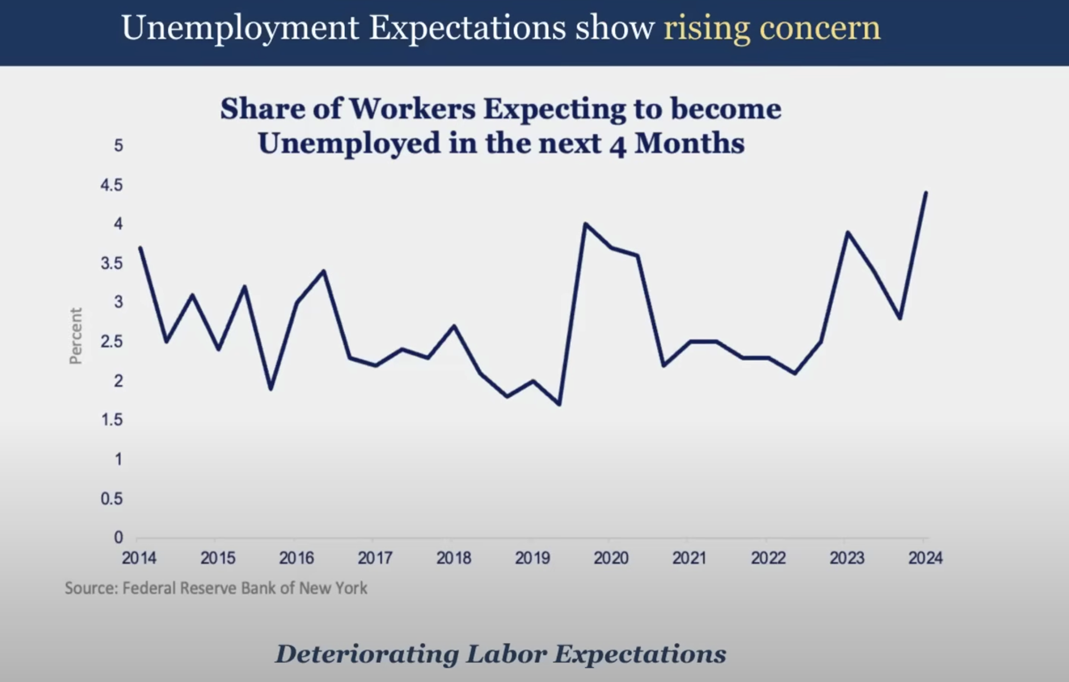

Phillips Curve - longer time
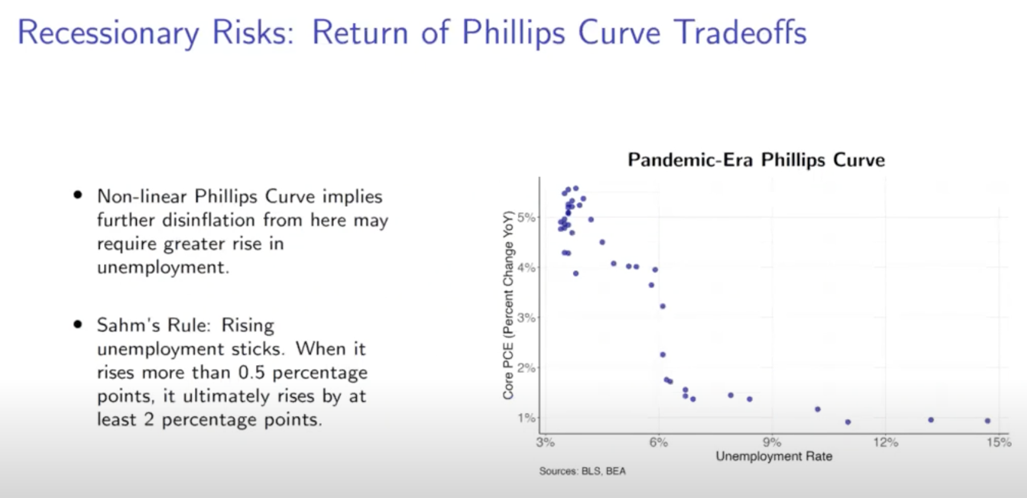
observation_date | UNRATE | Core PCE (Percent Change YoY)
1960-01-01 | 5.2 | 2.1
1960-02-01 | 4.8 | 2.2
1960-03-01 | 5.4 | 2.1
1960-04-01 | 5.2 | 2.0
1960-05-01 | 5.1 | 2.0
1960-06-01 | 5.4 | 1.8
1960-07-01 | 5.5 | 1.7
1960-08-01 | 5.6 | 1.7
1960-09-01 | 5.5 | 1.5
1960-10-01 | 6.1 | 1.4
1960-11-01 | 6.1 | 1.5
1960-12-01 | 6.6 | 1.3
1961-01-01 | 6.6 | 1.3
1961-02-01 | 6.9 | 1.2
1961-03-01 | 6.9 | 1.3
1961-04-01 | 7.0 | 1.2
1961-05-01 | 7.1 | 1.2
1961-06-01 | 6.9 | 1.3
1961-07-01 | 7.0 | 1.3
1961-08-01 | 6.6 | 1.2
1961-09-01 | 6.7 | 1.3
1961-10-01 | 6.5 | 1.3
1961-11-01 | 6.1 | 1.1
1961-12-01 | 6.0 | 1.2
1962-01-01 | 5.8 | 1.3
1962-02-01 | 5.5 | 1.3
1962-03-01 | 5.6 | 1.5
1962-04-01 | 5.6 | 1.4
1962-05-01 | 5.5 | 1.4
1962-06-01 | 5.5 | 1.5
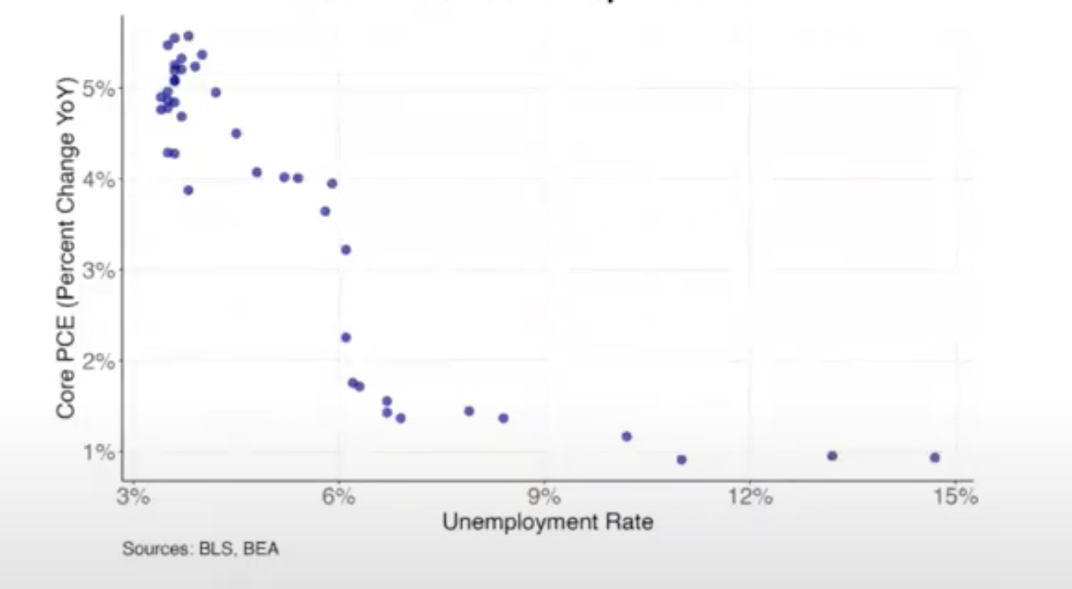
1962-07-01 | 5.4 | 1.4
1962-08-01 | 5.7 | 1.3
1962-09-01 | 5.6 | 1.3
1962-10-01 | 5.4 | 1.3
1962-11-01 | 5.7 | 1.3
1962-12-01 | 5.5 | 1.3
1963-01-01 | 5.7 | 1.3
1963-02-01 | 5.9 | 1.3
1963-03-01 | 5.7 | 1.1
1963-04-01 | 5.7 | 1.2
1963-05-01 | 5.9 | 1.2
1963-06-01 | 5.6 | 1.2
1963-07-01 | 5.6 | 1.2
1963-08-01 | 5.4 | 1.3
1963-09-01 | 5.5 | 1.3
1963-10-01 | 5.5 | 1.5
1963-11-01 | 5.7 | 1.6
1963-12-01 | 5.5 | 1.7
1964-01-01 | 5.6 | 1.6
1964-02-01 | 5.4 | 1.7
1964-03-01 | 5.4 | 1.7
1964-04-01 | 5.3 | 1.7
1964-05-01 | 5.1 | 1.6
1964-06-01 | 5.2 | 1.5
1964-07-01 | 4.9 | 1.5
1964-08-01 | 5.0 | 1.5
1964-09-01 | 5.1 | 1.4
1964-10-01 | 5.1 | 1.2
1964-11-01 | 4.8 | 1.3
1964-12-01 | 5.0 | 1.3
1965-01-01 | 4.9 | 1.3
1965-02-01 | 5.1 | 1.2
1965-03-01 | 4.7 | 1.2
1965-04-01 | 4.8 | 1.2
1965-05-01 | 4.6 | 1.3
1965-06-01 | 4.6 | 1.2
1965-07-01 | 4.4 | 1.2
1965-08-01 | 4.4 | 1.3
1965-09-01 | 4.3 | 1.3
1965-10-01 | 4.2 | 1.3
1965-11-01 | 4.1 | 1.3
1965-12-01 | 4.0 | 1.5
1966-01-01 | 4.0 | 1.4
1966-02-01 | 3.8 | 1.5
1966-03-01 | 3.8 | 1.6
1966-04-01 | 3.8 | 1.8
1966-05-01 | 3.9 | 1.9
1966-06-01 | 3.8 | 2.2
1966-07-01 | 3.8 | 2.4
1966-08-01 | 3.8 | 2.4
1966-09-01 | 3.7 | 2.6
1966-10-01 | 3.7 | 3.0
1966-11-01 | 3.6 | 3.1
1966-12-01 | 3.8 | 3.1
1967-01-01 | 3.9 | 3.1
1967-02-01 | 3.8 | 3.1
1967-03-01 | 3.8 | 3.1
1967-04-01 | 3.8 | 3.0
1967-05-01 | 3.8 | 2.9
1967-06-01 | 3.9 | 2.9
1967-07-01 | 3.8 | 2.9
1967-08-01 | 3.8 | 3.1
1967-09-01 | 3.8 | 3.1
1967-10-01 | 4.0 | 3.1
1967-11-01 | 3.9 | 3.2
1967-12-01 | 3.8 | 3.2
1968-01-01 | 3.7 | 3.5
1968-02-01 | 3.8 | 3.8
1968-03-01 | 3.7 | 4.0
1968-04-01 | 3.5 | 4.1
1968-05-01 | 3.5 | 4.3
1968-06-01 | 3.7 | 4.4
1968-07-01 | 3.7 | 4.4
1968-08-01 | 3.5 | 4.5
1968-09-01 | 3.4 | 4.6
1968-10-01 | 3.4 | 4.6
1968-11-01 | 3.4 | 4.7
1968-12-01 | 3.4 | 4.7
1969-01-01 | 3.4 | 4.7
1969-02-01 | 3.4 | 4.6
1969-03-01 | 3.4 | 4.6
1969-04-01 | 3.4 | 4.6
1969-05-01 | 3.4 | 4.7
1969-06-01 | 3.5 | 4.6
1969-07-01 | 3.5 | 4.8
1969-08-01 | 3.5 | 4.7
1969-09-01 | 3.7 | 4.6
1969-10-01 | 3.7 | 4.7
1969-11-01 | 3.5 | 4.7
1969-12-01 | 3.5 | 4.7
1970-01-01 | 3.9 | 4.7
1970-02-01 | 4.2 | 4.7
1970-03-01 | 4.4 | 4.6
1970-04-01 | 4.6 | 4.7
1970-05-01 | 4.8 | 4.6
1970-06-01 | 4.9 | 4.6
1970-07-01 | 5.0 | 4.5
1970-08-01 | 5.1 | 4.6
1970-09-01 | 5.4 | 4.6
1970-10-01 | 5.5 | 4.7
1970-11-01 | 5.9 | 4.8
1970-12-01 | 6.1 | 5.0
1971-01-01 | 5.9 | 5.0
1971-02-01 | 5.9 | 5.0
1971-03-01 | 6.0 | 5.0
1971-04-01 | 5.9 | 4.9
1971-05-01 | 5.9 | 5.0
1971-06-01 | 5.9 | 5.1
1971-07-01 | 6.0 | 5.1
1971-08-01 | 6.1 | 4.9
1971-09-01 | 6.0 | 4.6
1971-10-01 | 5.8 | 4.2
1971-11-01 | 6.0 | 3.9
1971-12-01 | 6.0 | 3.7
1972-01-01 | 5.8 | 3.8
1972-02-01 | 5.7 | 3.7
1972-03-01 | 5.8 | 3.5
1972-04-01 | 5.7 | 3.4
1972-05-01 | 5.7 | 3.2
1972-06-01 | 5.7 | 3.0
1972-07-01 | 5.6 | 2.9
1972-08-01 | 5.6 | 3.0
1972-09-01 | 5.5 | 3.1
1972-10-01 | 5.6 | 3.0
1972-11-01 | 5.3 | 3.1
1972-12-01 | 5.2 | 3.1
1973-01-01 | 4.9 | 2.7
1973-02-01 | 5.0 | 2.7
1973-03-01 | 4.9 | 2.9
1973-04-01 | 5.0 | 3.3
1973-05-01 | 4.9 | 3.5
1973-06-01 | 4.9 | 3.7
1973-07-01 | 4.8 | 3.8
1973-08-01 | 4.8 | 4.1
1973-09-01 | 4.8 | 4.3
1973-10-01 | 4.6 | 4.6
1973-11-01 | 4.8 | 4.9
1973-12-01 | 4.9 | 5.1
1974-01-01 | 5.1 | 5.6
1974-02-01 | 5.2 | 5.9
1974-03-01 | 5.1 | 6.3
1974-04-01 | 5.1 | 6.5
1974-05-01 | 5.1 | 7.1
1974-06-01 | 5.4 | 7.7
1974-07-01 | 5.5 | 8.2
1974-08-01 | 5.5 | 8.8
1974-09-01 | 5.9 | 9.2
1974-10-01 | 6.0 | 9.6
1974-11-01 | 6.6 | 9.9
1974-12-01 | 7.2 | 10.0
1975-01-01 | 8.1 | 10.1
1975-02-01 | 8.1 | 10.2
1975-03-01 | 8.6 | 9.9
1975-04-01 | 8.8 | 9.7
1975-05-01 | 9.0 | 9.1
1975-06-01 | 8.8 | 8.5
1975-07-01 | 8.6 | 8.2
1975-08-01 | 8.4 | 7.5
1975-09-01 | 8.4 | 7.2
1975-10-01 | 8.4 | 6.9
1975-11-01 | 8.3 | 6.8
1975-12-01 | 8.2 | 6.7
1976-01-01 | 7.9 | 6.6
1976-02-01 | 7.7 | 6.3
1976-03-01 | 7.6 | 6.1
1976-04-01 | 7.7 | 6.0
1976-05-01 | 7.4 | 6.0
1976-06-01 | 7.6 | 5.9
1976-07-01 | 7.8 | 5.9
1976-08-01 | 7.8 | 6.1
1976-09-01 | 7.6 | 6.2
1976-10-01 | 7.7 | 6.1
1976-11-01 | 7.8 | 5.9
1976-12-01 | 7.8 | 5.9
1977-01-01 | 7.5 | 6.0
1977-02-01 | 7.6 | 6.2
1977-03-01 | 7.4 | 6.3
1977-04-01 | 7.2 | 6.4
1977-05-01 | 7.0 | 6.4
1977-06-01 | 7.2 | 6.6
1977-07-01 | 6.9 | 6.7
1977-08-01 | 7.0 | 6.6
1977-09-01 | 6.8 | 6.5
1977-10-01 | 6.8 | 6.4
1977-11-01 | 6.8 | 6.5
1977-12-01 | 6.4 | 6.5
1978-01-01 | 6.4 | 6.5
1978-02-01 | 6.3 | 6.2
1978-03-01 | 6.3 | 6.4
1978-04-01 | 6.1 | 6.5
1978-05-01 | 6.0 | 6.6
1978-06-01 | 5.9 | 6.6
1978-07-01 | 6.2 | 6.5
1978-08-01 | 5.9 | 6.6
1978-09-01 | 6.0 | 6.7
1978-10-01 | 5.8 | 7.0
1978-11-01 | 5.9 | 7.0
1978-12-01 | 6.0 | 6.9
1979-01-01 | 5.9 | 6.8
1979-02-01 | 5.9 | 6.7
1979-03-01 | 5.8 | 6.8
1979-04-01 | 5.8 | 7.1
1979-05-01 | 5.6 | 7.4
1979-06-01 | 5.7 | 7.4
1979-07-01 | 5.7 | 7.3
1979-08-01 | 6.0 | 7.4
1979-09-01 | 5.9 | 7.5
1979-10-01 | 6.0 | 7.5
1979-11-01 | 5.9 | 7.6
1979-12-01 | 6.0 | 8.0
1980-01-01 | 6.3 | 8.2
1980-02-01 | 6.3 | 9.0
1980-03-01 | 6.3 | 9.3
1980-04-01 | 6.9 | 8.9
1980-05-01 | 7.5 | 8.8
1980-06-01 | 7.6 | 8.9
1980-07-01 | 7.8 | 9.2
1980-08-01 | 7.7 | 9.2
1980-09-01 | 7.5 | 9.5
1980-10-01 | 7.5 | 9.6
1980-11-01 | 7.5 | 9.8
1980-12-01 | 7.2 | 9.6
1981-01-01 | 7.5 | 9.8
1981-02-01 | 7.4 | 9.5
1981-03-01 | 7.4 | 9.1
1981-04-01 | 7.2 | 9.2
1981-05-01 | 7.5 | 9.1
1981-06-01 | 7.5 | 8.9
1981-07-01 | 7.2 | 8.8
1981-08-01 | 7.4 | 8.7
1981-09-01 | 7.6 | 8.4
1981-10-01 | 7.9 | 8.2
1981-11-01 | 8.3 | 8.0
1981-12-01 | 8.5 | 7.7
1982-01-01 | 8.6 | 7.4
1982-02-01 | 8.9 | 7.1
1982-03-01 | 9.0 | 7.0
1982-04-01 | 9.3 | 6.7
1982-05-01 | 9.4 | 6.5
1982-06-01 | 9.6 | 6.5
1982-07-01 | 9.8 | 6.6
1982-08-01 | 9.8 | 6.4
1982-09-01 | 10.1 | 6.1
1982-10-01 | 10.4 | 6.1
1982-11-01 | 10.8 | 5.9
1982-12-01 | 10.8 | 5.8
1983-01-01 | 10.4 | 5.9
1983-02-01 | 10.4 | 5.9
1983-03-01 | 10.3 | 5.6
1983-04-01 | 10.2 | 5.5
1983-05-01 | 10.1 | 5.0
1983-06-01 | 10.1 | 5.0
1983-07-01 | 9.4 | 5.0
1983-08-01 | 9.5 | 5.1
1983-09-01 | 9.2 | 5.1
1983-10-01 | 8.8 | 4.6
1983-11-01 | 8.5 | 4.5
1983-12-01 | 8.3 | 4.3
1984-01-01 | 8.0 | 3.9
1984-02-01 | 7.8 | 4.2
1984-03-01 | 7.8 | 4.4
1984-04-01 | 7.7 | 4.6
1984-05-01 | 7.4 | 4.7
1984-06-01 | 7.2 | 4.4
1984-07-01 | 7.5 | 4.2
1984-08-01 | 7.5 | 4.0
1984-09-01 | 7.3 | 3.7
1984-10-01 | 7.4 | 3.8
1984-11-01 | 7.2 | 3.8
1984-12-01 | 7.3 | 4.1
1985-01-01 | 7.3 | 4.3
1985-02-01 | 7.2 | 4.2
1985-03-01 | 7.2 | 4.2
1985-04-01 | 7.3 | 3.8
1985-05-01 | 7.2 | 3.9
1985-06-01 | 7.4 | 4.0
1985-07-01 | 7.4 | 3.9
1985-08-01 | 7.1 | 4.1
1985-09-01 | 7.1 | 4.1
1985-10-01 | 7.1 | 4.1
1985-11-01 | 7.0 | 4.1
1985-12-01 | 7.0 | 4.0
1986-01-01 | 6.7 | 3.9
1986-02-01 | 7.2 | 3.7
1986-03-01 | 7.2 | 3.6
1986-04-01 | 7.1 | 3.7
1986-05-01 | 7.2 | 3.5
1986-06-01 | 7.2 | 3.5
1986-07-01 | 7.0 | 3.4
1986-08-01 | 6.9 | 3.1
1986-09-01 | 7.0 | 3.2
1986-10-01 | 7.0 | 3.4
1986-11-01 | 6.9 | 3.3
1986-12-01 | 6.6 | 3.2
1987-01-01 | 6.6 | 2.9
1987-02-01 | 6.6 | 2.8
1987-03-01 | 6.6 | 2.8
1987-04-01 | 6.3 | 3.1
1987-05-01 | 6.3 | 3.2
1987-06-01 | 6.2 | 3.2
1987-07-01 | 6.1 | 3.2
1987-08-01 | 6.0 | 3.4
1987-09-01 | 5.9 | 3.4
1987-10-01 | 6.0 | 3.5
1987-11-01 | 5.8 | 3.5
1987-12-01 | 5.7 | 3.6
1988-01-01 | 5.7 | 3.9
1988-02-01 | 5.7 | 3.9
1988-03-01 | 5.7 | 4.0
1988-04-01 | 5.4 | 4.1
1988-05-01 | 5.6 | 4.1
1988-06-01 | 5.4 | 4.3
1988-07-01 | 5.4 | 4.4
1988-08-01 | 5.6 | 4.3
1988-09-01 | 5.4 | 4.5
1988-10-01 | 5.4 | 4.4
1988-11-01 | 5.3 | 4.5
1988-12-01 | 5.3 | 4.6
1989-01-01 | 5.4 | 4.7
1989-02-01 | 5.2 | 4.7
1989-03-01 | 5.0 | 4.6
1989-04-01 | 5.2 | 4.4
1989-05-01 | 5.2 | 4.4
1989-06-01 | 5.3 | 4.2
1989-07-01 | 5.2 | 4.1
1989-08-01 | 5.2 | 3.9
1989-09-01 | 5.3 | 3.8
1989-10-01 | 5.3 | 3.7
1989-11-01 | 5.4 | 3.7
1989-12-01 | 5.4 | 3.7
1990-01-01 | 5.4 | 3.6
1990-02-01 | 5.3 | 3.8
1990-03-01 | 5.2 | 4.0
1990-04-01 | 5.4 | 3.9
1990-05-01 | 5.4 | 3.9
1990-06-01 | 5.2 | 4.1
1990-07-01 | 5.5 | 4.1
1990-08-01 | 5.7 | 4.4
1990-09-01 | 5.9 | 4.4
1990-10-01 | 5.9 | 4.3
1990-11-01 | 6.2 | 4.2
1990-12-01 | 6.3 | 4.0
1991-01-01 | 6.4 | 4.1
1991-02-01 | 6.6 | 3.9
1991-03-01 | 6.8 | 3.7
1991-04-01 | 6.7 | 3.6
1991-05-01 | 6.9 | 3.6
1991-06-01 | 6.9 | 3.5
1991-07-01 | 6.8 | 3.5
1991-08-01 | 6.9 | 3.4
1991-09-01 | 6.9 | 3.4
1991-10-01 | 7.0 | 3.3
1991-11-01 | 7.0 | 3.4
1991-12-01 | 7.3 | 3.5
1992-01-01 | 7.3 | 3.3
1992-02-01 | 7.4 | 3.2
1992-03-01 | 7.4 | 3.3
1992-04-01 | 7.4 | 3.4
1992-05-01 | 7.6 | 3.2
1992-06-01 | 7.8 | 3.0
1992-07-01 | 7.7 | 3.1
1992-08-01 | 7.6 | 2.9
1992-09-01 | 7.6 | 2.7
1992-10-01 | 7.3 | 2.8
1992-11-01 | 7.4 | 2.9
1992-12-01 | 7.4 | 2.8
1993-01-01 | 7.3 | 2.8
1993-02-01 | 7.1 | 2.7
1993-03-01 | 7.0 | 2.7
1993-04-01 | 7.1 | 2.7
1993-05-01 | 7.1 | 2.9
1993-06-01 | 7.0 | 2.9
1993-07-01 | 6.9 | 2.7
1993-08-01 | 6.8 | 2.8
1993-09-01 | 6.7 | 2.8
1993-10-01 | 6.8 | 2.6
1993-11-01 | 6.6 | 2.6
1993-12-01 | 6.5 | 2.5
1994-01-01 | 6.6 | 2.2
1994-02-01 | 6.6 | 2.3
1994-03-01 | 6.5 | 2.4
1994-04-01 | 6.4 | 2.3
1994-05-01 | 6.1 | 2.1
1994-06-01 | 6.1 | 2.3
1994-07-01 | 6.1 | 2.3
1994-08-01 | 6.0 | 2.2
1994-09-01 | 5.9 | 2.2
1994-10-01 | 5.8 | 2.3
1994-11-01 | 5.6 | 2.2
1994-12-01 | 5.5 | 2.2
1995-01-01 | 5.6 | 2.4
1995-02-01 | 5.4 | 2.3
1995-03-01 | 5.4 | 2.2
1995-04-01 | 5.8 | 2.3
1995-05-01 | 5.6 | 2.2
1995-06-01 | 5.6 | 2.1
1995-07-01 | 5.7 | 2.0
1995-08-01 | 5.7 | 2.2
1995-09-01 | 5.6 | 2.1
1995-10-01 | 5.5 | 2.2
1995-11-01 | 5.6 | 2.0
1995-12-01 | 5.6 | 2.1
1996-01-01 | 5.6 | 2.0
1996-02-01 | 5.5 | 2.0
1996-03-01 | 5.5 | 2.0
1996-04-01 | 5.6 | 1.9
1996-05-01 | 5.6 | 1.9
1996-06-01 | 5.3 | 1.9
1996-07-01 | 5.5 | 1.9
1996-08-01 | 5.1 | 1.7
1996-09-01 | 5.2 | 1.9
1996-10-01 | 5.2 | 1.9
1996-11-01 | 5.4 | 2.0
1996-12-01 | 5.4 | 1.9
1997-01-01 | 5.3 | 1.9
1997-02-01 | 5.2 | 1.9
1997-03-01 | 5.2 | 1.9
1997-04-01 | 5.1 | 2.0
1997-05-01 | 4.9 | 1.9
1997-06-01 | 5.0 | 2.0
1997-07-01 | 4.9 | 1.8
1997-08-01 | 4.8 | 1.7
1997-09-01 | 4.9 | 1.6
1997-10-01 | 4.7 | 1.5
1997-11-01 | 4.6 | 1.4
1997-12-01 | 4.7 | 1.5
1998-01-01 | 4.6 | 1.5
1998-02-01 | 4.6 | 1.4
1998-03-01 | 4.7 | 1.2
1998-04-01 | 4.3 | 1.2
1998-05-01 | 4.4 | 1.3
1998-06-01 | 4.5 | 1.0
1998-07-01 | 4.5 | 1.2
1998-08-01 | 4.5 | 1.4
1998-09-01 | 4.6 | 1.2
1998-10-01 | 4.5 | 1.3
1998-11-01 | 4.4 | 1.2
1998-12-01 | 4.4 | 1.4
1999-01-01 | 4.3 | 1.3
1999-02-01 | 4.4 | 1.2
1999-03-01 | 4.2 | 1.1
1999-04-01 | 4.3 | 1.2
1999-05-01 | 4.2 | 1.2
1999-06-01 | 4.3 | 1.4
1999-07-01 | 4.3 | 1.3
1999-08-01 | 4.2 | 1.1
1999-09-01 | 4.2 | 1.4
1999-10-01 | 4.1 | 1.4
1999-11-01 | 4.1 | 1.5
1999-12-01 | 4.0 | 1.4
2000-01-01 | 4.0 | 1.5
2000-02-01 | 4.1 | 1.7
2000-03-01 | 4.0 | 1.9
2000-04-01 | 3.8 | 1.7
2000-05-01 | 4.0 | 1.7
2000-06-01 | 4.0 | 1.7
2000-07-01 | 4.0 | 1.8
2000-08-01 | 4.1 | 1.9
2000-09-01 | 3.9 | 1.9
2000-10-01 | 3.9 | 1.8
2000-11-01 | 3.9 | 1.9
2000-12-01 | 3.9 | 1.9
2001-01-01 | 4.2 | 2.0
2001-02-01 | 4.2 | 2.0
2001-03-01 | 4.3 | 1.9
2001-04-01 | 4.4 | 2.0
2001-05-01 | 4.3 | 1.9
2001-06-01 | 4.5 | 2.1
2001-07-01 | 4.6 | 2.1
2001-08-01 | 4.9 | 2.0
2001-09-01 | 5.0 | 1.2
2001-10-01 | 5.3 | 1.8
2001-11-01 | 5.5 | 1.8
2001-12-01 | 5.7 | 1.7
2002-01-01 | 5.7 | 1.4
2002-02-01 | 5.7 | 1.4
2002-03-01 | 5.7 | 1.4
2002-04-01 | 5.9 | 1.6
2002-05-01 | 5.8 | 1.7
2002-06-01 | 5.8 | 1.6
2002-07-01 | 5.8 | 1.5
2002-08-01 | 5.7 | 1.7
2002-09-01 | 5.7 | 2.4
2002-10-01 | 5.7 | 1.8
2002-11-01 | 5.9 | 1.7
2002-12-01 | 6.0 | 1.8
2003-01-01 | 5.8 | 1.8
2003-02-01 | 5.9 | 1.7
2003-03-01 | 5.9 | 1.8
2003-04-01 | 6.0 | 1.6
2003-05-01 | 6.1 | 1.6
2003-06-01 | 6.3 | 1.5
2003-07-01 | 6.2 | 1.6
2003-08-01 | 6.1 | 1.5
2003-09-01 | 6.1 | 1.5
2003-10-01 | 6.0 | 1.6
2003-11-01 | 5.8 | 1.6
2003-12-01 | 5.7 | 1.6
2004-01-01 | 5.7 | 1.8
2004-02-01 | 5.6 | 1.9
2004-03-01 | 5.8 | 1.9
2004-04-01 | 5.6 | 2.0
2004-05-01 | 5.6 | 2.0
2004-06-01 | 5.6 | 2.1
2004-07-01 | 5.5 | 2.0
2004-08-01 | 5.4 | 1.9
2004-09-01 | 5.4 | 1.9
2004-10-01 | 5.5 | 2.0
2004-11-01 | 5.4 | 2.1
2004-12-01 | 5.4 | 2.1
2005-01-01 | 5.3 | 2.2
2005-02-01 | 5.4 | 2.2
2005-03-01 | 5.2 | 2.3
2005-04-01 | 5.2 | 2.1
2005-05-01 | 5.1 | 2.2
2005-06-01 | 5.0 | 2.1
2005-07-01 | 5.0 | 2.1
2005-08-01 | 4.9 | 2.2
2005-09-01 | 5.0 | 2.2
2005-10-01 | 5.0 | 2.3
2005-11-01 | 5.0 | 2.3
2005-12-01 | 4.9 | 2.3
2006-01-01 | 4.7 | 2.1
2006-02-01 | 4.8 | 2.1
2006-03-01 | 4.7 | 2.2
2006-04-01 | 4.7 | 2.4
2006-05-01 | 4.6 | 2.4
2006-06-01 | 4.6 | 2.6
2006-07-01 | 4.7 | 2.5
2006-08-01 | 4.7 | 2.7
2006-09-01 | 4.5 | 2.6
2006-10-01 | 4.4 | 2.5
2006-11-01 | 4.5 | 2.3
2006-12-01 | 4.4 | 2.3
2007-01-01 | 4.6 | 2.5
2007-02-01 | 4.5 | 2.6
2007-03-01 | 4.4 | 2.4
2007-04-01 | 4.5 | 2.2
2007-05-01 | 4.4 | 2.1
2007-06-01 | 4.6 | 2.0
2007-07-01 | 4.7 | 2.0
2007-08-01 | 4.6 | 2.0
2007-09-01 | 4.7 | 2.1
2007-10-01 | 4.7 | 2.2
2007-11-01 | 4.7 | 2.3
2007-12-01 | 5.0 | 2.4
2008-01-01 | 5.0 | 2.2
2008-02-01 | 4.9 | 2.1
2008-03-01 | 5.1 | 2.2
2008-04-01 | 5.0 | 2.1
2008-05-01 | 5.4 | 2.1
2008-06-01 | 5.6 | 2.2
2008-07-01 | 5.8 | 2.2
2008-08-01 | 6.1 | 2.2
2008-09-01 | 6.1 | 2.0
2008-10-01 | 6.5 | 1.6
2008-11-01 | 6.8 | 1.4
2008-12-01 | 7.3 | 1.1
2009-01-01 | 7.8 | 0.9
2009-02-01 | 8.3 | 0.9
2009-03-01 | 8.7 | 0.8
2009-04-01 | 9.0 | 0.9
2009-05-01 | 9.4 | 0.8
2009-06-01 | 9.5 | 0.7
2009-07-01 | 9.5 | 0.6
2009-08-01 | 9.6 | 0.7
2009-09-01 | 9.8 | 0.7
2009-10-01 | 10.0 | 1.2
2009-11-01 | 9.9 | 1.4
2009-12-01 | 9.9 | 1.5
2010-01-01 | 9.8 | 1.7
2010-02-01 | 9.8 | 1.7
2010-03-01 | 9.9 | 1.8
2010-04-01 | 9.9 | 1.6
2010-05-01 | 9.6 | 1.6
2010-06-01 | 9.4 | 1.6
2010-07-01 | 9.4 | 1.5
2010-08-01 | 9.5 | 1.4
2010-09-01 | 9.5 | 1.3
2010-10-01 | 9.4 | 1.1
2010-11-01 | 9.8 | 1.1
2010-12-01 | 9.3 | 1.1
2011-01-01 | 9.1 | 1.1
2011-02-01 | 9.0 | 1.2
2011-03-01 | 9.0 | 1.2
2011-04-01 | 9.1 | 1.4
2011-05-01 | 9.0 | 1.5
2011-06-01 | 9.1 | 1.6
2011-07-01 | 9.0 | 1.7
2011-08-01 | 9.0 | 1.8
2011-09-01 | 9.0 | 1.9
2011-10-01 | 8.8 | 1.7
2011-11-01 | 8.6 | 1.8
2011-12-01 | 8.5 | 2.0
2012-01-01 | 8.3 | 2.1
2012-02-01 | 8.3 | 2.0
2012-03-01 | 8.2 | 2.0
2012-04-01 | 8.2 | 2.0
2012-05-01 | 8.2 | 1.8
2012-06-01 | 8.2 | 1.8
2012-07-01 | 8.2 | 1.8
2012-08-01 | 8.1 | 1.6
2012-09-01 | 7.8 | 1.7
2012-10-01 | 7.8 | 1.9
2012-11-01 | 7.7 | 1.8
2012-12-01 | 7.9 | 1.7
2013-01-01 | 8.0 | 1.6
2013-02-01 | 7.7 | 1.6
2013-03-01 | 7.5 | 1.5
2013-04-01 | 7.6 | 1.4
2013-05-01 | 7.5 | 1.4
2013-06-01 | 7.5 | 1.5
2013-07-01 | 7.3 | 1.5
2013-08-01 | 7.2 | 1.5
2013-09-01 | 7.2 | 1.5
2013-10-01 | 7.2 | 1.5
2013-11-01 | 6.9 | 1.5
2013-12-01 | 6.7 | 1.5
2014-01-01 | 6.6 | 1.5
2014-02-01 | 6.7 | 1.4
2014-03-01 | 6.7 | 1.4
2014-04-01 | 6.2 | 1.6
2014-05-01 | 6.3 | 1.6
2014-06-01 | 6.1 | 1.6
2014-07-01 | 6.2 | 1.6
2014-08-01 | 6.1 | 1.5
2014-09-01 | 5.9 | 1.6
2014-10-01 | 5.7 | 1.5
2014-11-01 | 5.8 | 1.4
2014-12-01 | 5.6 | 1.4
2015-01-01 | 5.7 | 1.2
2015-02-01 | 5.5 | 1.3
2015-03-01 | 5.4 | 1.3
2015-04-01 | 5.4 | 1.3
2015-05-01 | 5.6 | 1.2
2015-06-01 | 5.3 | 1.3
2015-07-01 | 5.2 | 1.2
2015-08-01 | 5.1 | 1.2
2015-09-01 | 5.0 | 1.2
2015-10-01 | 5.0 | 1.2
2015-11-01 | 5.1 | 1.2
2015-12-01 | 5.0 | 1.2
2016-01-01 | 4.8 | 1.4
2016-02-01 | 4.9 | 1.5
2016-03-01 | 5.0 | 1.5
2016-04-01 | 5.1 | 1.5
2016-05-01 | 4.8 | 1.6
2016-06-01 | 4.9 | 1.6
2016-07-01 | 4.8 | 1.6
2016-08-01 | 4.9 | 1.7
2016-09-01 | 5.0 | 1.7
2016-10-01 | 4.9 | 1.8
2016-11-01 | 4.7 | 1.7
2016-12-01 | 4.7 | 1.8
2017-01-01 | 4.7 | 1.9
2017-02-01 | 4.6 | 1.9
2017-03-01 | 4.4 | 1.7
2017-04-01 | 4.4 | 1.6
2017-05-01 | 4.4 | 1.5
2017-06-01 | 4.3 | 1.6
2017-07-01 | 4.3 | 1.5
2017-08-01 | 4.4 | 1.4
2017-09-01 | 4.3 | 1.4
2017-10-01 | 4.2 | 1.5
2017-11-01 | 4.2 | 1.5
2017-12-01 | 4.1 | 1.6
2018-01-01 | 4.0 | 1.6
2018-02-01 | 4.1 | 1.6
2018-03-01 | 4.0 | 1.9
2018-04-01 | 4.0 | 1.9
2018-05-01 | 3.8 | 2.0
2018-06-01 | 4.0 | 1.9
2018-07-01 | 3.8 | 2.0
2018-08-01 | 3.8 | 1.9
2018-09-01 | 3.7 | 2.0
2018-10-01 | 3.8 | 1.9
2018-11-01 | 3.8 | 2.0
2018-12-01 | 3.9 | 2.0
2019-01-01 | 4.0 | 1.8
2019-02-01 | 3.8 | 1.7
2019-03-01 | 3.8 | 1.6
2019-04-01 | 3.7 | 1.6
2019-05-01 | 3.6 | 1.6
2019-06-01 | 3.6 | 1.7
2019-07-01 | 3.7 | 1.6
2019-08-01 | 3.6 | 1.7
2019-09-01 | 3.5 | 1.6
2019-10-01 | 3.6 | 1.6
2019-11-01 | 3.6 | 1.5
2019-12-01 | 3.6 | 1.5
2020-01-01 | 3.6 | 1.6
2020-02-01 | 3.5 | 1.7
2020-03-01 | 4.4 | 1.5
2020-04-01 | 14.8 | 1.0
2020-05-01 | 13.2 | 1.0
2020-06-01 | 11.0 | 0.9
2020-07-01 | 10.2 | 1.2
2020-08-01 | 8.4 | 1.4
2020-09-01 | 7.8 | 1.5
2020-10-01 | 6.9 | 1.4
2020-11-01 | 6.7 | 1.4
2020-12-01 | 6.7 | 1.5
2021-01-01 | 6.4 | 1.7
2021-02-01 | 6.2 | 1.7
2021-03-01 | 6.1 | 2.2
2021-04-01 | 6.1 | 3.2
2021-05-01 | 5.8 | 3.6
2021-06-01 | 5.9 | 3.9
2021-07-01 | 5.4 | 4.0
2021-08-01 | 5.1 | 4.0
2021-09-01 | 4.7 | 4.0
2021-10-01 | 4.5 | 4.5
2021-11-01 | 4.2 | 4.9
2021-12-01 | 3.9 | 5.2
2022-01-01 | 4.0 | 5.4
2022-02-01 | 3.8 | 5.6
2022-03-01 | 3.7 | 5.6
2022-04-01 | 3.7 | 5.3
2022-05-01 | 3.6 | 5.2
2022-06-01 | 3.6 | 5.3
2022-07-01 | 3.5 | 5.1
2022-08-01 | 3.6 | 5.4
2022-09-01 | 3.5 | 5.6
2022-10-01 | 3.6 | 5.5
2022-11-01 | 3.6 | 5.2
2022-12-01 | 3.5 | 5.0
2023-01-01 | 3.5 | 4.9
2023-02-01 | 3.6 | 4.9
2023-03-01 | 3.5 | 4.8
2023-04-01 | 3.4 | 4.8
2023-05-01 | 3.6 | 4.7
2023-06-01 | 3.6 | 4.4
2023-07-01 | 3.5 | 4.3
2023-08-01 | 3.7 | 3.8
2023-09-01 | 3.8 | 3.7
2023-10-01 | 3.9 | 3.4
2023-11-01 | 3.7 | 3.2
2023-12-01 | 3.8 | 3.0
2024-01-01 | 3.7 | 3.1
2024-02-01 | 3.9 | 2.9
2024-03-01 | 3.9 | 3.0
2024-04-01 | 3.9 | 2.9
2024-05-01 | 4.0 | 2.7
2024-06-01 | 4.1 | 2.6
2024-07-01 | 4.2 | 2.7
2024-08-01 | 4.2 | 2.7
2024-09-01 | 4.1 | 2.7
2024-10-01 | 4.1 | 2.8
2024-11-01 | 4.2 | 2.8
2024-12-01 | 4.1 | 2.9
2025-01-01 | 4.0 | 2.7
2025-02-01 | 4.1 | 3.0
2025-03-01 | 4.2 | 2.6

Phillips Curve (2)
observation_date | UNRATE | Core PCE (Percent Change YoY)
2000-01-01 | 4.0 | 1.5
2000-02-01 | 4.1 | 1.7
2000-03-01 | 4.0 | 1.9
2000-04-01 | 3.8 | 1.7
2000-05-01 | 4.0 | 1.7
2000-06-01 | 4.0 | 1.7
2000-07-01 | 4.0 | 1.8
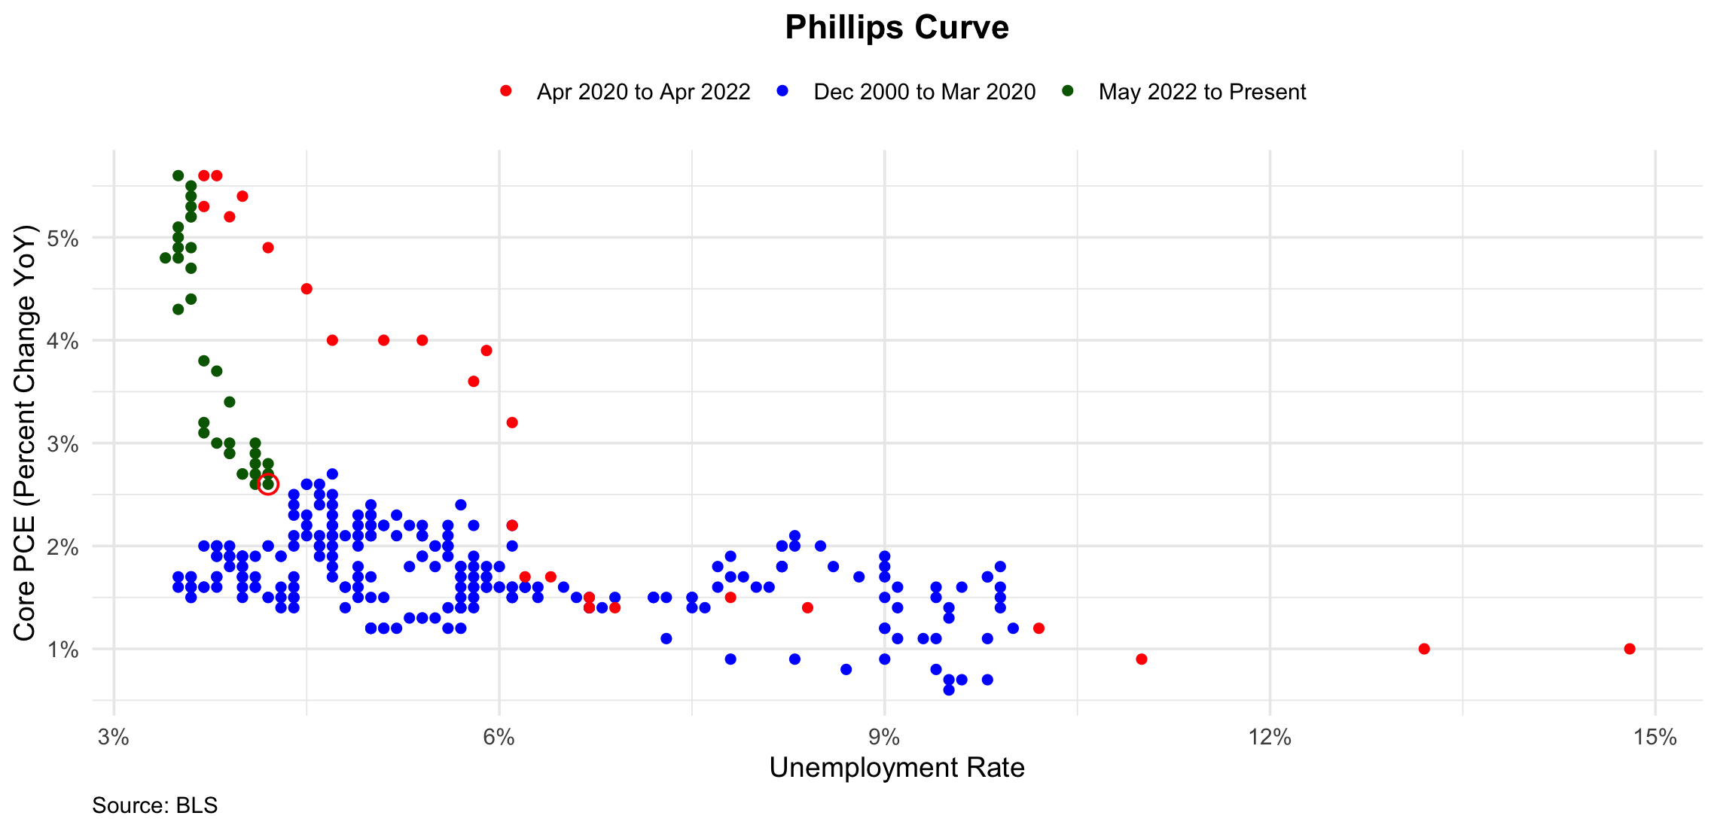
2000-08-01 | 4.1 | 1.9
2000-09-01 | 3.9 | 1.9
2000-10-01 | 3.9 | 1.8
2000-11-01 | 3.9 | 1.9
2000-12-01 | 3.9 | 1.9
2001-01-01 | 4.2 | 2.0
2001-02-01 | 4.2 | 2.0
2001-03-01 | 4.3 | 1.9
2001-04-01 | 4.4 | 2.0
2001-05-01 | 4.3 | 1.9
2001-06-01 | 4.5 | 2.1
2001-07-01 | 4.6 | 2.1
2001-08-01 | 4.9 | 2.0
2001-09-01 | 5.0 | 1.2
2001-10-01 | 5.3 | 1.8
2001-11-01 | 5.5 | 1.8
2001-12-01 | 5.7 | 1.7
2002-01-01 | 5.7 | 1.4
2002-02-01 | 5.7 | 1.4
2002-03-01 | 5.7 | 1.4
2002-04-01 | 5.9 | 1.6
2002-05-01 | 5.8 | 1.7
2002-06-01 | 5.8 | 1.6
2002-07-01 | 5.8 | 1.5
2002-08-01 | 5.7 | 1.7
2002-09-01 | 5.7 | 2.4
2002-10-01 | 5.7 | 1.8
2002-11-01 | 5.9 | 1.7
2002-12-01 | 6.0 | 1.8
2003-01-01 | 5.8 | 1.8
2003-02-01 | 5.9 | 1.7
2003-03-01 | 5.9 | 1.8
2003-04-01 | 6.0 | 1.6
2003-05-01 | 6.1 | 1.6
2003-06-01 | 6.3 | 1.5
2003-07-01 | 6.2 | 1.6
2003-08-01 | 6.1 | 1.5
2003-09-01 | 6.1 | 1.5
2003-10-01 | 6.0 | 1.6
2003-11-01 | 5.8 | 1.6
2003-12-01 | 5.7 | 1.6
2004-01-01 | 5.7 | 1.8
2004-02-01 | 5.6 | 1.9
2004-03-01 | 5.8 | 1.9
2004-04-01 | 5.6 | 2.0
2004-05-01 | 5.6 | 2.0
2004-06-01 | 5.6 | 2.1
2004-07-01 | 5.5 | 2.0
2004-08-01 | 5.4 | 1.9
2004-09-01 | 5.4 | 1.9
2004-10-01 | 5.5 | 2.0
2004-11-01 | 5.4 | 2.1
2004-12-01 | 5.4 | 2.1
2005-01-01 | 5.3 | 2.2
2005-02-01 | 5.4 | 2.2
2005-03-01 | 5.2 | 2.3
2005-04-01 | 5.2 | 2.1
2005-05-01 | 5.1 | 2.2
2005-06-01 | 5.0 | 2.1
2005-07-01 | 5.0 | 2.1
2005-08-01 | 4.9 | 2.2
2005-09-01 | 5.0 | 2.2
2005-10-01 | 5.0 | 2.3
2005-11-01 | 5.0 | 2.3
2005-12-01 | 4.9 | 2.3
2006-01-01 | 4.7 | 2.1
2006-02-01 | 4.8 | 2.1
2006-03-01 | 4.7 | 2.2
2006-04-01 | 4.7 | 2.4
2006-05-01 | 4.6 | 2.4
2006-06-01 | 4.6 | 2.6
2006-07-01 | 4.7 | 2.5
2006-08-01 | 4.7 | 2.7
2006-09-01 | 4.5 | 2.6
2006-10-01 | 4.4 | 2.5
2006-11-01 | 4.5 | 2.3
2006-12-01 | 4.4 | 2.3
2007-01-01 | 4.6 | 2.5
2007-02-01 | 4.5 | 2.6
2007-03-01 | 4.4 | 2.4
2007-04-01 | 4.5 | 2.2
2007-05-01 | 4.4 | 2.1
2007-06-01 | 4.6 | 2.0
2007-07-01 | 4.7 | 2.0
2007-08-01 | 4.6 | 2.0
2007-09-01 | 4.7 | 2.1
2007-10-01 | 4.7 | 2.2
2007-11-01 | 4.7 | 2.3
2007-12-01 | 5.0 | 2.4
2008-01-01 | 5.0 | 2.2
2008-02-01 | 4.9 | 2.1
2008-03-01 | 5.1 | 2.2
2008-04-01 | 5.0 | 2.1
2008-05-01 | 5.4 | 2.1
2008-06-01 | 5.6 | 2.2
2008-07-01 | 5.8 | 2.2
2008-08-01 | 6.1 | 2.2
2008-09-01 | 6.1 | 2.0
2008-10-01 | 6.5 | 1.6
2008-11-01 | 6.8 | 1.4
2008-12-01 | 7.3 | 1.1
2009-01-01 | 7.8 | 0.9
2009-02-01 | 8.3 | 0.9
2009-03-01 | 8.7 | 0.8
2009-04-01 | 9.0 | 0.9
2009-05-01 | 9.4 | 0.8
2009-06-01 | 9.5 | 0.7
2009-07-01 | 9.5 | 0.6
2009-08-01 | 9.6 | 0.7
2009-09-01 | 9.8 | 0.7
2009-10-01 | 10.0 | 1.2
2009-11-01 | 9.9 | 1.4
2009-12-01 | 9.9 | 1.5
2010-01-01 | 9.8 | 1.7
2010-02-01 | 9.8 | 1.7
2010-03-01 | 9.9 | 1.8
2010-04-01 | 9.9 | 1.6
2010-05-01 | 9.6 | 1.6
2010-06-01 | 9.4 | 1.6
2010-07-01 | 9.4 | 1.5
2010-08-01 | 9.5 | 1.4
2010-09-01 | 9.5 | 1.3
2010-10-01 | 9.4 | 1.1
2010-11-01 | 9.8 | 1.1
2010-12-01 | 9.3 | 1.1
2011-01-01 | 9.1 | 1.1
2011-02-01 | 9.0 | 1.2
2011-03-01 | 9.0 | 1.2
2011-04-01 | 9.1 | 1.4
2011-05-01 | 9.0 | 1.5
2011-06-01 | 9.1 | 1.6
2011-07-01 | 9.0 | 1.7
2011-08-01 | 9.0 | 1.8
2011-09-01 | 9.0 | 1.9
2011-10-01 | 8.8 | 1.7
2011-11-01 | 8.6 | 1.8
2011-12-01 | 8.5 | 2.0
2012-01-01 | 8.3 | 2.1
2012-02-01 | 8.3 | 2.0
2012-03-01 | 8.2 | 2.0
2012-04-01 | 8.2 | 2.0
2012-05-01 | 8.2 | 1.8
2012-06-01 | 8.2 | 1.8
2012-07-01 | 8.2 | 1.8
2012-08-01 | 8.1 | 1.6
2012-09-01 | 7.8 | 1.7
2012-10-01 | 7.8 | 1.9
2012-11-01 | 7.7 | 1.8
2012-12-01 | 7.9 | 1.7
2013-01-01 | 8.0 | 1.6
2013-02-01 | 7.7 | 1.6
2013-03-01 | 7.5 | 1.5
2013-04-01 | 7.6 | 1.4
2013-05-01 | 7.5 | 1.4
2013-06-01 | 7.5 | 1.5
2013-07-01 | 7.3 | 1.5
2013-08-01 | 7.2 | 1.5
2013-09-01 | 7.2 | 1.5
2013-10-01 | 7.2 | 1.5
2013-11-01 | 6.9 | 1.5
2013-12-01 | 6.7 | 1.5
2014-01-01 | 6.6 | 1.5
2014-02-01 | 6.7 | 1.4
2014-03-01 | 6.7 | 1.4
2014-04-01 | 6.2 | 1.6
2014-05-01 | 6.3 | 1.6
2014-06-01 | 6.1 | 1.6
2014-07-01 | 6.2 | 1.6
2014-08-01 | 6.1 | 1.5
2014-09-01 | 5.9 | 1.6
2014-10-01 | 5.7 | 1.5
2014-11-01 | 5.8 | 1.4
2014-12-01 | 5.6 | 1.4
2015-01-01 | 5.7 | 1.2
2015-02-01 | 5.5 | 1.3
2015-03-01 | 5.4 | 1.3
2015-04-01 | 5.4 | 1.3
2015-05-01 | 5.6 | 1.2
2015-06-01 | 5.3 | 1.3
2015-07-01 | 5.2 | 1.2
2015-08-01 | 5.1 | 1.2
2015-09-01 | 5.0 | 1.2
2015-10-01 | 5.0 | 1.2
2015-11-01 | 5.1 | 1.2
2015-12-01 | 5.0 | 1.2
2016-01-01 | 4.8 | 1.4
2016-02-01 | 4.9 | 1.5
2016-03-01 | 5.0 | 1.5
2016-04-01 | 5.1 | 1.5
2016-05-01 | 4.8 | 1.6
2016-06-01 | 4.9 | 1.6
2016-07-01 | 4.8 | 1.6
2016-08-01 | 4.9 | 1.7
2016-09-01 | 5.0 | 1.7
2016-10-01 | 4.9 | 1.8
2016-11-01 | 4.7 | 1.7
2016-12-01 | 4.7 | 1.8
2017-01-01 | 4.7 | 1.9
2017-02-01 | 4.6 | 1.9
2017-03-01 | 4.4 | 1.7
2017-04-01 | 4.4 | 1.6
2017-05-01 | 4.4 | 1.5
2017-06-01 | 4.3 | 1.6
2017-07-01 | 4.3 | 1.5
2017-08-01 | 4.4 | 1.4
2017-09-01 | 4.3 | 1.4
2017-10-01 | 4.2 | 1.5
2017-11-01 | 4.2 | 1.5
2017-12-01 | 4.1 | 1.6
2018-01-01 | 4.0 | 1.6
2018-02-01 | 4.1 | 1.6
2018-03-01 | 4.0 | 1.9
2018-04-01 | 4.0 | 1.9
2018-05-01 | 3.8 | 2.0
2018-06-01 | 4.0 | 1.9
2018-07-01 | 3.8 | 2.0
2018-08-01 | 3.8 | 1.9
2018-09-01 | 3.7 | 2.0
2018-10-01 | 3.8 | 1.9
2018-11-01 | 3.8 | 2.0
2018-12-01 | 3.9 | 2.0
2019-01-01 | 4.0 | 1.8
2019-02-01 | 3.8 | 1.7
2019-03-01 | 3.8 | 1.6
2019-04-01 | 3.7 | 1.6
2019-05-01 | 3.6 | 1.6
2019-06-01 | 3.6 | 1.7
2019-07-01 | 3.7 | 1.6
2019-08-01 | 3.6 | 1.7
2019-09-01 | 3.5 | 1.6
2019-10-01 | 3.6 | 1.6
2019-11-01 | 3.6 | 1.5
2019-12-01 | 3.6 | 1.5
2020-01-01 | 3.6 | 1.6
2020-02-01 | 3.5 | 1.7
2020-03-01 | 4.4 | 1.5
2020-04-01 | 14.8 | 1.0
2020-05-01 | 13.2 | 1.0
2020-06-01 | 11.0 | 0.9
2020-07-01 | 10.2 | 1.2
2020-08-01 | 8.4 | 1.4
2020-09-01 | 7.8 | 1.5
2020-10-01 | 6.9 | 1.4
2020-11-01 | 6.7 | 1.4
2020-12-01 | 6.7 | 1.5
2021-01-01 | 6.4 | 1.7
2021-02-01 | 6.2 | 1.7
2021-03-01 | 6.1 | 2.2
2021-04-01 | 6.1 | 3.2
2021-05-01 | 5.8 | 3.6
2021-06-01 | 5.9 | 3.9
2021-07-01 | 5.4 | 4.0
2021-08-01 | 5.1 | 4.0
2021-09-01 | 4.7 | 4.0
2021-10-01 | 4.5 | 4.5
2021-11-01 | 4.2 | 4.9
2021-12-01 | 3.9 | 5.2
2022-01-01 | 4.0 | 5.4
2022-02-01 | 3.8 | 5.6
2022-03-01 | 3.7 | 5.6
2022-04-01 | 3.7 | 5.3
2022-05-01 | 3.6 | 5.2
2022-06-01 | 3.6 | 5.3
2022-07-01 | 3.5 | 5.1
2022-08-01 | 3.6 | 5.4
2022-09-01 | 3.5 | 5.6
2022-10-01 | 3.6 | 5.5
2022-11-01 | 3.6 | 5.2
2022-12-01 | 3.5 | 5.0
2023-01-01 | 3.5 | 4.9
2023-02-01 | 3.6 | 4.9
2023-03-01 | 3.5 | 4.8
2023-04-01 | 3.4 | 4.8
2023-05-01 | 3.6 | 4.7
2023-06-01 | 3.6 | 4.4
2023-07-01 | 3.5 | 4.3
2023-08-01 | 3.7 | 3.8
2023-09-01 | 3.8 | 3.7
2023-10-01 | 3.9 | 3.4
2023-11-01 | 3.7 | 3.2
2023-12-01 | 3.8 | 3.0
2024-01-01 | 3.7 | 3.1
2024-02-01 | 3.9 | 2.9
2024-03-01 | 3.9 | 3.0
2024-04-01 | 3.9 | 2.9
2024-05-01 | 4.0 | 2.7
2024-06-01 | 4.1 | 2.6
2024-07-01 | 4.2 | 2.7
2024-08-01 | 4.2 | 2.7
2024-09-01 | 4.1 | 2.7
2024-10-01 | 4.1 | 2.8
2024-11-01 | 4.2 | 2.8
2024-12-01 | 4.1 | 2.9
2025-01-01 | 4.0 | 2.7
2025-02-01 | 4.1 | 3.0
2025-03-01 | 4.2 | 2.6

Nonlinear Phillips Curve
observation_date | Headline CPI (Percent change YoY) | Vacancy Rate | URATE | V/U | Ln(V/U)
2000-12-01 | 3.4 | 3.7 | 3.9 | 0.95 | -0.05 | URATE | https://fred.stlouisfed.org/series/UNRATE
2001-01-01 | 3.7 | 3.8 | 4.2 | 0.90 | -0.10 | Vacancy Rate | https://fred.stlouisfed.org/series/JTSJOR
2001-02-01 | 3.5 | 3.7 | 4.2 | 0.88 | -0.13 | Headline CPI | https://fred.stlouisfed.org/series/CPIAUCSL#
2001-03-01 | 3.0 | 3.5 | 4.3 | 0.81 | -0.21
2001-04-01 | 3.2 | 3.4 | 4.4 | 0.77 | -0.26
2001-05-01 | 3.6 | 3.2 | 4.3 | 0.74 | -0.30
2001-06-01 | 3.2 | 3.2 | 4.5 | 0.71 | -0.34
2001-07-01 | 2.7 | 3.3 | 4.6 | 0.72 | -0.33
2001-08-01 | 2.7 | 3.0 | 4.9 | 0.61 | -0.49
2001-09-01 | 2.6 | 3.0 | 5.0 | 0.60 | -0.51
2001-10-01 | 2.1 | 2.7 | 5.3 | 0.51 | -0.67
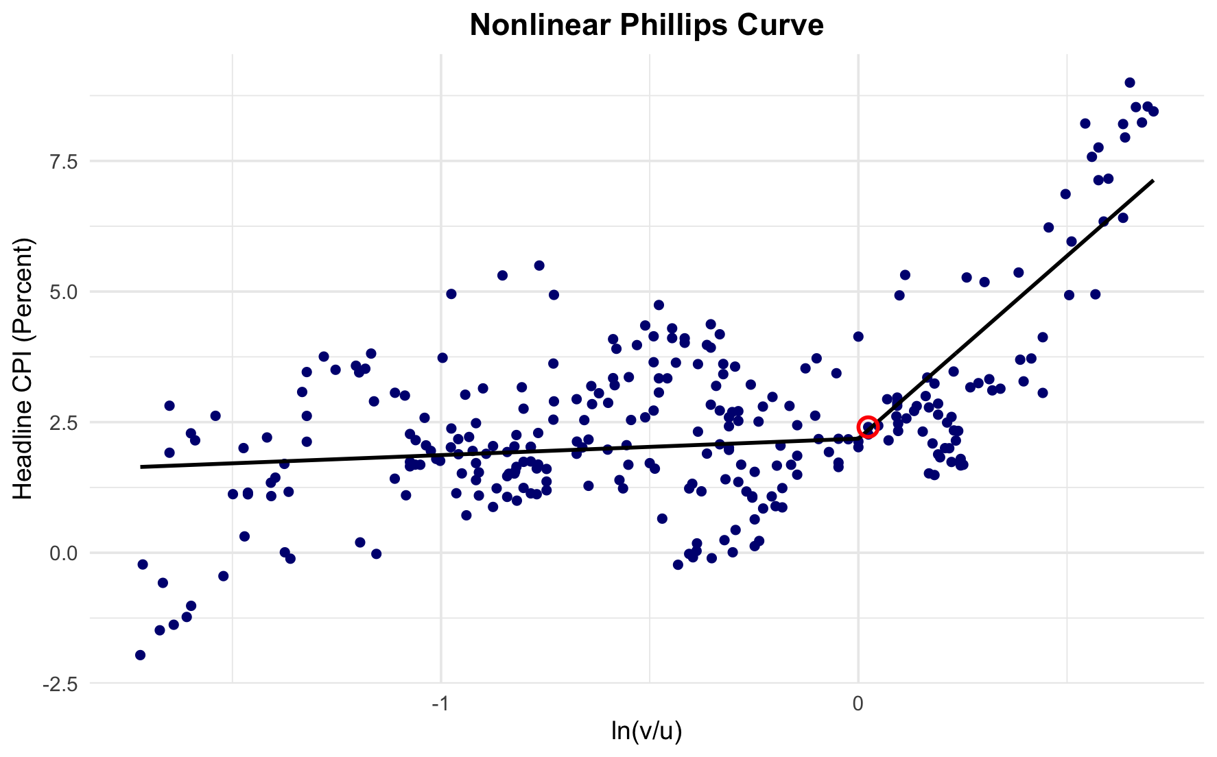
2001-11-01 | 1.9 | 2.8 | 5.5 | 0.51 | -0.68
2001-12-01 | 1.6 | 2.7 | 5.7 | 0.47 | -0.75
2002-01-01 | 1.2 | 2.7 | 5.7 | 0.47 | -0.75
2002-02-01 | 1.1 | 2.6 | 5.7 | 0.46 | -0.78
2002-03-01 | 1.4 | 2.7 | 5.7 | 0.47 | -0.75
2002-04-01 | 1.6 | 2.6 | 5.9 | 0.44 | -0.82
2002-05-01 | 1.2 | 2.6 | 5.8 | 0.45 | -0.80
2002-06-01 | 1.1 | 2.5 | 5.8 | 0.43 | -0.84
2002-07-01 | 1.5 | 2.5 | 5.8 | 0.43 | -0.84
2002-08-01 | 1.7 | 2.6 | 5.7 | 0.46 | -0.78
2002-09-01 | 1.5 | 2.5 | 5.7 | 0.44 | -0.82
2002-10-01 | 2.0 | 2.6 | 5.7 | 0.46 | -0.78
2002-11-01 | 2.3 | 2.6 | 5.9 | 0.44 | -0.82
2002-12-01 | 2.5 | 2.4 | 6.0 | 0.40 | -0.92
2003-01-01 | 2.8 | 2.6 | 5.8 | 0.45 | -0.80
2003-02-01 | 3.1 | 2.4 | 5.9 | 0.41 | -0.90
2003-03-01 | 3.0 | 2.3 | 5.9 | 0.39 | -0.94
2003-04-01 | 2.2 | 2.3 | 6.0 | 0.38 | -0.96
2003-05-01 | 1.9 | 2.5 | 6.1 | 0.41 | -0.89
2003-06-01 | 1.9 | 2.5 | 6.3 | 0.40 | -0.92
2003-07-01 | 2.1 | 2.2 | 6.2 | 0.35 | -1.04
2003-08-01 | 2.2 | 2.4 | 6.1 | 0.39 | -0.93
2003-09-01 | 2.4 | 2.3 | 6.1 | 0.38 | -0.98
2003-10-01 | 2.0 | 2.5 | 6.0 | 0.42 | -0.88
2003-11-01 | 1.9 | 2.5 | 5.8 | 0.43 | -0.84
2003-12-01 | 2.0 | 2.5 | 5.7 | 0.44 | -0.82
2004-01-01 | 2.0 | 2.6 | 5.7 | 0.46 | -0.78
2004-02-01 | 1.7 | 2.6 | 5.6 | 0.46 | -0.77
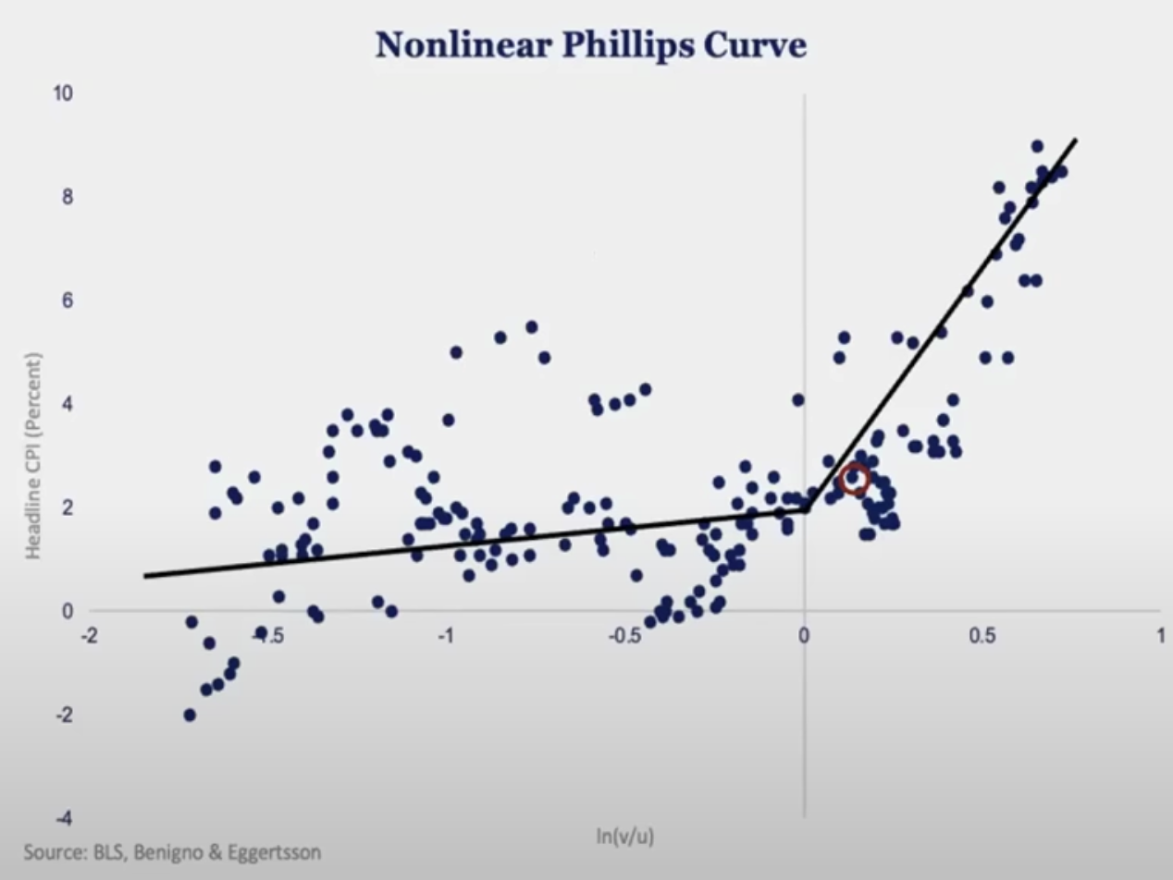
2004-03-01 | 1.7 | 2.6 | 5.8 | 0.45 | -0.80
2004-04-01 | 2.3 | 2.6 | 5.6 | 0.46 | -0.77
2004-05-01 | 2.9 | 2.7 | 5.6 | 0.48 | -0.73
2004-06-01 | 3.2 | 2.5 | 5.6 | 0.45 | -0.81
2004-07-01 | 2.9 | 2.8 | 5.5 | 0.51 | -0.68
2004-08-01 | 2.5 | 2.6 | 5.4 | 0.48 | -0.73
2004-09-01 | 2.5 | 2.8 | 5.4 | 0.52 | -0.66
2004-10-01 | 3.2 | 2.9 | 5.5 | 0.53 | -0.64
2004-11-01 | 3.6 | 2.6 | 5.4 | 0.48 | -0.73
2004-12-01 | 3.3 | 3.0 | 5.4 | 0.56 | -0.59
2005-01-01 | 2.8 | 2.8 | 5.3 | 0.53 | -0.64
2005-02-01 | 3.1 | 2.9 | 5.4 | 0.54 | -0.62
2005-03-01 | 3.2 | 2.9 | 5.2 | 0.56 | -0.58
2005-04-01 | 3.4 | 3.0 | 5.2 | 0.58 | -0.55
2005-05-01 | 2.9 | 2.8 | 5.1 | 0.55 | -0.60
2005-06-01 | 2.5 | 2.9 | 5.0 | 0.58 | -0.54
2005-07-01 | 3.1 | 3.1 | 5.0 | 0.62 | -0.48
2005-08-01 | 3.6 | 3.0 | 4.9 | 0.61 | -0.49
2005-09-01 | 4.7 | 3.1 | 5.0 | 0.62 | -0.48
2005-10-01 | 4.4 | 3.0 | 5.0 | 0.60 | -0.51
2005-11-01 | 3.3 | 3.1 | 5.0 | 0.62 | -0.48
2005-12-01 | 3.3 | 3.1 | 4.9 | 0.63 | -0.46
2006-01-01 | 4.0 | 3.1 | 4.7 | 0.66 | -0.42
2006-02-01 | 3.6 | 3.1 | 4.8 | 0.65 | -0.44
2006-03-01 | 3.4 | 3.4 | 4.7 | 0.72 | -0.32
2006-04-01 | 3.6 | 3.4 | 4.7 | 0.72 | -0.32
2006-05-01 | 4.0 | 3.2 | 4.6 | 0.70 | -0.36
2006-06-01 | 4.2 | 3.3 | 4.6 | 0.72 | -0.33
2006-07-01 | 4.1 | 3.1 | 4.7 | 0.66 | -0.42
2006-08-01 | 3.9 | 3.3 | 4.7 | 0.70 | -0.35
2006-09-01 | 2.0 | 3.3 | 4.5 | 0.73 | -0.31
2006-10-01 | 1.4 | 3.2 | 4.4 | 0.73 | -0.32
2006-11-01 | 2.0 | 3.3 | 4.5 | 0.73 | -0.31
2006-12-01 | 2.5 | 3.3 | 4.4 | 0.75 | -0.29
2007-01-01 | 2.1 | 3.3 | 4.6 | 0.72 | -0.33
2007-02-01 | 2.4 | 3.3 | 4.5 | 0.73 | -0.31
2007-03-01 | 2.8 | 3.5 | 4.4 | 0.80 | -0.23
2007-04-01 | 2.6 | 3.3 | 4.5 | 0.73 | -0.31
2007-05-01 | 2.7 | 3.3 | 4.4 | 0.75 | -0.29
2007-06-01 | 2.7 | 3.4 | 4.6 | 0.74 | -0.30
2007-07-01 | 2.3 | 3.2 | 4.7 | 0.68 | -0.38
2007-08-01 | 1.9 | 3.2 | 4.6 | 0.70 | -0.36
2007-09-01 | 2.8 | 3.3 | 4.7 | 0.70 | -0.35
2007-10-01 | 3.6 | 3.2 | 4.7 | 0.68 | -0.38
2007-11-01 | 4.4 | 3.3 | 4.7 | 0.70 | -0.35
2007-12-01 | 4.1 | 3.2 | 5.0 | 0.64 | -0.45
2008-01-01 | 4.3 | 3.2 | 5.0 | 0.64 | -0.45
2008-02-01 | 4.1 | 3.0 | 4.9 | 0.61 | -0.49
2008-03-01 | 4.0 | 3.0 | 5.1 | 0.59 | -0.53
2008-04-01 | 3.9 | 2.8 | 5.0 | 0.56 | -0.58
2008-05-01 | 4.1 | 3.0 | 5.4 | 0.56 | -0.59
2008-06-01 | 4.9 | 2.7 | 5.6 | 0.48 | -0.73
2008-07-01 | 5.5 | 2.7 | 5.8 | 0.47 | -0.76
2008-08-01 | 5.3 | 2.6 | 6.1 | 0.43 | -0.85
2008-09-01 | 5.0 | 2.3 | 6.1 | 0.38 | -0.98
2008-10-01 | 3.7 | 2.4 | 6.5 | 0.37 | -1.00
2008-11-01 | 1.1 | 2.3 | 6.8 | 0.34 | -1.08
2008-12-01 | 0.0 | 2.3 | 7.3 | 0.32 | -1.15
2009-01-01 | -0.1 | 2.0 | 7.8 | 0.26 | -1.36
2009-02-01 | 0.0 | 2.1 | 8.3 | 0.25 | -1.37
2009-03-01 | -0.4 | 1.9 | 8.7 | 0.22 | -1.52
2009-04-01 | -0.6 | 1.7 | 9.0 | 0.19 | -1.67
2009-05-01 | -1.0 | 1.9 | 9.4 | 0.20 | -1.60
2009-06-01 | -1.2 | 1.9 | 9.5 | 0.20 | -1.61
2009-07-01 | -2.0 | 1.7 | 9.5 | 0.18 | -1.72
2009-08-01 | -1.5 | 1.8 | 9.6 | 0.19 | -1.67
2009-09-01 | -1.4 | 1.9 | 9.8 | 0.19 | -1.64
2009-10-01 | -0.2 | 1.8 | 10.0 | 0.18 | -1.71
2009-11-01 | 1.9 | 1.9 | 9.9 | 0.19 | -1.65
2009-12-01 | 2.8 | 1.9 | 9.9 | 0.19 | -1.65
2010-01-01 | 2.6 | 2.1 | 9.8 | 0.21 | -1.54
2010-02-01 | 2.2 | 2.0 | 9.8 | 0.20 | -1.59
2010-03-01 | 2.3 | 2.0 | 9.9 | 0.20 | -1.60
2010-04-01 | 2.2 | 2.4 | 9.9 | 0.24 | -1.42
2010-05-01 | 2.0 | 2.2 | 9.6 | 0.23 | -1.47
2010-06-01 | 1.1 | 2.1 | 9.4 | 0.22 | -1.50
2010-07-01 | 1.3 | 2.3 | 9.4 | 0.24 | -1.41
2010-08-01 | 1.2 | 2.2 | 9.5 | 0.23 | -1.46
2010-09-01 | 1.1 | 2.2 | 9.5 | 0.23 | -1.46
2010-10-01 | 1.2 | 2.4 | 9.4 | 0.26 | -1.37
2010-11-01 | 1.1 | 2.4 | 9.8 | 0.24 | -1.41
2010-12-01 | 1.4 | 2.3 | 9.3 | 0.25 | -1.40
2011-01-01 | 1.7 | 2.3 | 9.1 | 0.25 | -1.38
2011-02-01 | 2.1 | 2.4 | 9.0 | 0.27 | -1.32
2011-03-01 | 2.6 | 2.4 | 9.0 | 0.27 | -1.32
2011-04-01 | 3.1 | 2.4 | 9.1 | 0.26 | -1.33
2011-05-01 | 3.5 | 2.4 | 9.0 | 0.27 | -1.32
2011-06-01 | 3.5 | 2.6 | 9.1 | 0.29 | -1.25
2011-07-01 | 3.6 | 2.7 | 9.0 | 0.30 | -1.20
2011-08-01 | 3.8 | 2.5 | 9.0 | 0.28 | -1.28
2011-09-01 | 3.8 | 2.8 | 9.0 | 0.31 | -1.17
2011-10-01 | 3.5 | 2.7 | 8.8 | 0.31 | -1.18
2011-11-01 | 3.5 | 2.6 | 8.6 | 0.30 | -1.20
2011-12-01 | 3.1 | 2.8 | 8.5 | 0.33 | -1.11
2012-01-01 | 3.0 | 2.8 | 8.3 | 0.34 | -1.09
2012-02-01 | 2.9 | 2.6 | 8.3 | 0.31 | -1.16
2012-03-01 | 2.6 | 2.9 | 8.2 | 0.35 | -1.04
2012-04-01 | 2.3 | 2.8 | 8.2 | 0.34 | -1.07
2012-05-01 | 1.7 | 2.8 | 8.2 | 0.34 | -1.07
2012-06-01 | 1.7 | 2.8 | 8.2 | 0.34 | -1.07
2012-07-01 | 1.4 | 2.7 | 8.2 | 0.33 | -1.11
2012-08-01 | 1.7 | 2.8 | 8.1 | 0.35 | -1.06
2012-09-01 | 1.9 | 2.8 | 7.8 | 0.36 | -1.02
2012-10-01 | 2.2 | 2.7 | 7.8 | 0.35 | -1.06
2012-11-01 | 1.8 | 2.8 | 7.7 | 0.36 | -1.01
2012-12-01 | 1.8 | 2.9 | 7.9 | 0.37 | -1.00
2013-01-01 | 1.7 | 2.8 | 8.0 | 0.35 | -1.05
2013-02-01 | 2.0 | 2.9 | 7.7 | 0.38 | -0.98
2013-03-01 | 1.5 | 2.9 | 7.5 | 0.39 | -0.95
2013-04-01 | 1.1 | 2.9 | 7.6 | 0.38 | -0.96
2013-05-01 | 1.4 | 3.0 | 7.5 | 0.40 | -0.92
2013-06-01 | 1.7 | 3.0 | 7.5 | 0.40 | -0.92
2013-07-01 | 1.9 | 2.8 | 7.3 | 0.38 | -0.96
2013-08-01 | 1.5 | 2.9 | 7.2 | 0.40 | -0.91
2013-09-01 | 1.1 | 2.9 | 7.2 | 0.40 | -0.91
2013-10-01 | 0.9 | 3.0 | 7.2 | 0.42 | -0.88
2013-11-01 | 1.2 | 2.9 | 6.9 | 0.42 | -0.87
2013-12-01 | 1.5 | 2.9 | 6.7 | 0.43 | -0.84
2014-01-01 | 1.6 | 2.9 | 6.6 | 0.44 | -0.82
2014-02-01 | 1.1 | 3.1 | 6.7 | 0.46 | -0.77
2014-03-01 | 1.6 | 3.1 | 6.7 | 0.46 | -0.77
2014-04-01 | 2.0 | 3.2 | 6.2 | 0.52 | -0.66
2014-05-01 | 2.2 | 3.3 | 6.3 | 0.52 | -0.65
2014-06-01 | 2.1 | 3.5 | 6.1 | 0.57 | -0.56
2014-07-01 | 2.0 | 3.4 | 6.2 | 0.55 | -0.60
2014-08-01 | 1.7 | 3.7 | 6.1 | 0.61 | -0.50
2014-09-01 | 1.7 | 3.4 | 5.9 | 0.58 | -0.55
2014-10-01 | 1.6 | 3.5 | 5.7 | 0.61 | -0.49
2014-11-01 | 1.2 | 3.3 | 5.8 | 0.57 | -0.56
2014-12-01 | 0.7 | 3.5 | 5.6 | 0.63 | -0.47
2015-01-01 | -0.2 | 3.7 | 5.7 | 0.65 | -0.43
2015-02-01 | -0.1 | 3.7 | 5.5 | 0.67 | -0.40
2015-03-01 | 0.0 | 3.6 | 5.4 | 0.67 | -0.41
2015-04-01 | -0.1 | 3.8 | 5.4 | 0.70 | -0.35
2015-05-01 | 0.0 | 3.8 | 5.6 | 0.68 | -0.39
2015-06-01 | 0.2 | 3.6 | 5.3 | 0.68 | -0.39
2015-07-01 | 0.2 | 4.1 | 5.2 | 0.79 | -0.24
2015-08-01 | 0.2 | 3.7 | 5.1 | 0.73 | -0.32
2015-09-01 | 0.0 | 3.7 | 5.0 | 0.74 | -0.30
2015-10-01 | 0.1 | 3.9 | 5.0 | 0.78 | -0.25
2015-11-01 | 0.4 | 3.8 | 5.1 | 0.75 | -0.29
2015-12-01 | 0.6 | 3.9 | 5.0 | 0.78 | -0.25
2016-01-01 | 1.2 | 4.0 | 4.8 | 0.83 | -0.18
2016-02-01 | 0.8 | 3.9 | 4.9 | 0.80 | -0.23
2016-03-01 | 0.9 | 4.1 | 5.0 | 0.82 | -0.20
2016-04-01 | 1.2 | 3.9 | 5.1 | 0.76 | -0.27
2016-05-01 | 1.1 | 3.9 | 4.8 | 0.81 | -0.21
2016-06-01 | 1.1 | 3.8 | 4.9 | 0.78 | -0.25
2016-07-01 | 0.9 | 4.0 | 4.8 | 0.83 | -0.18
2016-08-01 | 1.1 | 3.8 | 4.9 | 0.78 | -0.25
2016-09-01 | 1.5 | 3.9 | 5.0 | 0.78 | -0.25
2016-10-01 | 1.7 | 3.7 | 4.9 | 0.76 | -0.28
2016-11-01 | 1.7 | 4.0 | 4.7 | 0.85 | -0.16
2016-12-01 | 2.1 | 3.9 | 4.7 | 0.83 | -0.19
2017-01-01 | 2.5 | 3.7 | 4.7 | 0.79 | -0.24
2017-02-01 | 2.8 | 3.9 | 4.6 | 0.85 | -0.17
2017-03-01 | 2.4 | 3.8 | 4.4 | 0.86 | -0.15
2017-04-01 | 2.2 | 4.0 | 4.4 | 0.91 | -0.10
2017-05-01 | 1.9 | 3.8 | 4.4 | 0.86 | -0.15
2017-06-01 | 1.6 | 4.1 | 4.3 | 0.95 | -0.05
2017-07-01 | 1.7 | 4.1 | 4.3 | 0.95 | -0.05
2017-08-01 | 1.9 | 4.1 | 4.4 | 0.93 | -0.07
2017-09-01 | 2.2 | 4.1 | 4.3 | 0.95 | -0.05
2017-10-01 | 2.0 | 4.2 | 4.2 | 1.00 | 0.00
2017-11-01 | 2.2 | 4.1 | 4.2 | 0.98 | -0.02
2017-12-01 | 2.1 | 4.1 | 4.1 | 1.00 | 0.00
2018-01-01 | 2.2 | 4.3 | 4.0 | 1.08 | 0.07
2018-02-01 | 2.3 | 4.2 | 4.1 | 1.02 | 0.02
2018-03-01 | 2.3 | 4.4 | 4.0 | 1.10 | 0.10
2018-04-01 | 2.5 | 4.4 | 4.0 | 1.10 | 0.10
2018-05-01 | 2.8 | 4.5 | 3.8 | 1.18 | 0.17
2018-06-01 | 2.8 | 4.6 | 4.0 | 1.15 | 0.14
2018-07-01 | 2.9 | 4.6 | 3.8 | 1.21 | 0.19
2018-08-01 | 2.6 | 4.6 | 3.8 | 1.21 | 0.19
2018-09-01 | 2.3 | 4.7 | 3.7 | 1.27 | 0.24
2018-10-01 | 2.5 | 4.7 | 3.8 | 1.24 | 0.21
2018-11-01 | 2.1 | 4.8 | 3.8 | 1.26 | 0.23
2018-12-01 | 2.0 | 4.8 | 3.9 | 1.23 | 0.21
2019-01-01 | 1.5 | 4.8 | 4.0 | 1.20 | 0.18
2019-02-01 | 1.5 | 4.5 | 3.8 | 1.18 | 0.17
2019-03-01 | 1.9 | 4.6 | 3.8 | 1.21 | 0.19
2019-04-01 | 2.0 | 4.6 | 3.7 | 1.24 | 0.22
2019-05-01 | 1.8 | 4.6 | 3.6 | 1.28 | 0.25
2019-06-01 | 1.7 | 4.6 | 3.6 | 1.28 | 0.25
2019-07-01 | 1.8 | 4.5 | 3.7 | 1.22 | 0.20
2019-08-01 | 1.7 | 4.5 | 3.6 | 1.25 | 0.22
2019-09-01 | 1.7 | 4.5 | 3.5 | 1.29 | 0.25
2019-10-01 | 1.7 | 4.6 | 3.6 | 1.28 | 0.25
2019-11-01 | 2.1 | 4.3 | 3.6 | 1.19 | 0.18
2019-12-01 | 2.3 | 4.2 | 3.6 | 1.17 | 0.15
2020-01-01 | 2.6 | 4.5 | 3.6 | 1.25 | 0.22
2020-02-01 | 2.3 | 4.4 | 3.5 | 1.26 | 0.23
2020-03-01 | 1.5 | 3.8 | 4.4 | 0.86 | -0.15
2020-04-01 | 0.3 | 3.4 | 14.8 | 0.23 | -1.47
2020-05-01 | 0.2 | 4.0 | 13.2 | 0.30 | -1.19
2020-06-01 | 0.7 | 4.3 | 11.0 | 0.39 | -0.94
2020-07-01 | 1.0 | 4.5 | 10.2 | 0.44 | -0.82
2020-08-01 | 1.3 | 4.4 | 8.4 | 0.52 | -0.65
2020-09-01 | 1.4 | 4.4 | 7.8 | 0.56 | -0.57
2020-10-01 | 1.2 | 4.6 | 6.9 | 0.67 | -0.41
2020-11-01 | 1.2 | 4.6 | 6.7 | 0.69 | -0.38
2020-12-01 | 1.3 | 4.5 | 6.7 | 0.67 | -0.40
2021-01-01 | 1.4 | 4.8 | 6.4 | 0.75 | -0.29
2021-02-01 | 1.7 | 5.1 | 6.2 | 0.82 | -0.20
2021-03-01 | 2.6 | 5.5 | 6.1 | 0.90 | -0.10
2021-04-01 | 4.1 | 6.1 | 6.1 | 1.00 | 0.00
2021-05-01 | 4.9 | 6.4 | 5.8 | 1.10 | 0.10
2021-06-01 | 5.3 | 6.6 | 5.9 | 1.12 | 0.11
2021-07-01 | 5.3 | 7.0 | 5.4 | 1.30 | 0.26
2021-08-01 | 5.2 | 6.9 | 5.1 | 1.35 | 0.30
2021-09-01 | 5.4 | 6.9 | 4.7 | 1.47 | 0.38
2021-10-01 | 6.2 | 7.1 | 4.5 | 1.58 | 0.46
2021-11-01 | 6.9 | 6.9 | 4.2 | 1.64 | 0.50
2021-12-01 | 7.2 | 7.1 | 3.9 | 1.82 | 0.60
2022-01-01 | 7.6 | 7.0 | 4.0 | 1.75 | 0.56
2022-02-01 | 7.9 | 7.2 | 3.8 | 1.89 | 0.64
2022-03-01 | 8.5 | 7.4 | 3.7 | 2.00 | 0.69
2022-04-01 | 8.2 | 7.3 | 3.7 | 1.97 | 0.68
2022-05-01 | 8.5 | 7.0 | 3.6 | 1.94 | 0.66
2022-06-01 | 9.0 | 6.9 | 3.6 | 1.92 | 0.65
2022-07-01 | 8.4 | 7.1 | 3.5 | 2.03 | 0.71
2022-08-01 | 8.2 | 6.2 | 3.6 | 1.72 | 0.54
2022-09-01 | 8.2 | 6.6 | 3.5 | 1.89 | 0.63
2022-10-01 | 7.8 | 6.4 | 3.6 | 1.78 | 0.58
2022-11-01 | 7.1 | 6.4 | 3.6 | 1.78 | 0.58
2022-12-01 | 6.4 | 6.6 | 3.5 | 1.89 | 0.63
2023-01-01 | 6.3 | 6.3 | 3.5 | 1.80 | 0.59
2023-02-01 | 6.0 | 6.0 | 3.6 | 1.67 | 0.51
2023-03-01 | 4.9 | 5.8 | 3.5 | 1.66 | 0.51
2023-04-01 | 4.9 | 6.0 | 3.4 | 1.76 | 0.57
2023-05-01 | 4.1 | 5.6 | 3.6 | 1.56 | 0.44
2023-06-01 | 3.1 | 5.6 | 3.6 | 1.56 | 0.44
2023-07-01 | 3.3 | 5.2 | 3.5 | 1.49 | 0.40
2023-08-01 | 3.7 | 5.6 | 3.7 | 1.51 | 0.41
2023-09-01 | 3.7 | 5.6 | 3.8 | 1.47 | 0.39
2023-10-01 | 3.2 | 5.2 | 3.9 | 1.33 | 0.29
2023-11-01 | 3.1 | 5.2 | 3.7 | 1.41 | 0.34
2023-12-01 | 3.3 | 5.2 | 3.8 | 1.37 | 0.31
2024-01-01 | 3.1 | 5.1 | 3.7 | 1.38 | 0.32
2024-02-01 | 3.2 | 5.1 | 3.9 | 1.31 | 0.27
2024-03-01 | 3.5 | 4.9 | 3.9 | 1.26 | 0.23
2024-04-01 | 3.4 | 4.6 | 3.9 | 1.18 | 0.17
2024-05-01 | 3.2 | 4.8 | 4.0 | 1.20 | 0.18
2024-06-01 | 3.0 | 4.5 | 4.1 | 1.10 | 0.09
2024-07-01 | 2.9 | 4.5 | 4.2 | 1.07 | 0.07
2024-08-01 | 2.6 | 4.6 | 4.2 | 1.10 | 0.09
2024-09-01 | 2.4 | 4.3 | 4.1 | 1.05 | 0.05
2024-10-01 | 2.6 | 4.6 | 4.1 | 1.12 | 0.12
2024-11-01 | 2.7 | 4.8 | 4.2 | 1.14 | 0.13
2024-12-01 | 2.9 | 4.5 | 4.1 | 1.10 | 0.09
2025-01-01 | 3.0 | 4.7 | 4.0 | 1.18 | 0.16
2025-02-01 | 2.8 | 4.5 | 4.1 | 1.10 | 0.09
2025-03-01 | 2.4 | 4.3 | 4.2 | 1.02 | 0.02
2025-04-01 | 2.3 | 4.4 | 4.2 | 1.05 | 0.05

Labor Productivity Growth
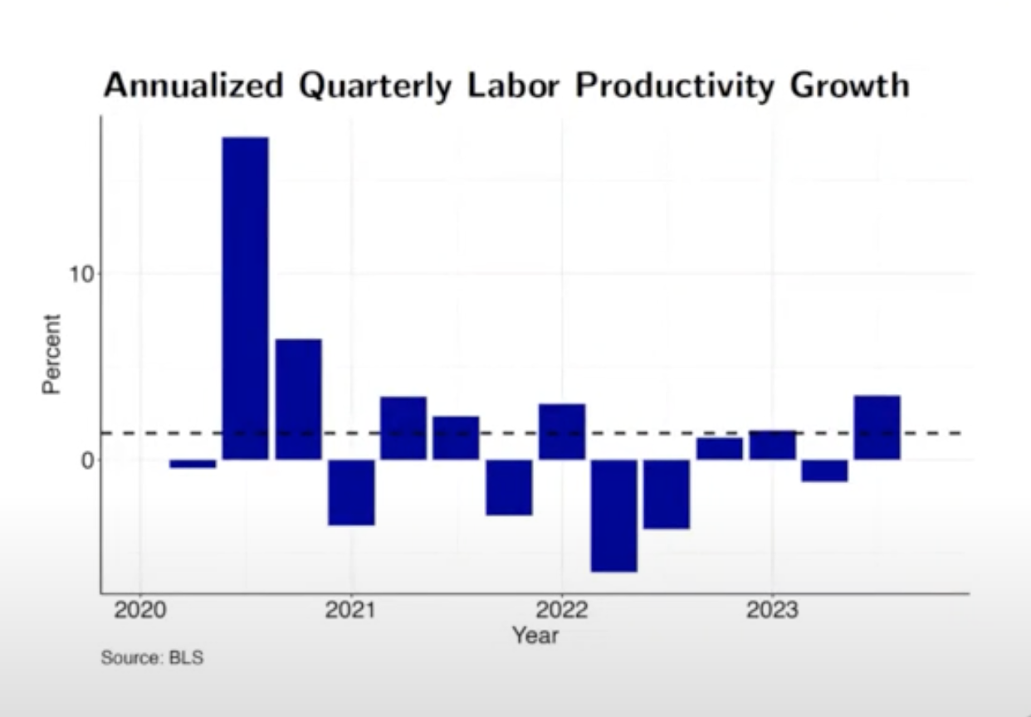
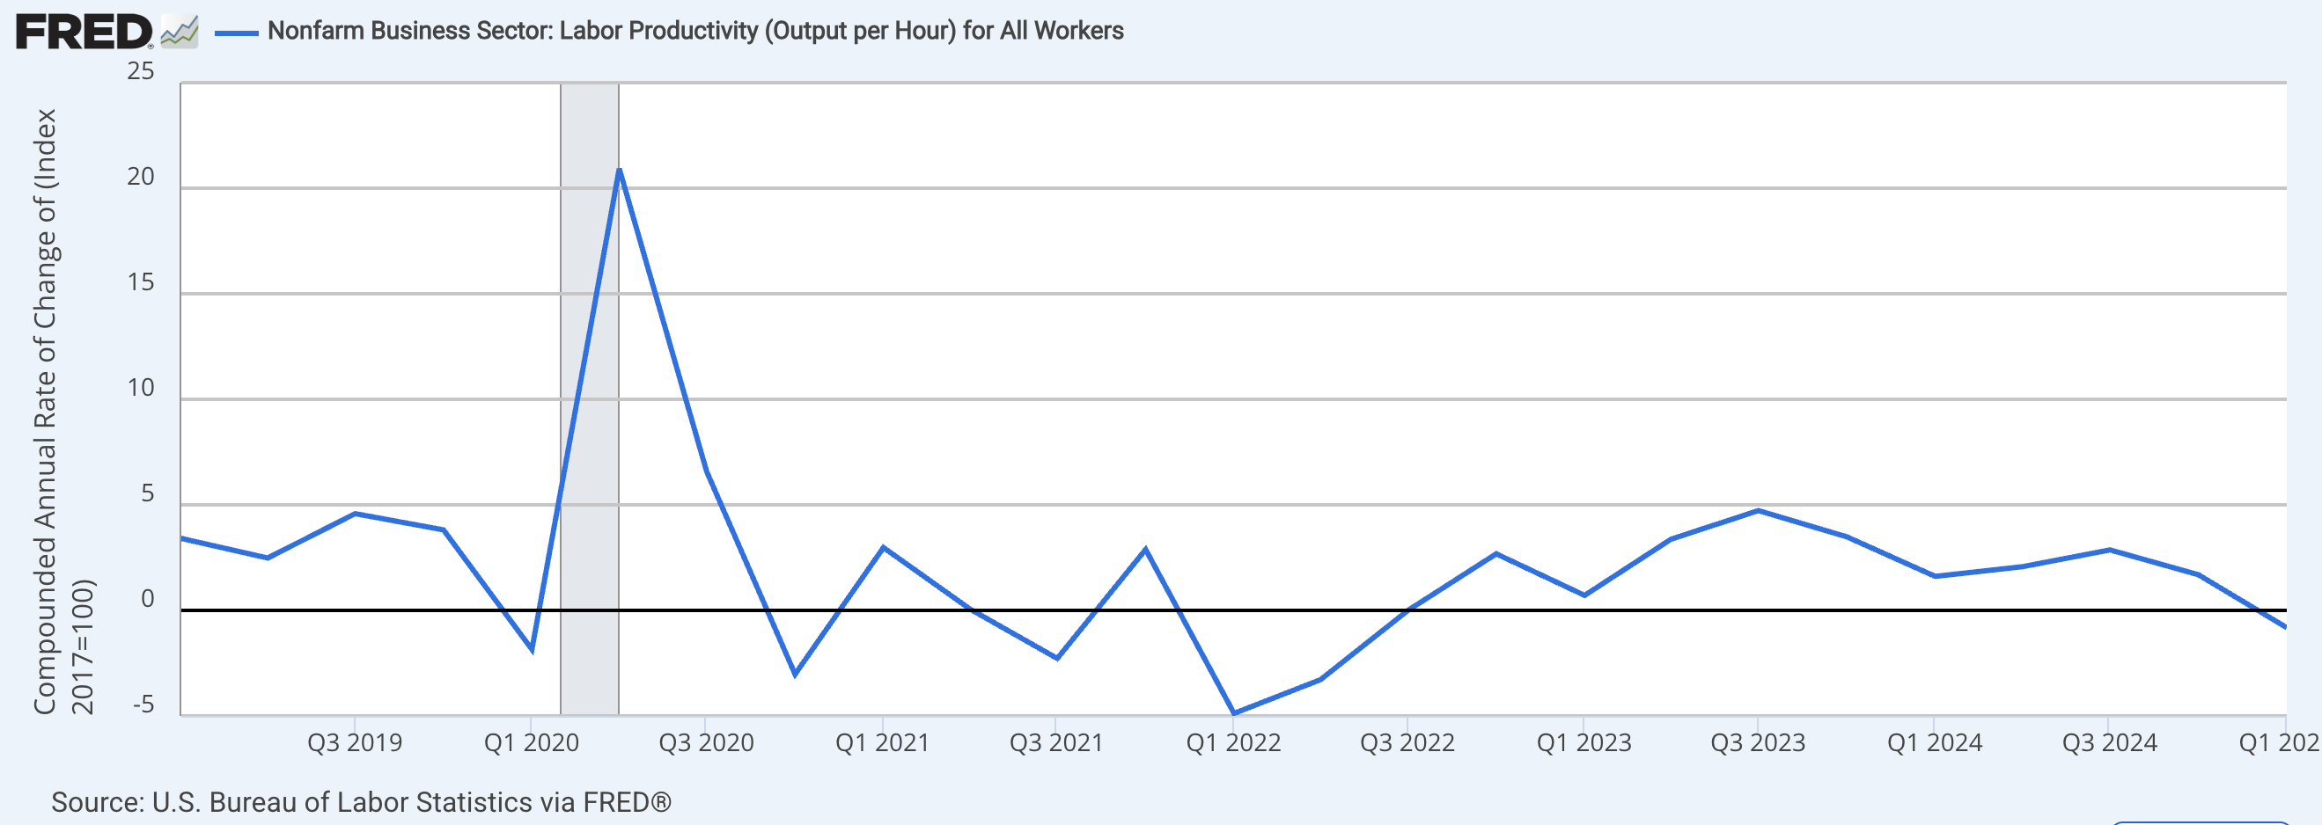
observation_date | Labor Productivity
2019-01-01 | 3.4 | https://fred.stlouisfed.org/series/OPHNFB#
2019-04-01 | 2.5 | Percent Change from Year Ago of
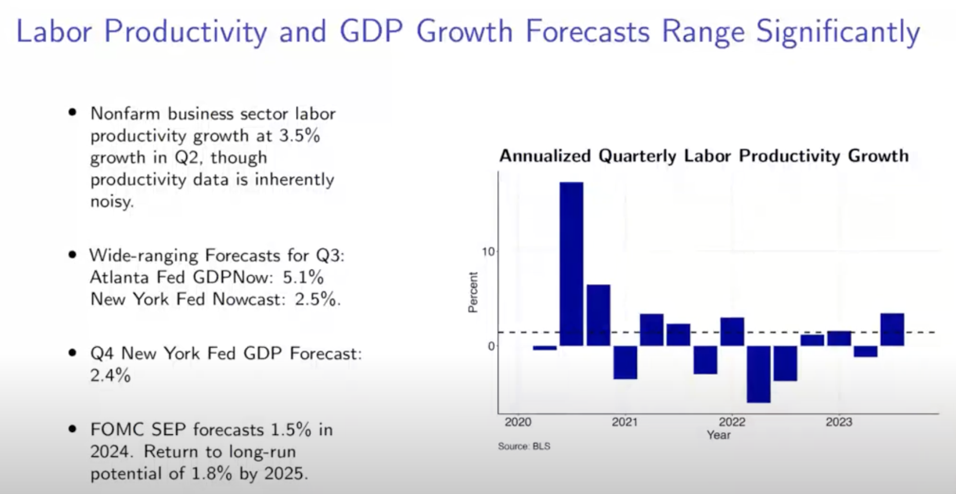
2019-07-01 | 4.6
2019-10-01 | 3.8
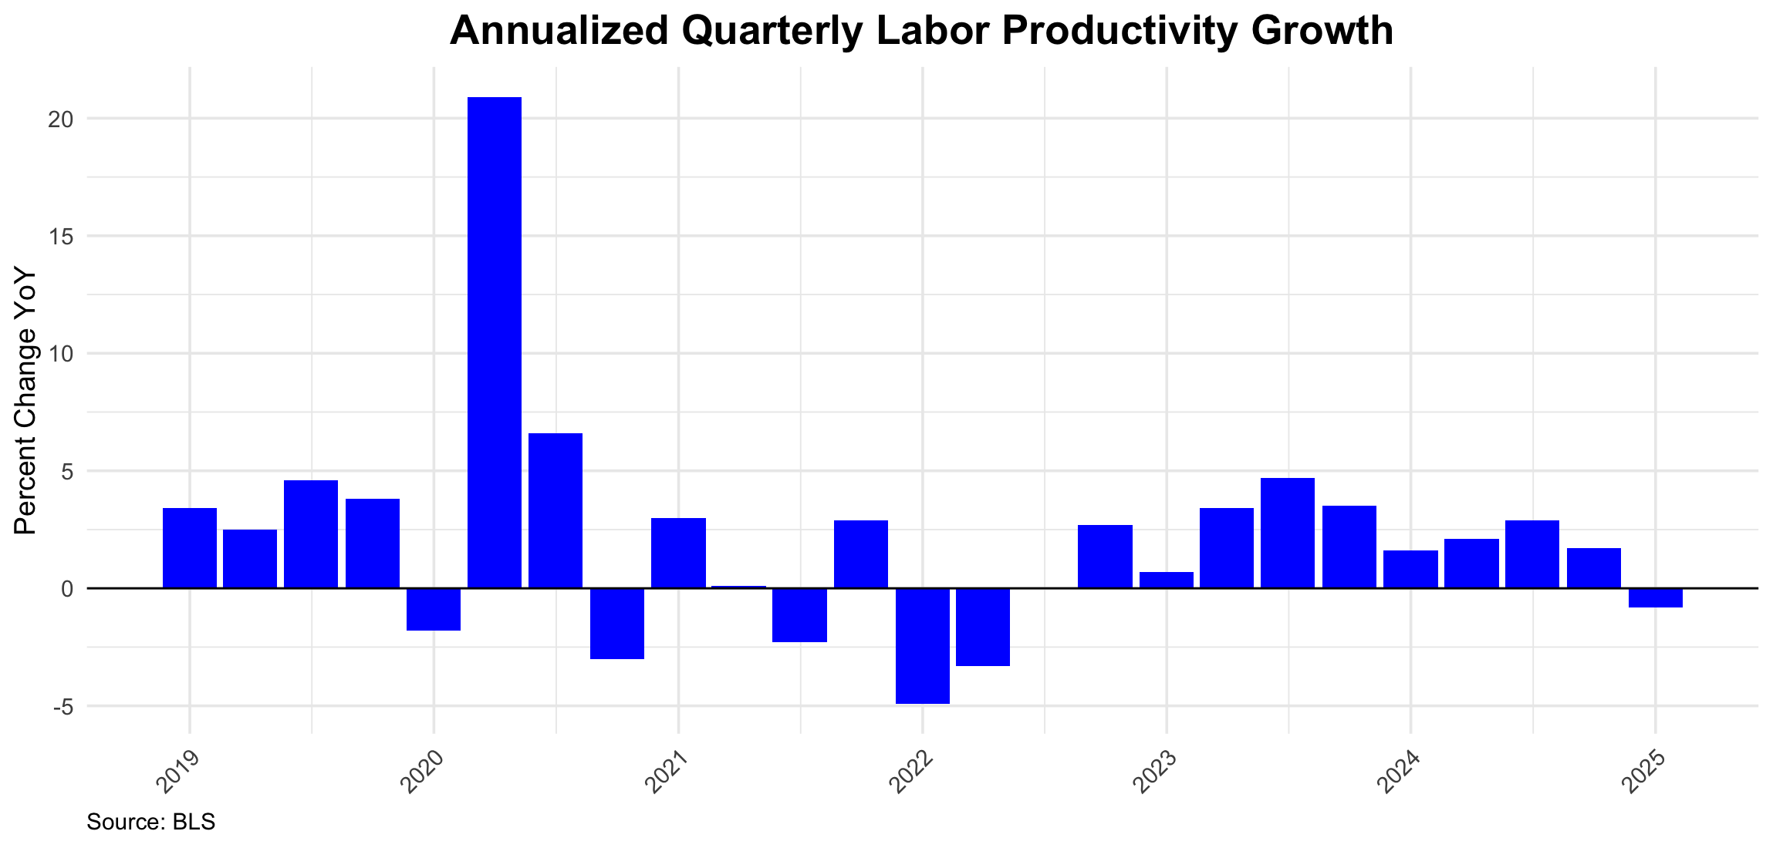
2020-01-01 | -1.8
2020-04-01 | 20.9
2020-07-01 | 6.6
2020-10-01 | -3.0
2021-01-01 | 3.0
2021-04-01 | 0.1
2021-07-01 | -2.3
2021-10-01 | 2.9
2022-01-01 | -4.9
2022-04-01 | -3.3
2022-07-01 | 0.0
2022-10-01 | 2.7
2023-01-01 | 0.7
2023-04-01 | 3.4
2023-07-01 | 4.7
2023-10-01 | 3.5
2024-01-01 | 1.6
2024-04-01 | 2.1
2024-07-01 | 2.9
2024-10-01 | 1.7
2025-01-01 | -0.8

Wage Growth
observation_date | CES0500000003
2020-11-01 | 29.64 | https://fred.stlouisfed.org/series/CES0500000003
2020-12-01 | 29.91
2021-01-01 | 29.92
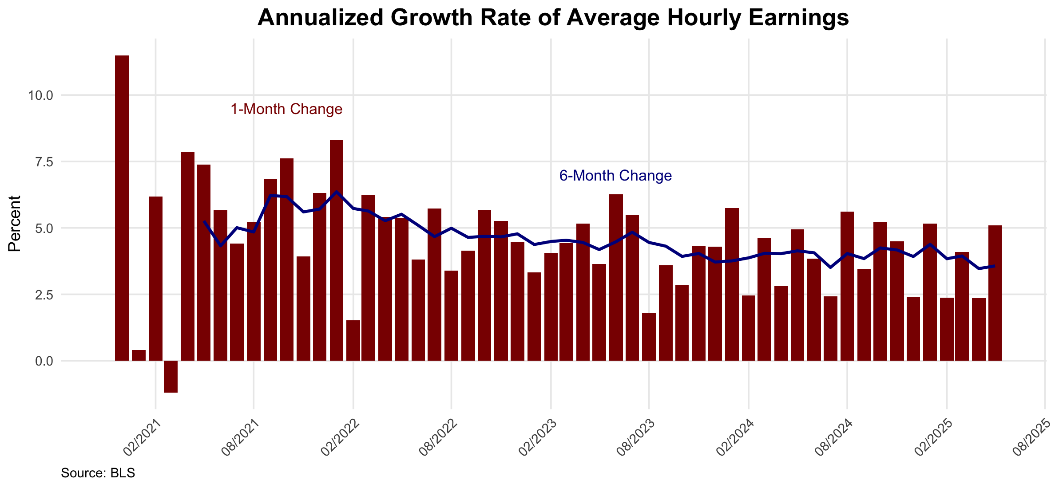
2021-02-01 | 30.07
2021-03-01 | 30.04
2021-04-01 | 30.23
2021-05-01 | 30.41
2021-06-01 | 30.55
2021-07-01 | 30.66
2021-08-01 | 30.79
2021-09-01 | 30.96
2021-10-01 | 31.15
2021-11-01 | 31.25
2021-12-01 | 31.41
2022-01-01 | 31.62
2022-02-01 | 31.66
2022-03-01 | 31.82
2022-04-01 | 31.96
2022-05-01 | 32.10
2022-06-01 | 32.20
2022-07-01 | 32.35
2022-08-01 | 32.44 |  | https://data.bls.gov/pdq/SurveyOutputServlet
2022-09-01 | 32.55 |  | AVERAGE HOURLY EARNINGS OF ALL EMPLOYEES, 1982-1984 DOLLARS
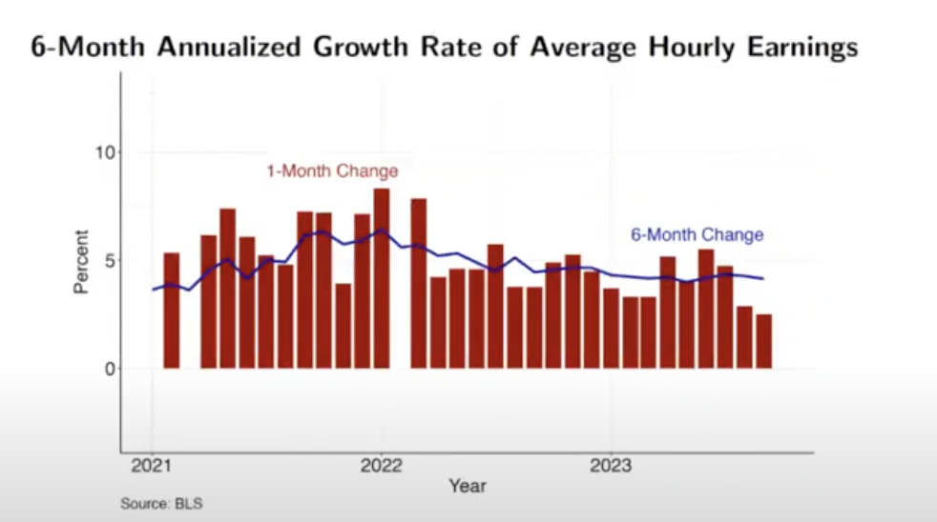
2022-10-01 | 32.70
2022-11-01 | 32.84
2022-12-01 | 32.96
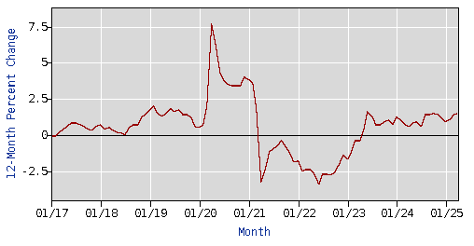
2023-01-01 | 33.05
2023-02-01 | 33.16
2023-03-01 | 33.28
2023-04-01 | 33.42
2023-05-01 | 33.52
2023-06-01 | 33.69
2023-07-01 | 33.84
2023-08-01 | 33.89
2023-09-01 | 33.99
2023-10-01 | 34.07
2023-11-01 | 34.19
2023-12-01 | 34.31
2024-01-01 | 34.47
2024-02-01 | 34.54
2024-03-01 | 34.67
2024-04-01 | 34.75
2024-05-01 | 34.89
2024-06-01 | 35.00
2024-07-01 | 35.07
2024-08-01 | 35.23
2024-09-01 | 35.33
2024-10-01 | 35.48
2024-11-01 | 35.61
2024-12-01 | 35.68
2025-01-01 | 35.83
2025-02-01 | 35.90
2025-03-01 | 36.02
2025-04-01 | 36.09
2025-05-01 | 36.24

Wage Growth - by sectors
observation_date | Total private sectors wage growth | Manufacturing wage growth | Construction wage growth | Hospitality wage growth
2014-03-01 | 2.1 | 2.4 | 1.9 | 2.4
2014-04-01 | 2.0 | 1.9 | 2.0 | 2.4
2014-05-01 | 2.1 | 1.7 | 2.2 | 2.7
2014-06-01 | 2.1 | 1.9 | 2.2 | 3.2
2014-07-01 | 2.1 | 2.0 | 1.9 | 3.1
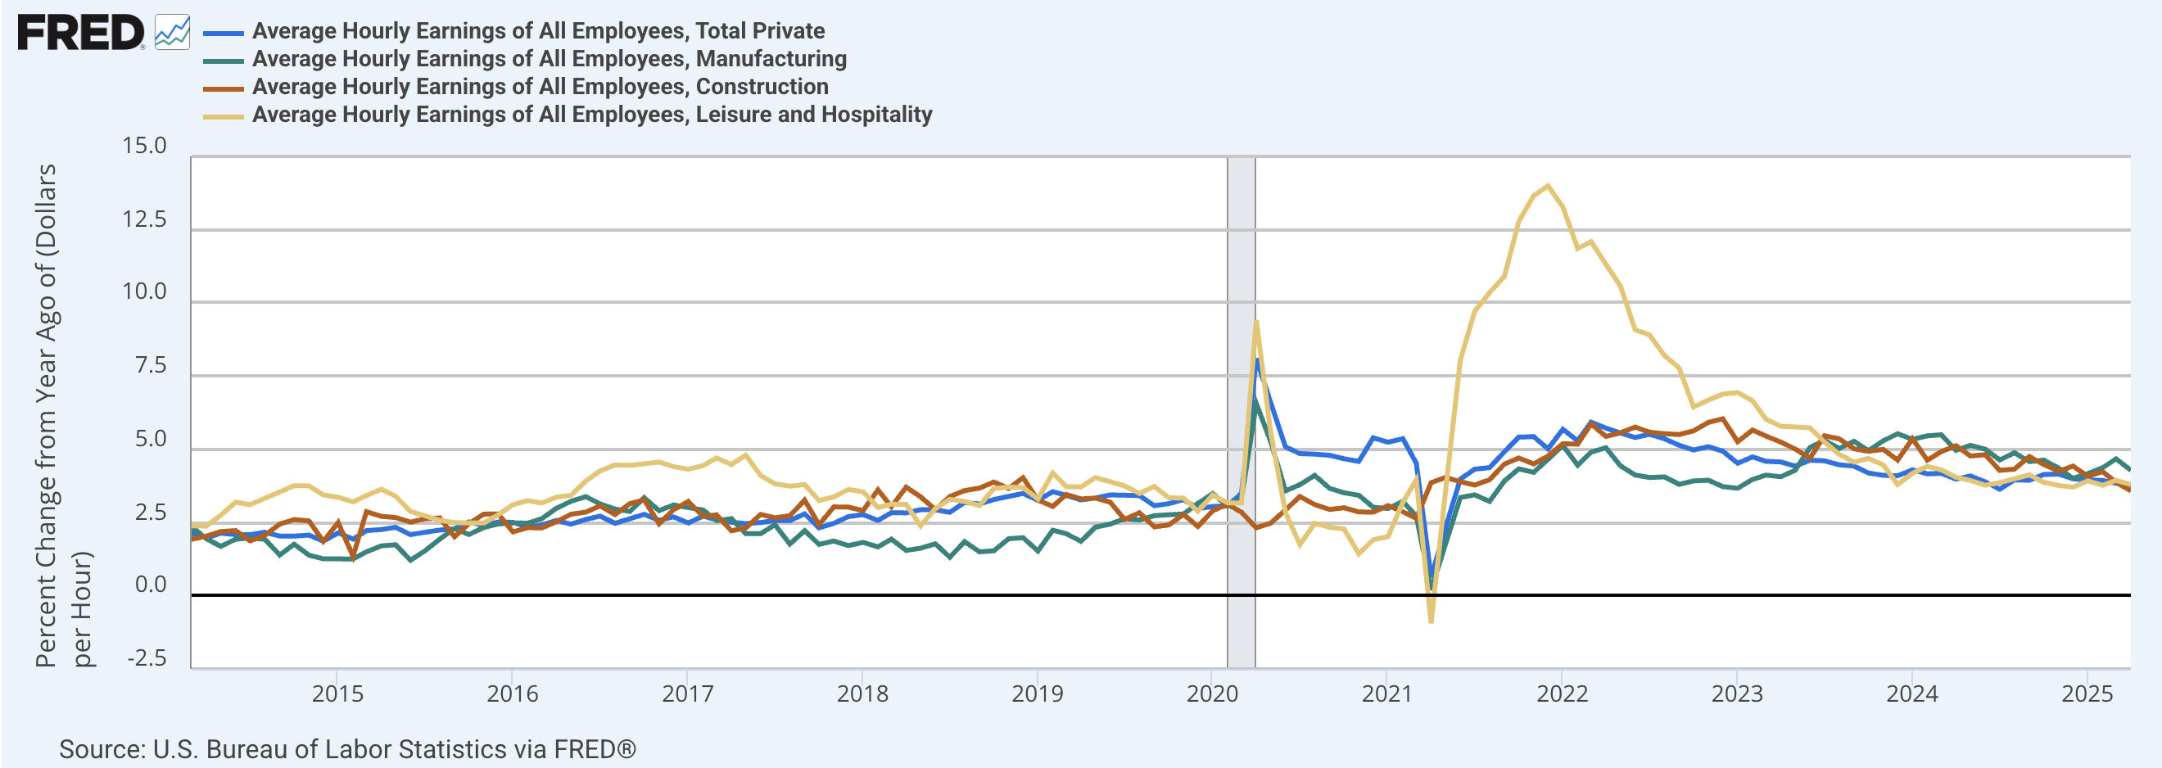
2014-08-01 | 2.2 | 1.9 | 2.1 | 3.3
2014-09-01 | 2.0 | 1.4 | 2.4 | 3.5
2014-10-01 | 2.0 | 1.8 | 2.6 | 3.8
2014-11-01 | 2.1 | 1.4 | 2.6 | 3.8
2014-12-01 | 1.9 | 1.3 | 1.9 | 3.4
2015-01-01 | 2.1 | 1.3 | 2.5 | 3.4
2015-02-01 | 1.9 | 1.3 | 1.3 | 3.2
2015-03-01 | 2.2 | 1.5 | 2.9 | 3.4
2015-04-01 | 2.3 | 1.7 | 2.7 | 3.6
2015-05-01 | 2.3 | 1.7 | 2.7 | 3.4
2015-06-01 | 2.1 | 1.2 | 2.5 | 2.9
2015-07-01 | 2.2 | 1.5 | 2.6 | 2.7
2015-08-01 | 2.2 | 1.9 | 2.7 | 2.6
2015-09-01 | 2.3 | 2.3 | 2.0 | 2.5
2015-10-01 | 2.5 | 2.1 | 2.5 | 2.5
2015-11-01 | 2.4 | 2.3 | 2.8 | 2.5
2015-12-01 | 2.5 | 2.4 | 2.8 | 2.8
2016-01-01 | 2.5 | 2.5 | 2.2 | 3.1
2016-02-01 | 2.3 | 2.5 | 2.3 | 3.2
2016-03-01 | 2.4 | 2.6 | 2.3 | 3.2
2016-04-01 | 2.6 | 3.0 | 2.5 | 3.4
2016-05-01 | 2.4 | 3.2 | 2.8 | 3.4
2016-06-01 | 2.6 | 3.4 | 2.9 | 3.9
2016-07-01 | 2.7 | 3.1 | 3.1 | 4.3
2016-08-01 | 2.5 | 3.0 | 2.8 | 4.5
2016-09-01 | 2.6 | 2.9 | 3.1 | 4.5
2016-10-01 | 2.8 | 3.3 | 3.3 | 4.5
2016-11-01 | 2.6 | 2.9 | 2.5 | 4.6
2016-12-01 | 2.7 | 3.1 | 2.9 | 4.4
2017-01-01 | 2.5 | 3.0 | 3.2 | 4.3
2017-02-01 | 2.7 | 2.9 | 2.7 | 4.4
2017-03-01 | 2.6 | 2.6 | 2.8 | 4.7
2017-04-01 | 2.5 | 2.6 | 2.2 | 4.5
2017-05-01 | 2.5 | 2.1 | 2.3 | 4.8
2017-06-01 | 2.5 | 2.1 | 2.8 | 4.1
2017-07-01 | 2.6 | 2.4 | 2.7 | 3.8
2017-08-01 | 2.6 | 1.8 | 2.7 | 3.7
2017-09-01 | 2.8 | 2.2 | 3.3 | 3.8
2017-10-01 | 2.3 | 1.8 | 2.4 | 3.2
2017-11-01 | 2.5 | 1.9 | 3.0 | 3.4
2017-12-01 | 2.7 | 1.7 | 3.0 | 3.6
2018-01-01 | 2.8 | 1.8 | 2.9 | 3.5
2018-02-01 | 2.6 | 1.7 | 3.6 | 3.0
2018-03-01 | 2.8 | 1.9 | 3.0 | 3.1
2018-04-01 | 2.8 | 1.5 | 3.7 | 3.1
2018-05-01 | 2.9 | 1.6 | 3.4 | 2.4
2018-06-01 | 2.9 | 1.8 | 2.9 | 3.0
2018-07-01 | 2.8 | 1.3 | 3.4 | 3.3
2018-08-01 | 3.2 | 1.8 | 3.6 | 3.2
2018-09-01 | 3.1 | 1.5 | 3.7 | 3.1
2018-10-01 | 3.3 | 1.5 | 3.9 | 3.7
2018-11-01 | 3.4 | 1.9 | 3.7 | 3.7
2018-12-01 | 3.5 | 2.0 | 4.0 | 3.7
2019-01-01 | 3.3 | 1.5 | 3.3 | 3.3
2019-02-01 | 3.6 | 2.2 | 3.0 | 4.2
2019-03-01 | 3.4 | 2.1 | 3.5 | 3.7
2019-04-01 | 3.3 | 1.9 | 3.3 | 3.7
2019-05-01 | 3.3 | 2.3 | 3.3 | 4.0
2019-06-01 | 3.4 | 2.4 | 3.2 | 3.9
2019-07-01 | 3.4 | 2.6 | 2.6 | 3.8
2019-08-01 | 3.4 | 2.6 | 2.8 | 3.5
2019-09-01 | 3.1 | 2.7 | 2.4 | 3.7
2019-10-01 | 3.1 | 2.8 | 2.4 | 3.3
2019-11-01 | 3.3 | 2.8 | 2.8 | 3.3
2019-12-01 | 3.0 | 3.2 | 2.4 | 2.9
2020-01-01 | 3.0 | 3.5 | 2.9 | 3.4
2020-02-01 | 3.1 | 3.1 | 3.1 | 3.2
2020-03-01 | 3.5 | 3.3 | 2.8 | 3.2
2020-04-01 | 8.1 | 6.6 | 2.3 | 9.4
2020-05-01 | 6.6 | 5.3 | 2.5 | 5.6
2020-06-01 | 5.1 | 3.6 | 2.9 | 2.8
2020-07-01 | 4.9 | 3.8 | 3.4 | 1.7
2020-08-01 | 4.8 | 4.1 | 3.1 | 2.5
2020-09-01 | 4.8 | 3.7 | 2.9 | 2.3
2020-10-01 | 4.7 | 3.5 | 3.0 | 2.3
2020-11-01 | 4.6 | 3.4 | 2.9 | 1.4
2020-12-01 | 5.4 | 3.0 | 2.9 | 1.9
2021-01-01 | 5.2 | 3.0 | 3.1 | 2.0
2021-02-01 | 5.4 | 3.2 | 2.9 | 3.2
2021-03-01 | 4.5 | 2.7 | 2.6 | 4.0
2021-04-01 | 0.6 | 0.2 | 3.9 | -0.9
2021-05-01 | 2.3 | 1.8 | 4.0 | 3.6
2021-06-01 | 4.0 | 3.4 | 3.9 | 8.0
2021-07-01 | 4.3 | 3.4 | 3.8 | 9.7
2021-08-01 | 4.4 | 3.2 | 4.0 | 10.3
2021-09-01 | 4.9 | 3.9 | 4.5 | 10.9
2021-10-01 | 5.4 | 4.3 | 4.7 | 12.8
2021-11-01 | 5.4 | 4.2 | 4.5 | 13.7
2021-12-01 | 5.0 | 4.7 | 4.8 | 14.0
2022-01-01 | 5.7 | 5.1 | 5.2 | 13.3
2022-02-01 | 5.3 | 4.5 | 5.2 | 11.9
2022-03-01 | 5.9 | 4.9 | 5.9 | 12.1
2022-04-01 | 5.7 | 5.1 | 5.4 | 11.3
2022-05-01 | 5.6 | 4.4 | 5.6 | 10.6
2022-06-01 | 5.4 | 4.1 | 5.8 | 9.1
2022-07-01 | 5.5 | 4.0 | 5.6 | 8.9
2022-08-01 | 5.4 | 4.1 | 5.5 | 8.2
2022-09-01 | 5.1 | 3.8 | 5.5 | 7.8
2022-10-01 | 5.0 | 3.9 | 5.6 | 6.4
2022-11-01 | 5.1 | 3.9 | 5.9 | 6.7
2022-12-01 | 4.9 | 3.7 | 6.0 | 6.9
2023-01-01 | 4.5 | 3.7 | 5.3 | 6.9
2023-02-01 | 4.7 | 4.0 | 5.7 | 6.7
2023-03-01 | 4.6 | 4.1 | 5.5 | 6.0
2023-04-01 | 4.6 | 4.1 | 5.2 | 5.8
2023-05-01 | 4.4 | 4.3 | 5.0 | 5.8
2023-06-01 | 4.6 | 5.1 | 4.7 | 5.7
2023-07-01 | 4.6 | 5.3 | 5.5 | 5.3
2023-08-01 | 4.5 | 5.0 | 5.4 | 4.8
2023-09-01 | 4.4 | 5.3 | 5.0 | 4.6
2023-10-01 | 4.2 | 5.0 | 4.9 | 4.7
2023-11-01 | 4.1 | 5.3 | 5.0 | 4.5
2023-12-01 | 4.1 | 5.5 | 4.6 | 3.8
2024-01-01 | 4.3 | 5.3 | 5.4 | 4.2
2024-02-01 | 4.2 | 5.5 | 4.6 | 4.4
2024-03-01 | 4.2 | 5.5 | 4.9 | 4.3
2024-04-01 | 4.0 | 5.0 | 5.1 | 4.0
2024-05-01 | 4.1 | 5.1 | 4.8 | 3.9
2024-06-01 | 3.9 | 5.0 | 4.8 | 3.8
2024-07-01 | 3.6 | 4.6 | 4.3 | 3.9
2024-08-01 | 4.0 | 4.9 | 4.3 | 4.0
2024-09-01 | 3.9 | 4.6 | 4.8 | 4.1
2024-10-01 | 4.1 | 4.6 | 4.5 | 3.9
2024-11-01 | 4.2 | 4.4 | 4.2 | 3.8
2024-12-01 | 4.0 | 4.0 | 4.4 | 3.7
2025-01-01 | 3.9 | 4.2 | 4.1 | 3.9
2025-02-01 | 3.9 | 4.4 | 4.2 | 3.8
2025-03-01 | 3.8 | 4.7 | 3.9 | 3.9
2025-04-01 | 3.8 | 4.3 | 3.6 | 3.8

